SPOP _multivariate
Reported by Tex Li-Hsing Chi. tex@gate.sinica.edu.tw 2019-08-15

Table 2. The clinicopathological features of HNSCC cohort and SPOP expression. (Chi square test)
Cutoff at -0.107 (49.8%)
 |  | SPOP expression |  | SPOP expression |  | (Optimised)
 | Features | Low | (%) | High | (%) | Case no | P-value | Remark | Matthews
Gender | Female | 141 | 34 | 165 | 39.8 | 415 | 0.013 | 1 | 0
2 | Male | 66 | 15.9 | 43 | 10.4
Age at diagnosis | <=65y | 128 | 30.8 | 146 | 35.2 | 415 | 0.0904 | 0 | 0
4 | >65y | 79 | 19 | 62 | 14.9
Clinical T Status | T1+T2 | 66 | 15.9 | 83 | 20 | 415 | 0.1095 | 0 | 0
6 | T3+T4 | 141 | 34 | 125 | 30.1
Clinical N Status | N0 | 115 | 27.7 | 101 | 24.3 | 415 | 0.184 | 1 | 0
8 | N1-3 | 92 | 22.2 | 107 | 25.8
Clinical M Status | M0 | 204 | 49.2 | 208 | 50.1 | 415 | 0.1232 | 0 | 0
10 | M1 | 3 | 0.7 | 0 | 0
Clinical Stage | Stage I+II | 49 | 11.8 | 53 | 12.8 | 415 | 0.7535 | 0 | 0
12 | Stage III+IV | 158 | 38.1 | 155 | 37.3
Surgical Margin status | Negative | 161 | 38.8 | 157 | 37.8 | 415 | 0.6429 | 0 | 0
14 | Positive | 46 | 11.1 | 51 | 12.3
Tobacco Exposure | Low | 89 | 21.4 | 72 | 17.3 | 415 | 0.0872 | 0 | 0
16 | High | 118 | 28.4 | 136 | 32.8

Table 3. Univariate/Multivariate Cox's proportional hazards regression analyses on OS time of SPOP gene expression in HNSCC

 |  | Univariate |  |  |  | Multivariate
 | Features | HR | CI95%(L) | CI95%(H) | P-value | HR | CI95%(L) | CI95%(H) | P-value
1 | Female | 1 |  |  |  | 1
Gender | Male | 1.157 | 0.843 | 1.587 | 0.367 | 1.249 | 0.892 | 1.75 | 0.196
11 | <=65y | 1 |  |  |  | 1
Age at diagnosis | >65y | 1.329 | 0.99 | 1.784 | 0.058 | 1.398 | 1.029 | 1.899 | 0.032
12 | T1+T2 | 1 |  |  |  | 1
Clinical T Status | T3+T4 | 1.409 | 1.028 | 1.931 | 0.033 | 2.298 | 1.213 | 4.354 | 0.011
13 | N0 | 1 |  |  |  | 1
Clinical N Status | N1-3 | 1.185 | 0.89 | 1.577 | 0.246 | 1.219 | 0.854 | 1.739 | 0.276
14 | M0 | 1 |  |  |  | 1
Clinical M Status | M1 | 4.097 | 1.009 | 16.644 | 0.049 | 11.272 | 2.415 | 52.623 | 0.002
15 | Stage I+II | 1 |  |  |  | 1
Clinical Stage | Stage III+IV | 1.245 | 0.882 | 1.759 | 0.213 | 0.488 | 0.227 | 1.049 | 0.066
16 | Negative | 1 |  |  |  | 1
Surgical Margin status | Positive | 1.591 | 1.155 | 2.191 | 0.004 | 1.669 | 1.207 | 2.307 | 0.002
17 | Low | 1 |  |  |  | 1
Tobacco Exposure | High | 1.364 | 1.008 | 1.844 | 0.044 | 1.444 | 1.049 | 1.99 | 0.024
18 | Low | 1 |  |  |  | 1
RNAseq(z-score) | High | 1.16 | 0.87 | 1.547 | 0.313 | 1.266 | 0.94 | 1.704 | 0.12

Table 4. Univariate/Multivariate Cox's proportional hazards regression analyses on RFS time of SPOP gene expression in HNSCC

 |  | Univariate |  |  |  | Multivariate
 | Features | HR | CI95%(L) | CI95%(H) | P-value | HR | CI95%(L) | CI95%(H) | P-value
1 | Female | 1 |  |  |  | 1
Gender | Male | 1.157 | 0.843 | 1.587 | 0.367 | 1.249 | 0.892 | 1.75 | 0.196
11 | <=65y | 1 |  |  |  | 1
Age at diagnosis | >65y | 1.329 | 0.99 | 1.784 | 0.058 | 1.398 | 1.029 | 1.899 | 0.032
12 | T1+T2 | 1 |  |  |  | 1
Clinical T Status | T3+T4 | 1.409 | 1.028 | 1.931 | 0.033 | 2.298 | 1.213 | 4.354 | 0.011
13 | N0 | 1 |  |  |  | 1
Clinical N Status | N1-3 | 1.185 | 0.89 | 1.577 | 0.246 | 1.219 | 0.854 | 1.739 | 0.276
14 | M0 | 1 |  |  |  | 1
Clinical M Status | M1 | 4.097 | 1.009 | 16.644 | 0.049 | 11.272 | 2.415 | 52.623 | 0.002
15 | Stage I+II | 1 |  |  |  | 1
Clinical Stage | Stage III+IV | 1.245 | 0.882 | 1.759 | 0.213 | 0.488 | 0.227 | 1.049 | 0.066
16 | Negative | 1 |  |  |  | 1
Surgical Margin status | Positive | 1.591 | 1.155 | 2.191 | 0.004 | 1.669 | 1.207 | 2.307 | 0.002
17 | Low | 1 |  |  |  | 1
Tobacco Exposure | High | 1.364 | 1.008 | 1.844 | 0.044 | 1.444 | 1.049 | 1.99 | 0.024
18 | Low | 1 |  |  |  | 1
RNAseq(z-score) | High | 1.16 | 0.87 | 1.547 | 0.313 | 1.266 | 0.94 | 1.704 | 0.12

Kaplan-Meier survival estimate: Cutoff at -0.107 (49.8%)



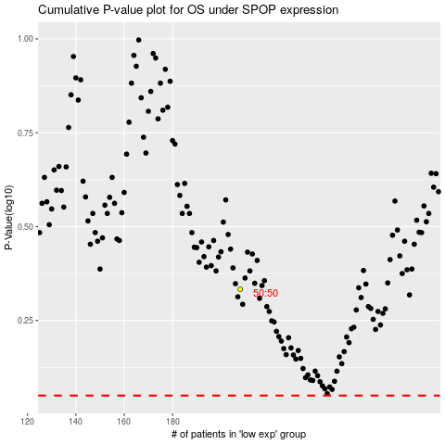

 |  |  |  |  |  | cases_OS | p_OS | rank | exp
 |  |  |  |  |  |  | cases_RFS | p_RFS | rank | exp

