SPPL2A _multivariate
Reported by Tex Li-Hsing Chi. tex@gate.sinica.edu.tw 2019-08-15

Table 2. The clinicopathological features of HNSCC cohort and SPPL2A expression. (Chi square test)
Cutoff at -0.15 (49.8%)
 |  | SPPL2A expression |  | SPPL2A expression |  | (Optimised)
 | Features | Low | (%) | High | (%) | Case no | P-value | Remark | Matthews
Gender | Female | 157 | 37.8 | 149 | 35.9 | 415 | 0.3881 | 0 | 0
2 | Male | 50 | 12 | 59 | 14.2
Age at diagnosis | <=65y | 140 | 33.7 | 134 | 32.3 | 415 | 0.5574 | 0 | 0
4 | >65y | 67 | 16.1 | 74 | 17.8
Clinical T Status | T1+T2 | 61 | 14.7 | 88 | 21.2 | 415 | 0.0087 | 1 | 0
6 | T3+T4 | 146 | 35.2 | 120 | 28.9
Clinical N Status | N0 | 101 | 24.3 | 115 | 27.7 | 415 | 0.2201 | 0 | 0
8 | N1-3 | 106 | 25.5 | 93 | 22.4
Clinical M Status | M0 | 207 | 49.9 | 205 | 49.4 | 415 | 0.2482 | 0 | 0
10 | M1 | 0 | 0 | 3 | 0.7
Clinical Stage | Stage I+II | 40 | 9.6 | 62 | 14.9 | 415 | 0.018 | 1 | 0
12 | Stage III+IV | 167 | 40.2 | 146 | 35.2
Surgical Margin status | Negative | 161 | 38.8 | 157 | 37.8 | 415 | 0.6429 | 0 | 0
14 | Positive | 46 | 11.1 | 51 | 12.3
Tobacco Exposure | Low | 75 | 18.1 | 86 | 20.7 | 415 | 0.3141 | 0 | 0
16 | High | 132 | 31.8 | 122 | 29.4

Table 3. Univariate/Multivariate Cox's proportional hazards regression analyses on OS time of SPPL2A gene expression in HNSCC

 |  | Univariate |  |  |  | Multivariate
 | Features | HR | CI95%(L) | CI95%(H) | P-value | HR | CI95%(L) | CI95%(H) | P-value
1 | Female | 1 |  |  |  | 1
Gender | Male | 1.157 | 0.843 | 1.587 | 0.367 | 1.202 | 0.86 | 1.679 | 0.281
11 | <=65y | 1 |  |  |  | 1
Age at diagnosis | >65y | 1.329 | 0.99 | 1.784 | 0.058 | 1.391 | 1.023 | 1.891 | 0.036
12 | T1+T2 | 1 |  |  |  | 1
Clinical T Status | T3+T4 | 1.409 | 1.028 | 1.931 | 0.033 | 2.205 | 1.166 | 4.172 | 0.015
13 | N0 | 1 |  |  |  | 1
Clinical N Status | N1-3 | 1.185 | 0.89 | 1.577 | 0.246 | 1.242 | 0.87 | 1.774 | 0.233
14 | M0 | 1 |  |  |  | 1
Clinical M Status | M1 | 4.097 | 1.009 | 16.644 | 0.049 | 9.338 | 2.024 | 43.084 | 0.004
15 | Stage I+II | 1 |  |  |  | 1
Clinical Stage | Stage III+IV | 1.245 | 0.882 | 1.759 | 0.213 | 0.505 | 0.235 | 1.083 | 0.079
16 | Negative | 1 |  |  |  | 1
Surgical Margin status | Positive | 1.591 | 1.155 | 2.191 | 0.004 | 1.672 | 1.21 | 2.31 | 0.002
17 | Low | 1 |  |  |  | 1
Tobacco Exposure | High | 1.364 | 1.008 | 1.844 | 0.044 | 1.455 | 1.055 | 2.007 | 0.022
18 | Low | 1 |  |  |  | 1
RNAseq(z-score) | High | 0.97 | 0.728 | 1.293 | 0.836 | 1.015 | 0.756 | 1.363 | 0.919

Table 4. Univariate/Multivariate Cox's proportional hazards regression analyses on RFS time of SPPL2A gene expression in HNSCC

 |  | Univariate |  |  |  | Multivariate
 | Features | HR | CI95%(L) | CI95%(H) | P-value | HR | CI95%(L) | CI95%(H) | P-value
1 | Female | 1 |  |  |  | 1
Gender | Male | 1.157 | 0.843 | 1.587 | 0.367 | 1.202 | 0.86 | 1.679 | 0.281
11 | <=65y | 1 |  |  |  | 1
Age at diagnosis | >65y | 1.329 | 0.99 | 1.784 | 0.058 | 1.391 | 1.023 | 1.891 | 0.036
12 | T1+T2 | 1 |  |  |  | 1
Clinical T Status | T3+T4 | 1.409 | 1.028 | 1.931 | 0.033 | 2.205 | 1.166 | 4.172 | 0.015
13 | N0 | 1 |  |  |  | 1
Clinical N Status | N1-3 | 1.185 | 0.89 | 1.577 | 0.246 | 1.242 | 0.87 | 1.774 | 0.233
14 | M0 | 1 |  |  |  | 1
Clinical M Status | M1 | 4.097 | 1.009 | 16.644 | 0.049 | 9.338 | 2.024 | 43.084 | 0.004
15 | Stage I+II | 1 |  |  |  | 1
Clinical Stage | Stage III+IV | 1.245 | 0.882 | 1.759 | 0.213 | 0.505 | 0.235 | 1.083 | 0.079
16 | Negative | 1 |  |  |  | 1
Surgical Margin status | Positive | 1.591 | 1.155 | 2.191 | 0.004 | 1.672 | 1.21 | 2.31 | 0.002
17 | Low | 1 |  |  |  | 1
Tobacco Exposure | High | 1.364 | 1.008 | 1.844 | 0.044 | 1.455 | 1.055 | 2.007 | 0.022
18 | Low | 1 |  |  |  | 1
RNAseq(z-score) | High | 0.97 | 0.728 | 1.293 | 0.836 | 1.015 | 0.756 | 1.363 | 0.919

Kaplan-Meier survival estimate: Cutoff at -0.15 (49.8%)



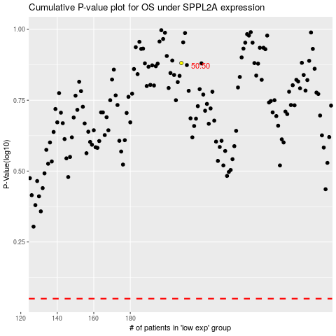

 |  |  |  |  |  | cases_OS | p_OS | rank | exp
 |  |  |  |  |  |  | cases_RFS | p_RFS | rank | exp

