SPPL2B _multivariate
Reported by Tex Li-Hsing Chi. tex@gate.sinica.edu.tw 2019-08-15

Table 2. The clinicopathological features of HNSCC cohort and SPPL2B expression. (Chi square test)
Cutoff at 0.175 (69.8%)
 |  | SPPL2B expression |  | SPPL2B expression |  | (Optimised)
 | Features | Low | (%) | High | (%) | Case no | P-value | Remark | Matthews
Gender | Female | 208 | 50.1 | 98 | 23.6 | 415 | 0.1949 | 0 | 0
2 | Male | 82 | 19.8 | 27 | 6.5
Age at diagnosis | <=65y | 196 | 47.2 | 78 | 18.8 | 415 | 0.3626 | 0 | 0
4 | >65y | 94 | 22.7 | 47 | 11.3
Clinical T Status | T1+T2 | 106 | 25.5 | 43 | 10.4 | 415 | 0.7583 | 0 | 0
6 | T3+T4 | 184 | 44.3 | 82 | 19.8
Clinical N Status | N0 | 148 | 35.7 | 68 | 16.4 | 415 | 0.6013 | 0 | 0
8 | N1-3 | 142 | 34.2 | 57 | 13.7
Clinical M Status | M0 | 288 | 69.4 | 124 | 29.9 | 415 | 1 | 0 | 0
10 | M1 | 2 | 0.5 | 1 | 0.2
Clinical Stage | Stage I+II | 76 | 18.3 | 26 | 6.3 | 415 | 0.294 | 0 | 0
12 | Stage III+IV | 214 | 51.6 | 99 | 23.9
Surgical Margin status | Negative | 223 | 53.7 | 95 | 22.9 | 415 | 0.8995 | 0 | 0
14 | Positive | 67 | 16.1 | 30 | 7.2
Tobacco Exposure | Low | 115 | 27.7 | 46 | 11.1 | 415 | 0.6607 | 0 | 0
16 | High | 175 | 42.2 | 79 | 19

Table 3. Univariate/Multivariate Cox's proportional hazards regression analyses on OS time of SPPL2B gene expression in HNSCC

 |  | Univariate |  |  |  | Multivariate
 | Features | HR | CI95%(L) | CI95%(H) | P-value | HR | CI95%(L) | CI95%(H) | P-value
1 | Female | 1 |  |  |  | 1
Gender | Male | 1.157 | 0.843 | 1.587 | 0.367 | 1.143 | 0.817 | 1.599 | 0.436
11 | <=65y | 1 |  |  |  | 1
Age at diagnosis | >65y | 1.329 | 0.99 | 1.784 | 0.058 | 1.489 | 1.092 | 2.031 | 0.012
12 | T1+T2 | 1 |  |  |  | 1
Clinical T Status | T3+T4 | 1.409 | 1.028 | 1.931 | 0.033 | 2.213 | 1.171 | 4.182 | 0.014
13 | N0 | 1 |  |  |  | 1
Clinical N Status | N1-3 | 1.185 | 0.89 | 1.577 | 0.246 | 1.289 | 0.903 | 1.841 | 0.162
14 | M0 | 1 |  |  |  | 1
Clinical M Status | M1 | 4.097 | 1.009 | 16.644 | 0.049 | 9.671 | 2.108 | 44.366 | 0.004
15 | Stage I+II | 1 |  |  |  | 1
Clinical Stage | Stage III+IV | 1.245 | 0.882 | 1.759 | 0.213 | 0.523 | 0.243 | 1.123 | 0.096
16 | Negative | 1 |  |  |  | 1
Surgical Margin status | Positive | 1.591 | 1.155 | 2.191 | 0.004 | 1.715 | 1.242 | 2.369 | 0.001
17 | Low | 1 |  |  |  | 1
Tobacco Exposure | High | 1.364 | 1.008 | 1.844 | 0.044 | 1.449 | 1.051 | 1.997 | 0.024
18 | Low | 1 |  |  |  | 1
RNAseq(z-score) | High | 0.615 | 0.434 | 0.872 | 0.006 | 0.568 | 0.398 | 0.809 | 0.002

Table 4. Univariate/Multivariate Cox's proportional hazards regression analyses on RFS time of SPPL2B gene expression in HNSCC

 |  | Univariate |  |  |  | Multivariate
 | Features | HR | CI95%(L) | CI95%(H) | P-value | HR | CI95%(L) | CI95%(H) | P-value
1 | Female | 1 |  |  |  | 1
Gender | Male | 1.157 | 0.843 | 1.587 | 0.367 | 1.143 | 0.817 | 1.599 | 0.436
11 | <=65y | 1 |  |  |  | 1
Age at diagnosis | >65y | 1.329 | 0.99 | 1.784 | 0.058 | 1.489 | 1.092 | 2.031 | 0.012
12 | T1+T2 | 1 |  |  |  | 1
Clinical T Status | T3+T4 | 1.409 | 1.028 | 1.931 | 0.033 | 2.213 | 1.171 | 4.182 | 0.014
13 | N0 | 1 |  |  |  | 1
Clinical N Status | N1-3 | 1.185 | 0.89 | 1.577 | 0.246 | 1.289 | 0.903 | 1.841 | 0.162
14 | M0 | 1 |  |  |  | 1
Clinical M Status | M1 | 4.097 | 1.009 | 16.644 | 0.049 | 9.671 | 2.108 | 44.366 | 0.004
15 | Stage I+II | 1 |  |  |  | 1
Clinical Stage | Stage III+IV | 1.245 | 0.882 | 1.759 | 0.213 | 0.523 | 0.243 | 1.123 | 0.096
16 | Negative | 1 |  |  |  | 1
Surgical Margin status | Positive | 1.591 | 1.155 | 2.191 | 0.004 | 1.715 | 1.242 | 2.369 | 0.001
17 | Low | 1 |  |  |  | 1
Tobacco Exposure | High | 1.364 | 1.008 | 1.844 | 0.044 | 1.449 | 1.051 | 1.997 | 0.024
18 | Low | 1 |  |  |  | 1
RNAseq(z-score) | High | 0.615 | 0.434 | 0.872 | 0.006 | 0.568 | 0.398 | 0.809 | 0.002

Kaplan-Meier survival estimate: Cutoff at 0.175 (69.8%)

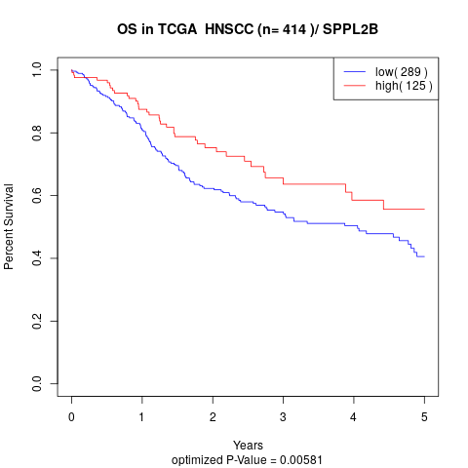

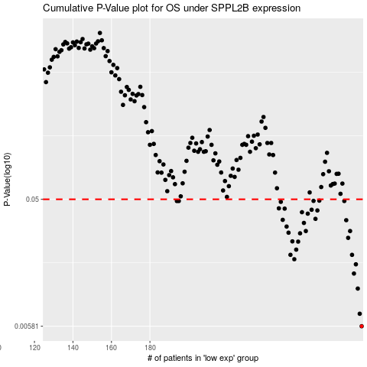

 |  |  |  |  |  | cases_OS | p_OS | rank | exp
 |  |  |  |  |  | 290 | 0.00581 | 261 | 0.17508843947
 |  |  |  |  |  | 289 | 0.00718 | 55 | 0.1742142673
 |  |  |  |  |  | 288 | 0.011 | 276 | 0.16801826219
 |  |  |  |  |  | 286 | 0.0142 | 53 | 0.15268952931
 |  |  |  |  |  | 287 | 0.0166 | 21 | 0.15471758718
 |  |  |  |  |  | 255 | 0.0181 | 310 | -0.032163391017
 |  |  |  |  |  | 253 | 0.0195 | 6 | -0.046907096835
 |  |  |  |  |  | 285 | 0.0195 | 361 | 0.15133838898
 |  |  |  |  |  | 256 | 0.0213 | 351 | -0.031743820714
 |  |  |  |  |  | 257 | 0.0244 | 294 | -0.027681507092
 |  |  |  |  |  | 254 | 0.0245 | 54 | -0.033905267982
 |  |  |  |  |  | 283 | 0.026 | 8 | 0.11708129568
 |  |  |  |  |  | 258 | 0.0281 | 231 | -0.019601881929
 |  |  |  |  |  | 252 | 0.0284 | 413 | -0.049266876629
 |  |  |  |  |  | 261 | 0.0292 | 195 | -0.0062209038041
 |  |  |  |  |  | 284 | 0.0292 | 274 | 0.12847463697
 |  |  |  |  |  | 251 | 0.0315 | 72 | -0.050641461159
 |  |  |  |  |  | 260 | 0.0335 | 401 | -0.013419619964
 |  |  |  |  |  | 282 | 0.0351 | 125 | 0.11323267457
 |  |  |  |  |  | 249 | 0.0353 | 350 | -0.065774017296
 |  |  |  |  |  | 266 | 0.0359 | 330 | 0.027544400288
 |  |  |  |  |  | 262 | 0.0392 | 272 | 0.0098461865716
 |  |  |  |  |  | 259 | 0.0402 | 412 | -0.018689175047
 |  |  |  |  |  | 267 | 0.0414 | 334 | 0.037557498104
 |  |  |  |  |  | 264 | 0.0419 | 303 | 0.014744137643
 |  |  |  |  |  | 250 | 0.0427 | 88 | -0.06003234457
 |  |  |  |  |  | 247 | 0.0429 | 312 | -0.066054269778
 |  |  |  |  |  | 248 | 0.0479 | 364 | -0.065979356134
 |  |  |  |  |  | 194 | 0.0486 | 179 | -0.29078846567
 |  |  |  |  |  | 281 | 0.0486 | 199 | 0.11114182937
 |  |  |  |  |  | 195 | 0.0486 | 374 | -0.28902853398
 |  |  |  |  |  | 265 | 0.0487 | 133 | 0.026845385924
 |  |  |  |  |  | 268 | 0.0489 | 127 | 0.040581260701
 |  |  |  |  |  |  | cases_RFS | p_RFS | rank | exp
 |  |  |  |  |  |  | 289 | 0.00581 | 55 | 0.1742142673
 |  |  |  |  |  |  | 288 | 0.00718 | 276 | 0.16801826219
 |  |  |  |  |  |  | 287 | 0.011 | 21 | 0.15471758718
 |  |  |  |  |  |  | 285 | 0.0142 | 361 | 0.15133838898
 |  |  |  |  |  |  | 286 | 0.0166 | 53 | 0.15268952931
 |  |  |  |  |  |  | 254 | 0.0181 | 54 | -0.033905267982
 |  |  |  |  |  |  | 284 | 0.0195 | 274 | 0.12847463697
 |  |  |  |  |  |  | 252 | 0.0195 | 413 | -0.049266876629
 |  |  |  |  |  |  | 255 | 0.0213 | 310 | -0.032163391017
 |  |  |  |  |  |  | 256 | 0.0244 | 351 | -0.031743820714
 |  |  |  |  |  |  | 253 | 0.0245 | 6 | -0.046907096835
 |  |  |  |  |  |  | 282 | 0.026 | 125 | 0.11323267457
 |  |  |  |  |  |  | 257 | 0.0281 | 294 | -0.027681507092
 |  |  |  |  |  |  | 251 | 0.0284 | 72 | -0.050641461159
 |  |  |  |  |  |  | 283 | 0.0292 | 8 | 0.11708129568
 |  |  |  |  |  |  | 260 | 0.0292 | 401 | -0.013419619964
 |  |  |  |  |  |  | 250 | 0.0315 | 88 | -0.06003234457
 |  |  |  |  |  |  | 259 | 0.0335 | 412 | -0.018689175047
 |  |  |  |  |  |  | 281 | 0.0351 | 199 | 0.11114182937
 |  |  |  |  |  |  | 248 | 0.0353 | 364 | -0.065979356134
 |  |  |  |  |  |  | 265 | 0.0359 | 133 | 0.026845385924
 |  |  |  |  |  |  | 261 | 0.0392 | 195 | -0.0062209038041
 |  |  |  |  |  |  | 258 | 0.0402 | 231 | -0.019601881929
 |  |  |  |  |  |  | 266 | 0.0414 | 330 | 0.027544400288
 |  |  |  |  |  |  | 263 | 0.0419 | 67 | 0.011159870081
 |  |  |  |  |  |  | 249 | 0.0427 | 350 | -0.065774017296
 |  |  |  |  |  |  | 246 | 0.0429 | 198 | -0.069722343611
 |  |  |  |  |  |  | 247 | 0.0479 | 312 | -0.066054269778
 |  |  |  |  |  |  | 193 | 0.0486 | 38 | -0.29178551777
 |  |  |  |  |  |  | 194 | 0.0486 | 179 | -0.29078846567
 |  |  |  |  |  |  | 280 | 0.0486 | 207 | 0.10924069355
 |  |  |  |  |  |  | 264 | 0.0487 | 303 | 0.014744137643
 |  |  |  |  |  |  | 267 | 0.0489 | 334 | 0.037557498104

