SPPL3 _multivariate
Reported by Tex Li-Hsing Chi. tex@gate.sinica.edu.tw 2019-08-15

Table 2. The clinicopathological features of HNSCC cohort and SPPL3 expression. (Chi square test)
Cutoff at 0.114 (61.6%)
 |  | SPPL3 expression |  | SPPL3 expression |  | (Optimised)
 | Features | Low | (%) | High | (%) | Case no | P-value | Remark | Matthews
Gender | Female | 190 | 45.8 | 116 | 28 | 415 | 0.7352 | 0 | 0
2 | Male | 65 | 15.7 | 44 | 10.6
Age at diagnosis | <=65y | 169 | 40.7 | 105 | 25.3 | 415 | 0.9765 | 0 | 0
4 | >65y | 86 | 20.7 | 55 | 13.3
Clinical T Status | T1+T2 | 97 | 23.4 | 52 | 12.5 | 415 | 0.2984 | 0 | 0
6 | T3+T4 | 158 | 38.1 | 108 | 26
Clinical N Status | N0 | 122 | 29.4 | 94 | 22.7 | 415 | 0.039 | 1 | 0
8 | N1-3 | 133 | 32 | 66 | 15.9
Clinical M Status | M0 | 253 | 61 | 159 | 38.3 | 415 | 1 | 0 | 0
10 | M1 | 2 | 0.5 | 1 | 0.2
Clinical Stage | Stage I+II | 64 | 15.4 | 38 | 9.2 | 415 | 0.8467 | 0 | 0
12 | Stage III+IV | 191 | 46 | 122 | 29.4
Surgical Margin status | Negative | 189 | 45.5 | 129 | 31.1 | 415 | 0.1527 | 0 | 0
14 | Positive | 66 | 15.9 | 31 | 7.5
Tobacco Exposure | Low | 95 | 22.9 | 66 | 15.9 | 415 | 0.4689 | 0 | 0
16 | High | 160 | 38.6 | 94 | 22.7

Table 3. Univariate/Multivariate Cox's proportional hazards regression analyses on OS time of SPPL3 gene expression in HNSCC

 |  | Univariate |  |  |  | Multivariate
 | Features | HR | CI95%(L) | CI95%(H) | P-value | HR | CI95%(L) | CI95%(H) | P-value
1 | Female | 1 |  |  |  | 1
Gender | Male | 1.157 | 0.843 | 1.587 | 0.367 | 1.196 | 0.854 | 1.675 | 0.298
11 | <=65y | 1 |  |  |  | 1
Age at diagnosis | >65y | 1.329 | 0.99 | 1.784 | 0.058 | 1.382 | 1.017 | 1.877 | 0.039
12 | T1+T2 | 1 |  |  |  | 1
Clinical T Status | T3+T4 | 1.409 | 1.028 | 1.931 | 0.033 | 2.22 | 1.174 | 4.198 | 0.014
13 | N0 | 1 |  |  |  | 1
Clinical N Status | N1-3 | 1.185 | 0.89 | 1.577 | 0.246 | 1.173 | 0.819 | 1.681 | 0.384
14 | M0 | 1 |  |  |  | 1
Clinical M Status | M1 | 4.097 | 1.009 | 16.644 | 0.049 | 9.54 | 2.082 | 43.709 | 0.004
15 | Stage I+II | 1 |  |  |  | 1
Clinical Stage | Stage III+IV | 1.245 | 0.882 | 1.759 | 0.213 | 0.538 | 0.25 | 1.159 | 0.113
16 | Negative | 1 |  |  |  | 1
Surgical Margin status | Positive | 1.591 | 1.155 | 2.191 | 0.004 | 1.625 | 1.176 | 2.247 | 0.003
17 | Low | 1 |  |  |  | 1
Tobacco Exposure | High | 1.364 | 1.008 | 1.844 | 0.044 | 1.445 | 1.048 | 1.992 | 0.025
18 | Low | 1 |  |  |  | 1
RNAseq(z-score) | High | 0.726 | 0.536 | 0.982 | 0.037 | 0.739 | 0.542 | 1.007 | 0.055

Table 4. Univariate/Multivariate Cox's proportional hazards regression analyses on RFS time of SPPL3 gene expression in HNSCC

 |  | Univariate |  |  |  | Multivariate
 | Features | HR | CI95%(L) | CI95%(H) | P-value | HR | CI95%(L) | CI95%(H) | P-value
1 | Female | 1 |  |  |  | 1
Gender | Male | 1.157 | 0.843 | 1.587 | 0.367 | 1.196 | 0.854 | 1.675 | 0.298
11 | <=65y | 1 |  |  |  | 1
Age at diagnosis | >65y | 1.329 | 0.99 | 1.784 | 0.058 | 1.382 | 1.017 | 1.877 | 0.039
12 | T1+T2 | 1 |  |  |  | 1
Clinical T Status | T3+T4 | 1.409 | 1.028 | 1.931 | 0.033 | 2.22 | 1.174 | 4.198 | 0.014
13 | N0 | 1 |  |  |  | 1
Clinical N Status | N1-3 | 1.185 | 0.89 | 1.577 | 0.246 | 1.173 | 0.819 | 1.681 | 0.384
14 | M0 | 1 |  |  |  | 1
Clinical M Status | M1 | 4.097 | 1.009 | 16.644 | 0.049 | 9.54 | 2.082 | 43.709 | 0.004
15 | Stage I+II | 1 |  |  |  | 1
Clinical Stage | Stage III+IV | 1.245 | 0.882 | 1.759 | 0.213 | 0.538 | 0.25 | 1.159 | 0.113
16 | Negative | 1 |  |  |  | 1
Surgical Margin status | Positive | 1.591 | 1.155 | 2.191 | 0.004 | 1.625 | 1.176 | 2.247 | 0.003
17 | Low | 1 |  |  |  | 1
Tobacco Exposure | High | 1.364 | 1.008 | 1.844 | 0.044 | 1.445 | 1.048 | 1.992 | 0.025
18 | Low | 1 |  |  |  | 1
RNAseq(z-score) | High | 0.726 | 0.536 | 0.982 | 0.037 | 0.739 | 0.542 | 1.007 | 0.055

Kaplan-Meier survival estimate: Cutoff at 0.114 (61.6%)



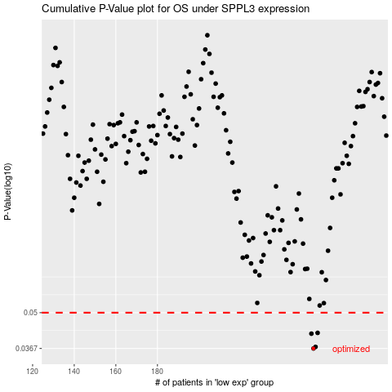

 |  |  |  |  |  | cases_OS | p_OS | rank | exp
 |  |  |  |  |  | 255 | 0.0367 | 291 | 0.11385152204
 |  |  |  |  |  | 256 | 0.0372 | 299 | 0.1138617412
 |  |  |  |  |  | 254 | 0.0417 | 278 | 0.10040515195
 |  |  |  |  |  | 257 | 0.042 | 106 | 0.12161720734
 |  |  |  |  |  |  | cases_RFS | p_RFS | rank | exp
 |  |  |  |  |  |  | 254 | 0.0367 | 278 | 0.10040515195
 |  |  |  |  |  |  | 255 | 0.0372 | 291 | 0.11385152204
 |  |  |  |  |  |  | 253 | 0.0417 | 196 | 0.098657967644
 |  |  |  |  |  |  | 256 | 0.042 | 299 | 0.1138617412

