SPRED1 _multivariate
Reported by Tex Li-Hsing Chi. tex@gate.sinica.edu.tw 2019-08-15

Table 2. The clinicopathological features of HNSCC cohort and SPRED1 expression. (Chi square test)
Cutoff at -0.128 (49.8%)
 |  | SPRED1 expression |  | SPRED1 expression |  | (Optimised)
 | Features | Low | (%) | High | (%) | Case no | P-value | Remark | Matthews
Gender | Female | 160 | 38.6 | 146 | 35.2 | 415 | 0.1254 | 0 | 0
2 | Male | 47 | 11.3 | 62 | 14.9
Age at diagnosis | <=65y | 143 | 34.5 | 131 | 31.6 | 415 | 0.2269 | 0 | 0
4 | >65y | 64 | 15.4 | 77 | 18.6
Clinical T Status | T1+T2 | 70 | 16.9 | 79 | 19 | 415 | 0.4343 | 0 | 0
6 | T3+T4 | 137 | 33 | 129 | 31.1
Clinical N Status | N0 | 104 | 25.1 | 112 | 27 | 415 | 0.5243 | 0 | 0
8 | N1-3 | 103 | 24.8 | 96 | 23.1
Clinical M Status | M0 | 204 | 49.2 | 208 | 50.1 | 415 | 0.1232 | 0 | 0
10 | M1 | 3 | 0.7 | 0 | 0
Clinical Stage | Stage I+II | 41 | 9.9 | 61 | 14.7 | 415 | 0.0325 | 1 | 0
12 | Stage III+IV | 166 | 40 | 147 | 35.4
Surgical Margin status | Negative | 159 | 38.3 | 159 | 38.3 | 415 | 1 | 0 | 0
14 | Positive | 48 | 11.6 | 49 | 11.8
Tobacco Exposure | Low | 81 | 19.5 | 80 | 19.3 | 415 | 0.9199 | 0 | 0
16 | High | 126 | 30.4 | 128 | 30.8

Table 3. Univariate/Multivariate Cox's proportional hazards regression analyses on OS time of SPRED1 gene expression in HNSCC

 |  | Univariate |  |  |  | Multivariate
 | Features | HR | CI95%(L) | CI95%(H) | P-value | HR | CI95%(L) | CI95%(H) | P-value
1 | Female | 1 |  |  |  | 1
Gender | Male | 1.157 | 0.843 | 1.587 | 0.367 | 1.202 | 0.861 | 1.68 | 0.28
11 | <=65y | 1 |  |  |  | 1
Age at diagnosis | >65y | 1.329 | 0.99 | 1.784 | 0.058 | 1.391 | 1.024 | 1.891 | 0.035
12 | T1+T2 | 1 |  |  |  | 1
Clinical T Status | T3+T4 | 1.409 | 1.028 | 1.931 | 0.033 | 2.221 | 1.174 | 4.202 | 0.014
13 | N0 | 1 |  |  |  | 1
Clinical N Status | N1-3 | 1.185 | 0.89 | 1.577 | 0.246 | 1.25 | 0.875 | 1.785 | 0.22
14 | M0 | 1 |  |  |  | 1
Clinical M Status | M1 | 4.097 | 1.009 | 16.644 | 0.049 | 9.079 | 1.971 | 41.815 | 0.005
15 | Stage I+II | 1 |  |  |  | 1
Clinical Stage | Stage III+IV | 1.245 | 0.882 | 1.759 | 0.213 | 0.494 | 0.229 | 1.064 | 0.072
16 | Negative | 1 |  |  |  | 1
Surgical Margin status | Positive | 1.591 | 1.155 | 2.191 | 0.004 | 1.664 | 1.204 | 2.3 | 0.002
17 | Low | 1 |  |  |  | 1
Tobacco Exposure | High | 1.364 | 1.008 | 1.844 | 0.044 | 1.45 | 1.053 | 1.998 | 0.023
18 | Low | 1 |  |  |  | 1
RNAseq(z-score) | High | 0.907 | 0.681 | 1.208 | 0.505 | 0.92 | 0.688 | 1.231 | 0.575

Table 4. Univariate/Multivariate Cox's proportional hazards regression analyses on RFS time of SPRED1 gene expression in HNSCC

 |  | Univariate |  |  |  | Multivariate
 | Features | HR | CI95%(L) | CI95%(H) | P-value | HR | CI95%(L) | CI95%(H) | P-value
1 | Female | 1 |  |  |  | 1
Gender | Male | 1.157 | 0.843 | 1.587 | 0.367 | 1.202 | 0.861 | 1.68 | 0.28
11 | <=65y | 1 |  |  |  | 1
Age at diagnosis | >65y | 1.329 | 0.99 | 1.784 | 0.058 | 1.391 | 1.024 | 1.891 | 0.035
12 | T1+T2 | 1 |  |  |  | 1
Clinical T Status | T3+T4 | 1.409 | 1.028 | 1.931 | 0.033 | 2.221 | 1.174 | 4.202 | 0.014
13 | N0 | 1 |  |  |  | 1
Clinical N Status | N1-3 | 1.185 | 0.89 | 1.577 | 0.246 | 1.25 | 0.875 | 1.785 | 0.22
14 | M0 | 1 |  |  |  | 1
Clinical M Status | M1 | 4.097 | 1.009 | 16.644 | 0.049 | 9.079 | 1.971 | 41.815 | 0.005
15 | Stage I+II | 1 |  |  |  | 1
Clinical Stage | Stage III+IV | 1.245 | 0.882 | 1.759 | 0.213 | 0.494 | 0.229 | 1.064 | 0.072
16 | Negative | 1 |  |  |  | 1
Surgical Margin status | Positive | 1.591 | 1.155 | 2.191 | 0.004 | 1.664 | 1.204 | 2.3 | 0.002
17 | Low | 1 |  |  |  | 1
Tobacco Exposure | High | 1.364 | 1.008 | 1.844 | 0.044 | 1.45 | 1.053 | 1.998 | 0.023
18 | Low | 1 |  |  |  | 1
RNAseq(z-score) | High | 0.907 | 0.681 | 1.208 | 0.505 | 0.92 | 0.688 | 1.231 | 0.575

Kaplan-Meier survival estimate: Cutoff at -0.128 (49.8%)



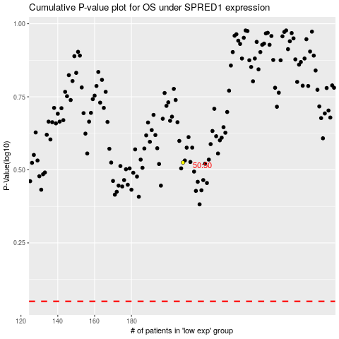

 |  |  |  |  |  | cases_OS | p_OS | rank | exp
 |  |  |  |  |  |  | cases_RFS | p_RFS | rank | exp

