SPRED2 _multivariate
Reported by Tex Li-Hsing Chi. tex@gate.sinica.edu.tw 2019-08-15

Table 2. The clinicopathological features of HNSCC cohort and SPRED2 expression. (Chi square test)
Cutoff at -0.113 (49.8%)
 |  | SPRED2 expression |  | SPRED2 expression |  | (Optimised)
 | Features | Low | (%) | High | (%) | Case no | P-value | Remark | Matthews
Gender | Female | 150 | 36.1 | 156 | 37.6 | 415 | 0.6344 | 0 | 0
2 | Male | 57 | 13.7 | 52 | 12.5
Age at diagnosis | <=65y | 129 | 31.1 | 145 | 34.9 | 415 | 0.1372 | 0 | 0
4 | >65y | 78 | 18.8 | 63 | 15.2
Clinical T Status | T1+T2 | 82 | 19.8 | 67 | 16.1 | 415 | 0.1417 | 0 | 0
6 | T3+T4 | 125 | 30.1 | 141 | 34
Clinical N Status | N0 | 112 | 27 | 104 | 25.1 | 415 | 0.4599 | 0 | 0
8 | N1-3 | 95 | 22.9 | 104 | 25.1
Clinical M Status | M0 | 204 | 49.2 | 208 | 50.1 | 415 | 0.1232 | 0 | 0
10 | M1 | 3 | 0.7 | 0 | 0
Clinical Stage | Stage I+II | 53 | 12.8 | 49 | 11.8 | 415 | 0.7113 | 0 | 0
12 | Stage III+IV | 154 | 37.1 | 159 | 38.3
Surgical Margin status | Negative | 153 | 36.9 | 165 | 39.8 | 415 | 0.2036 | 0 | 0
14 | Positive | 54 | 13 | 43 | 10.4
Tobacco Exposure | Low | 86 | 20.7 | 75 | 18.1 | 415 | 0.2687 | 0 | 0
16 | High | 121 | 29.2 | 133 | 32

Table 3. Univariate/Multivariate Cox's proportional hazards regression analyses on OS time of SPRED2 gene expression in HNSCC

 |  | Univariate |  |  |  | Multivariate
 | Features | HR | CI95%(L) | CI95%(H) | P-value | HR | CI95%(L) | CI95%(H) | P-value
1 | Female | 1 |  |  |  | 1
Gender | Male | 1.157 | 0.843 | 1.587 | 0.367 | 1.22 | 0.872 | 1.706 | 0.246
11 | <=65y | 1 |  |  |  | 1
Age at diagnosis | >65y | 1.329 | 0.99 | 1.784 | 0.058 | 1.445 | 1.059 | 1.971 | 0.02
12 | T1+T2 | 1 |  |  |  | 1
Clinical T Status | T3+T4 | 1.409 | 1.028 | 1.931 | 0.033 | 2.165 | 1.144 | 4.096 | 0.018
13 | N0 | 1 |  |  |  | 1
Clinical N Status | N1-3 | 1.185 | 0.89 | 1.577 | 0.246 | 1.244 | 0.871 | 1.775 | 0.23
14 | M0 | 1 |  |  |  | 1
Clinical M Status | M1 | 4.097 | 1.009 | 16.644 | 0.049 | 10.801 | 2.335 | 49.96 | 0.002
15 | Stage I+II | 1 |  |  |  | 1
Clinical Stage | Stage III+IV | 1.245 | 0.882 | 1.759 | 0.213 | 0.508 | 0.236 | 1.091 | 0.082
16 | Negative | 1 |  |  |  | 1
Surgical Margin status | Positive | 1.591 | 1.155 | 2.191 | 0.004 | 1.767 | 1.27 | 2.458 | 0.001
17 | Low | 1 |  |  |  | 1
Tobacco Exposure | High | 1.364 | 1.008 | 1.844 | 0.044 | 1.447 | 1.05 | 1.993 | 0.024
18 | Low | 1 |  |  |  | 1
RNAseq(z-score) | High | 1.149 | 0.86 | 1.534 | 0.348 | 1.302 | 0.963 | 1.759 | 0.086

Table 4. Univariate/Multivariate Cox's proportional hazards regression analyses on RFS time of SPRED2 gene expression in HNSCC

 |  | Univariate |  |  |  | Multivariate
 | Features | HR | CI95%(L) | CI95%(H) | P-value | HR | CI95%(L) | CI95%(H) | P-value
1 | Female | 1 |  |  |  | 1
Gender | Male | 1.157 | 0.843 | 1.587 | 0.367 | 1.22 | 0.872 | 1.706 | 0.246
11 | <=65y | 1 |  |  |  | 1
Age at diagnosis | >65y | 1.329 | 0.99 | 1.784 | 0.058 | 1.445 | 1.059 | 1.971 | 0.02
12 | T1+T2 | 1 |  |  |  | 1
Clinical T Status | T3+T4 | 1.409 | 1.028 | 1.931 | 0.033 | 2.165 | 1.144 | 4.096 | 0.018
13 | N0 | 1 |  |  |  | 1
Clinical N Status | N1-3 | 1.185 | 0.89 | 1.577 | 0.246 | 1.244 | 0.871 | 1.775 | 0.23
14 | M0 | 1 |  |  |  | 1
Clinical M Status | M1 | 4.097 | 1.009 | 16.644 | 0.049 | 10.801 | 2.335 | 49.96 | 0.002
15 | Stage I+II | 1 |  |  |  | 1
Clinical Stage | Stage III+IV | 1.245 | 0.882 | 1.759 | 0.213 | 0.508 | 0.236 | 1.091 | 0.082
16 | Negative | 1 |  |  |  | 1
Surgical Margin status | Positive | 1.591 | 1.155 | 2.191 | 0.004 | 1.767 | 1.27 | 2.458 | 0.001
17 | Low | 1 |  |  |  | 1
Tobacco Exposure | High | 1.364 | 1.008 | 1.844 | 0.044 | 1.447 | 1.05 | 1.993 | 0.024
18 | Low | 1 |  |  |  | 1
RNAseq(z-score) | High | 1.149 | 0.86 | 1.534 | 0.348 | 1.302 | 0.963 | 1.759 | 0.086

Kaplan-Meier survival estimate: Cutoff at -0.113 (49.8%)



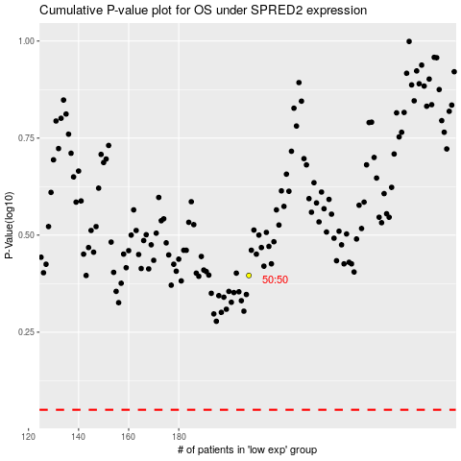

 |  |  |  |  |  | cases_OS | p_OS | rank | exp
 |  |  |  |  |  |  | cases_RFS | p_RFS | rank | exp

