SPRED3 _multivariate
Reported by Tex Li-Hsing Chi. tex@gate.sinica.edu.tw 2019-08-15

Table 2. The clinicopathological features of HNSCC cohort and SPRED3 expression. (Chi square test)
Cutoff at -0.17 (50.0%)
 |  | SPRED3 expression |  | SPRED3 expression |  | (Optimised)
 | Features | Low | (%) | High | (%) | Case no | P-value | Remark | Matthews
Gender | Female | 150 | 36.1 | 156 | 37.6 | 415 | 0.6344 | 0 | 0
2 | Male | 57 | 13.7 | 52 | 12.5
Age at diagnosis | <=65y | 143 | 34.5 | 131 | 31.6 | 415 | 0.2269 | 0 | 0
4 | >65y | 64 | 15.4 | 77 | 18.6
Clinical T Status | T1+T2 | 84 | 20.2 | 65 | 15.7 | 415 | 0.0603 | 0 | 0
6 | T3+T4 | 123 | 29.6 | 143 | 34.5
Clinical N Status | N0 | 103 | 24.8 | 113 | 27.2 | 415 | 0.4047 | 0 | 0
8 | N1-3 | 104 | 25.1 | 95 | 22.9
Clinical M Status | M0 | 205 | 49.4 | 207 | 49.9 | 415 | 0.6232 | 0 | 0
10 | M1 | 2 | 0.5 | 1 | 0.2
Clinical Stage | Stage I+II | 53 | 12.8 | 49 | 11.8 | 415 | 0.7113 | 0 | 0
12 | Stage III+IV | 154 | 37.1 | 159 | 38.3
Surgical Margin status | Negative | 157 | 37.8 | 161 | 38.8 | 415 | 0.729 | 0 | 0
14 | Positive | 50 | 12 | 47 | 11.3
Tobacco Exposure | Low | 88 | 21.2 | 73 | 17.6 | 415 | 0.1314 | 0 | 0
16 | High | 119 | 28.7 | 135 | 32.5

Table 3. Univariate/Multivariate Cox's proportional hazards regression analyses on OS time of SPRED3 gene expression in HNSCC

 |  | Univariate |  |  |  | Multivariate
 | Features | HR | CI95%(L) | CI95%(H) | P-value | HR | CI95%(L) | CI95%(H) | P-value
1 | Female | 1 |  |  |  | 1
Gender | Male | 1.157 | 0.843 | 1.587 | 0.367 | 1.206 | 0.863 | 1.684 | 0.273
11 | <=65y | 1 |  |  |  | 1
Age at diagnosis | >65y | 1.329 | 0.99 | 1.784 | 0.058 | 1.383 | 1.017 | 1.882 | 0.039
12 | T1+T2 | 1 |  |  |  | 1
Clinical T Status | T3+T4 | 1.409 | 1.028 | 1.931 | 0.033 | 2.174 | 1.149 | 4.114 | 0.017
13 | N0 | 1 |  |  |  | 1
Clinical N Status | N1-3 | 1.185 | 0.89 | 1.577 | 0.246 | 1.251 | 0.876 | 1.787 | 0.218
14 | M0 | 1 |  |  |  | 1
Clinical M Status | M1 | 4.097 | 1.009 | 16.644 | 0.049 | 9.568 | 2.086 | 43.889 | 0.004
15 | Stage I+II | 1 |  |  |  | 1
Clinical Stage | Stage III+IV | 1.245 | 0.882 | 1.759 | 0.213 | 0.508 | 0.237 | 1.091 | 0.082
16 | Negative | 1 |  |  |  | 1
Surgical Margin status | Positive | 1.591 | 1.155 | 2.191 | 0.004 | 1.682 | 1.217 | 2.325 | 0.002
17 | Low | 1 |  |  |  | 1
Tobacco Exposure | High | 1.364 | 1.008 | 1.844 | 0.044 | 1.442 | 1.046 | 1.988 | 0.025
18 | Low | 1 |  |  |  | 1
RNAseq(z-score) | High | 1.125 | 0.843 | 1.503 | 0.423 | 1.108 | 0.826 | 1.485 | 0.494

Table 4. Univariate/Multivariate Cox's proportional hazards regression analyses on RFS time of SPRED3 gene expression in HNSCC

 |  | Univariate |  |  |  | Multivariate
 | Features | HR | CI95%(L) | CI95%(H) | P-value | HR | CI95%(L) | CI95%(H) | P-value
1 | Female | 1 |  |  |  | 1
Gender | Male | 1.157 | 0.843 | 1.587 | 0.367 | 1.206 | 0.863 | 1.684 | 0.273
11 | <=65y | 1 |  |  |  | 1
Age at diagnosis | >65y | 1.329 | 0.99 | 1.784 | 0.058 | 1.383 | 1.017 | 1.882 | 0.039
12 | T1+T2 | 1 |  |  |  | 1
Clinical T Status | T3+T4 | 1.409 | 1.028 | 1.931 | 0.033 | 2.174 | 1.149 | 4.114 | 0.017
13 | N0 | 1 |  |  |  | 1
Clinical N Status | N1-3 | 1.185 | 0.89 | 1.577 | 0.246 | 1.251 | 0.876 | 1.787 | 0.218
14 | M0 | 1 |  |  |  | 1
Clinical M Status | M1 | 4.097 | 1.009 | 16.644 | 0.049 | 9.568 | 2.086 | 43.889 | 0.004
15 | Stage I+II | 1 |  |  |  | 1
Clinical Stage | Stage III+IV | 1.245 | 0.882 | 1.759 | 0.213 | 0.508 | 0.237 | 1.091 | 0.082
16 | Negative | 1 |  |  |  | 1
Surgical Margin status | Positive | 1.591 | 1.155 | 2.191 | 0.004 | 1.682 | 1.217 | 2.325 | 0.002
17 | Low | 1 |  |  |  | 1
Tobacco Exposure | High | 1.364 | 1.008 | 1.844 | 0.044 | 1.442 | 1.046 | 1.988 | 0.025
18 | Low | 1 |  |  |  | 1
RNAseq(z-score) | High | 1.125 | 0.843 | 1.503 | 0.423 | 1.108 | 0.826 | 1.485 | 0.494

Kaplan-Meier survival estimate: Cutoff at -0.17 (50.0%)



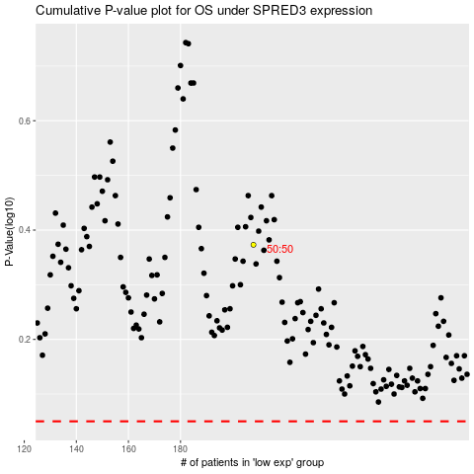

 |  |  |  |  |  | cases_OS | p_OS | rank | exp
 |  |  |  |  |  |  | cases_RFS | p_RFS | rank | exp

