SPRR2A _multivariate
Reported by Tex Li-Hsing Chi. tex@gate.sinica.edu.tw 2019-08-15

Table 2. The clinicopathological features of HNSCC cohort and SPRR2A expression. (Chi square test)
Cutoff at -0.161 (67.6%)
 |  | SPRR2A expression |  | SPRR2A expression |  | (Optimised)
 | Features | Low | (%) | High | (%) | Case no | P-value | Remark | Matthews
Gender | Female | 212 | 51.1 | 94 | 22.7 | 415 | 0.2299 | 0 | 0
2 | Male | 68 | 16.4 | 41 | 9.9
Age at diagnosis | <=65y | 187 | 45.1 | 87 | 21 | 415 | 0.718 | 0 | 0
4 | >65y | 93 | 22.4 | 48 | 11.6
Clinical T Status | T1+T2 | 102 | 24.6 | 47 | 11.3 | 415 | 0.8322 | 0 | 0
6 | T3+T4 | 178 | 42.9 | 88 | 21.2
Clinical N Status | N0 | 134 | 32.3 | 82 | 19.8 | 415 | 0.0185 | 1 | 0
8 | N1-3 | 146 | 35.2 | 53 | 12.8
Clinical M Status | M0 | 278 | 67 | 134 | 32.3 | 415 | 1 | 0 | 0
10 | M1 | 2 | 0.5 | 1 | 0.2
Clinical Stage | Stage I+II | 67 | 16.1 | 35 | 8.4 | 415 | 0.7482 | 0 | 0
12 | Stage III+IV | 213 | 51.3 | 100 | 24.1
Surgical Margin status | Negative | 208 | 50.1 | 110 | 26.5 | 415 | 0.1094 | 0 | 0
14 | Positive | 72 | 17.3 | 25 | 6
Tobacco Exposure | Low | 102 | 24.6 | 59 | 14.2 | 415 | 0.1633 | 0 | 0
16 | High | 178 | 42.9 | 76 | 18.3

Table 3. Univariate/Multivariate Cox's proportional hazards regression analyses on OS time of SPRR2A gene expression in HNSCC

 |  | Univariate |  |  |  | Multivariate
 | Features | HR | CI95%(L) | CI95%(H) | P-value | HR | CI95%(L) | CI95%(H) | P-value
1 | Female | 1 |  |  |  | 1
Gender | Male | 1.157 | 0.843 | 1.587 | 0.367 | 1.266 | 0.905 | 1.771 | 0.169
11 | <=65y | 1 |  |  |  | 1
Age at diagnosis | >65y | 1.329 | 0.99 | 1.784 | 0.058 | 1.404 | 1.033 | 1.908 | 0.03
12 | T1+T2 | 1 |  |  |  | 1
Clinical T Status | T3+T4 | 1.409 | 1.028 | 1.931 | 0.033 | 2.247 | 1.189 | 4.246 | 0.013
13 | N0 | 1 |  |  |  | 1
Clinical N Status | N1-3 | 1.185 | 0.89 | 1.577 | 0.246 | 1.153 | 0.804 | 1.653 | 0.44
14 | M0 | 1 |  |  |  | 1
Clinical M Status | M1 | 4.097 | 1.009 | 16.644 | 0.049 | 10.394 | 2.262 | 47.762 | 0.003
15 | Stage I+II | 1 |  |  |  | 1
Clinical Stage | Stage III+IV | 1.245 | 0.882 | 1.759 | 0.213 | 0.519 | 0.241 | 1.114 | 0.092
16 | Negative | 1 |  |  |  | 1
Surgical Margin status | Positive | 1.591 | 1.155 | 2.191 | 0.004 | 1.655 | 1.197 | 2.288 | 0.002
17 | Low | 1 |  |  |  | 1
Tobacco Exposure | High | 1.364 | 1.008 | 1.844 | 0.044 | 1.426 | 1.035 | 1.964 | 0.03
18 | Low | 1 |  |  |  | 1
RNAseq(z-score) | High | 0.646 | 0.465 | 0.897 | 0.009 | 0.636 | 0.454 | 0.892 | 0.009

Table 4. Univariate/Multivariate Cox's proportional hazards regression analyses on RFS time of SPRR2A gene expression in HNSCC

 |  | Univariate |  |  |  | Multivariate
 | Features | HR | CI95%(L) | CI95%(H) | P-value | HR | CI95%(L) | CI95%(H) | P-value
1 | Female | 1 |  |  |  | 1
Gender | Male | 1.157 | 0.843 | 1.587 | 0.367 | 1.266 | 0.905 | 1.771 | 0.169
11 | <=65y | 1 |  |  |  | 1
Age at diagnosis | >65y | 1.329 | 0.99 | 1.784 | 0.058 | 1.404 | 1.033 | 1.908 | 0.03
12 | T1+T2 | 1 |  |  |  | 1
Clinical T Status | T3+T4 | 1.409 | 1.028 | 1.931 | 0.033 | 2.247 | 1.189 | 4.246 | 0.013
13 | N0 | 1 |  |  |  | 1
Clinical N Status | N1-3 | 1.185 | 0.89 | 1.577 | 0.246 | 1.153 | 0.804 | 1.653 | 0.44
14 | M0 | 1 |  |  |  | 1
Clinical M Status | M1 | 4.097 | 1.009 | 16.644 | 0.049 | 10.394 | 2.262 | 47.762 | 0.003
15 | Stage I+II | 1 |  |  |  | 1
Clinical Stage | Stage III+IV | 1.245 | 0.882 | 1.759 | 0.213 | 0.519 | 0.241 | 1.114 | 0.092
16 | Negative | 1 |  |  |  | 1
Surgical Margin status | Positive | 1.591 | 1.155 | 2.191 | 0.004 | 1.655 | 1.197 | 2.288 | 0.002
17 | Low | 1 |  |  |  | 1
Tobacco Exposure | High | 1.364 | 1.008 | 1.844 | 0.044 | 1.426 | 1.035 | 1.964 | 0.03
18 | Low | 1 |  |  |  | 1
RNAseq(z-score) | High | 0.646 | 0.465 | 0.897 | 0.009 | 0.636 | 0.454 | 0.892 | 0.009

Kaplan-Meier survival estimate: Cutoff at -0.161 (67.6%)

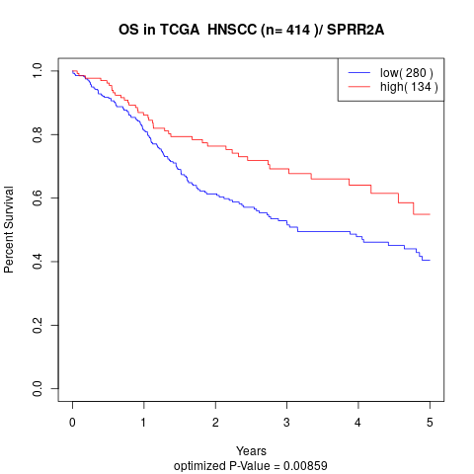

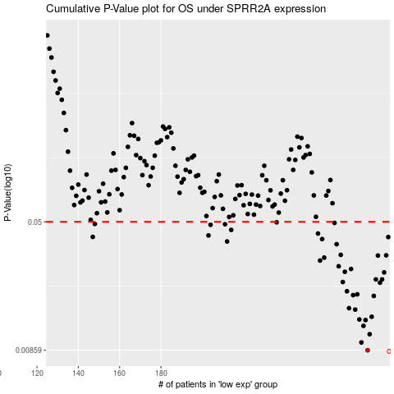

 |  |  |  |  |  | cases_OS | p_OS | rank | exp
 |  |  |  |  |  | 280 | 0.00859 | 392 | -0.16145440535
 |  |  |  |  |  | 277 | 0.00956 | 300 | -0.17880201092
 |  |  |  |  |  | 281 | 0.0107 | 14 | -0.1608291903
 |  |  |  |  |  | 278 | 0.012 | 146 | -0.17614551418
 |  |  |  |  |  | 279 | 0.013 | 224 | -0.1677304333
 |  |  |  |  |  | 276 | 0.0131 | 373 | -0.17883219456
 |  |  |  |  |  | 282 | 0.0136 | 109 | -0.15694063693
 |  |  |  |  |  | 274 | 0.015 | 160 | -0.18276056275
 |  |  |  |  |  | 271 | 0.0153 | 219 | -0.19649065991
 |  |  |  |  |  | 283 | 0.0181 | 150 | -0.14910359295
 |  |  |  |  |  | 273 | 0.0183 | 251 | -0.19496546593
 |  |  |  |  |  | 275 | 0.0185 | 97 | -0.18180461292
 |  |  |  |  |  | 270 | 0.0193 | 56 | -0.20236765551
 |  |  |  |  |  | 286 | 0.0217 | 197 | -0.12216567363
 |  |  |  |  |  | 268 | 0.0219 | 16 | -0.21160819075
 |  |  |  |  |  | 287 | 0.0227 | 22 | -0.1219490188
 |  |  |  |  |  | 284 | 0.0227 | 32 | -0.13806060619
 |  |  |  |  |  | 288 | 0.025 | 60 | -0.11722603815
 |  |  |  |  |  | 269 | 0.0252 | 220 | -0.20800592792
 |  |  |  |  |  | 272 | 0.0262 | 214 | -0.19538922369
 |  |  |  |  |  | 266 | 0.0272 | 311 | -0.21769170549
 |  |  |  |  |  | 257 | 0.0294 | 396 | -0.26225561705
 |  |  |  |  |  | 259 | 0.0306 | 245 | -0.25413203509
 |  |  |  |  |  | 285 | 0.0315 | 289 | -0.13081841585
 |  |  |  |  |  | 289 | 0.0316 | 127 | -0.11656059986
 |  |  |  |  |  | 267 | 0.0318 | 155 | -0.21728917286
 |  |  |  |  |  | 265 | 0.0368 | 221 | -0.22606658717
 |  |  |  |  |  | 212 | 0.0382 | 63 | -0.40394440696
 |  |  |  |  |  | 258 | 0.0395 | 86 | -0.25696800484
 |  |  |  |  |  | 290 | 0.0406 | 71 | -0.1160293207
 |  |  |  |  |  | 147 | 0.0407 | 381 | -0.52433929166
 |  |  |  |  |  | 203 | 0.0415 | 96 | -0.43247194758
 |  |  |  |  |  | 256 | 0.0426 | 250 | -0.26451116673
 |  |  |  |  |  | 214 | 0.0448 | 30 | -0.4032775921
 |  |  |  |  |  | 204 | 0.048 | 44 | -0.43133481183
 |  |  |  |  |  | 211 | 0.0484 | 181 | -0.41288806192
 |  |  |  |  |  | 148 | 0.0486 | 53 | -0.52187459703
 |  |  |  |  |  | 264 | 0.0493 | 62 | -0.2271520499
 |  |  |  |  |  | 236 | 0.0497 | 103 | -0.33314614752
 |  |  |  |  |  |  | cases_RFS | p_RFS | rank | exp
 |  |  |  |  |  |  | 279 | 0.00859 | 224 | -0.1677304333
 |  |  |  |  |  |  | 276 | 0.00956 | 373 | -0.17883219456
 |  |  |  |  |  |  | 280 | 0.0107 | 392 | -0.16145440535
 |  |  |  |  |  |  | 277 | 0.012 | 300 | -0.17880201092
 |  |  |  |  |  |  | 278 | 0.013 | 146 | -0.17614551418
 |  |  |  |  |  |  | 275 | 0.0131 | 97 | -0.18180461292
 |  |  |  |  |  |  | 281 | 0.0136 | 14 | -0.1608291903
 |  |  |  |  |  |  | 273 | 0.015 | 251 | -0.19496546593
 |  |  |  |  |  |  | 270 | 0.0153 | 56 | -0.20236765551
 |  |  |  |  |  |  | 282 | 0.0181 | 109 | -0.15694063693
 |  |  |  |  |  |  | 272 | 0.0183 | 214 | -0.19538922369
 |  |  |  |  |  |  | 274 | 0.0185 | 160 | -0.18276056275
 |  |  |  |  |  |  | 269 | 0.0193 | 220 | -0.20800592792
 |  |  |  |  |  |  | 285 | 0.0217 | 289 | -0.13081841585
 |  |  |  |  |  |  | 267 | 0.0219 | 155 | -0.21728917286
 |  |  |  |  |  |  | 283 | 0.0227 | 150 | -0.14910359295
 |  |  |  |  |  |  | 286 | 0.0227 | 197 | -0.12216567363
 |  |  |  |  |  |  | 287 | 0.025 | 22 | -0.1219490188
 |  |  |  |  |  |  | 268 | 0.0252 | 16 | -0.21160819075
 |  |  |  |  |  |  | 271 | 0.0262 | 219 | -0.19649065991
 |  |  |  |  |  |  | 265 | 0.0272 | 221 | -0.22606658717
 |  |  |  |  |  |  | 256 | 0.0294 | 250 | -0.26451116673
 |  |  |  |  |  |  | 258 | 0.0306 | 86 | -0.25696800484
 |  |  |  |  |  |  | 284 | 0.0315 | 32 | -0.13806060619
 |  |  |  |  |  |  | 288 | 0.0316 | 60 | -0.11722603815
 |  |  |  |  |  |  | 266 | 0.0318 | 311 | -0.21769170549
 |  |  |  |  |  |  | 264 | 0.0368 | 62 | -0.2271520499
 |  |  |  |  |  |  | 211 | 0.0382 | 181 | -0.41288806192
 |  |  |  |  |  |  | 257 | 0.0395 | 396 | -0.26225561705
 |  |  |  |  |  |  | 289 | 0.0406 | 127 | -0.11656059986
 |  |  |  |  |  |  | 146 | 0.0407 | 236 | -0.52458799679
 |  |  |  |  |  |  | 202 | 0.0415 | 302 | -0.43630742973
 |  |  |  |  |  |  | 255 | 0.0426 | 260 | -0.26833692159
 |  |  |  |  |  |  | 213 | 0.0448 | 267 | -0.40373633347
 |  |  |  |  |  |  | 203 | 0.048 | 96 | -0.43247194758
 |  |  |  |  |  |  | 210 | 0.0484 | 414 | -0.4223586309
 |  |  |  |  |  |  | 147 | 0.0486 | 381 | -0.52433929166
 |  |  |  |  |  |  | 263 | 0.0493 | 58 | -0.23377271045
 |  |  |  |  |  |  | 235 | 0.0497 | 65 | -0.33835221056

