SPRR2G _multivariate
Reported by Tex Li-Hsing Chi. tex@gate.sinica.edu.tw 2019-08-15

Table 2. The clinicopathological features of HNSCC cohort and SPRR2G expression. (Chi square test)
Cutoff at -0.363 (50.0%)
 |  | SPRR2G expression |  | SPRR2G expression |  | (Optimised)
 | Features | Low | (%) | High | (%) | Case no | P-value | Remark | Matthews
Gender | Female | 163 | 39.3 | 143 | 34.5 | 415 | 0.0277 | 1 | 0
2 | Male | 44 | 10.6 | 65 | 15.7
Age at diagnosis | <=65y | 141 | 34 | 133 | 32 | 415 | 0.4272 | 0 | 0
4 | >65y | 66 | 15.9 | 75 | 18.1
Clinical T Status | T1+T2 | 83 | 20 | 66 | 15.9 | 415 | 0.0941 | 0 | 0
6 | T3+T4 | 124 | 29.9 | 142 | 34.2
Clinical N Status | N0 | 102 | 24.6 | 114 | 27.5 | 415 | 0.3031 | 0 | 0
8 | N1-3 | 105 | 25.3 | 94 | 22.7
Clinical M Status | M0 | 206 | 49.6 | 206 | 49.6 | 415 | 1 | 0 | 0
10 | M1 | 1 | 0.2 | 2 | 0.5
Clinical Stage | Stage I+II | 51 | 12.3 | 51 | 12.3 | 415 | 1 | 0 | 0
12 | Stage III+IV | 156 | 37.6 | 157 | 37.8
Surgical Margin status | Negative | 148 | 35.7 | 170 | 41 | 415 | 0.015 | 1 | 0
14 | Positive | 59 | 14.2 | 38 | 9.2
Tobacco Exposure | Low | 70 | 16.9 | 91 | 21.9 | 415 | 0.0439 | 1 | 0
16 | High | 137 | 33 | 117 | 28.2

Table 3. Univariate/Multivariate Cox's proportional hazards regression analyses on OS time of SPRR2G gene expression in HNSCC

 |  | Univariate |  |  |  | Multivariate
 | Features | HR | CI95%(L) | CI95%(H) | P-value | HR | CI95%(L) | CI95%(H) | P-value
1 | Female | 1 |  |  |  | 1
Gender | Male | 1.157 | 0.843 | 1.587 | 0.367 | 1.238 | 0.882 | 1.737 | 0.217
11 | <=65y | 1 |  |  |  | 1
Age at diagnosis | >65y | 1.329 | 0.99 | 1.784 | 0.058 | 1.396 | 1.027 | 1.897 | 0.033
12 | T1+T2 | 1 |  |  |  | 1
Clinical T Status | T3+T4 | 1.409 | 1.028 | 1.931 | 0.033 | 2.287 | 1.205 | 4.341 | 0.011
13 | N0 | 1 |  |  |  | 1
Clinical N Status | N1-3 | 1.185 | 0.89 | 1.577 | 0.246 | 1.229 | 0.861 | 1.755 | 0.256
14 | M0 | 1 |  |  |  | 1
Clinical M Status | M1 | 4.097 | 1.009 | 16.644 | 0.049 | 10.286 | 2.222 | 47.616 | 0.003
15 | Stage I+II | 1 |  |  |  | 1
Clinical Stage | Stage III+IV | 1.245 | 0.882 | 1.759 | 0.213 | 0.495 | 0.23 | 1.064 | 0.072
16 | Negative | 1 |  |  |  | 1
Surgical Margin status | Positive | 1.591 | 1.155 | 2.191 | 0.004 | 1.648 | 1.192 | 2.28 | 0.003
17 | Low | 1 |  |  |  | 1
Tobacco Exposure | High | 1.364 | 1.008 | 1.844 | 0.044 | 1.445 | 1.048 | 1.991 | 0.025
18 | Low | 1 |  |  |  | 1
RNAseq(z-score) | High | 0.909 | 0.683 | 1.212 | 0.517 | 0.856 | 0.635 | 1.153 | 0.306

Table 4. Univariate/Multivariate Cox's proportional hazards regression analyses on RFS time of SPRR2G gene expression in HNSCC

 |  | Univariate |  |  |  | Multivariate
 | Features | HR | CI95%(L) | CI95%(H) | P-value | HR | CI95%(L) | CI95%(H) | P-value
1 | Female | 1 |  |  |  | 1
Gender | Male | 1.157 | 0.843 | 1.587 | 0.367 | 1.238 | 0.882 | 1.737 | 0.217
11 | <=65y | 1 |  |  |  | 1
Age at diagnosis | >65y | 1.329 | 0.99 | 1.784 | 0.058 | 1.396 | 1.027 | 1.897 | 0.033
12 | T1+T2 | 1 |  |  |  | 1
Clinical T Status | T3+T4 | 1.409 | 1.028 | 1.931 | 0.033 | 2.287 | 1.205 | 4.341 | 0.011
13 | N0 | 1 |  |  |  | 1
Clinical N Status | N1-3 | 1.185 | 0.89 | 1.577 | 0.246 | 1.229 | 0.861 | 1.755 | 0.256
14 | M0 | 1 |  |  |  | 1
Clinical M Status | M1 | 4.097 | 1.009 | 16.644 | 0.049 | 10.286 | 2.222 | 47.616 | 0.003
15 | Stage I+II | 1 |  |  |  | 1
Clinical Stage | Stage III+IV | 1.245 | 0.882 | 1.759 | 0.213 | 0.495 | 0.23 | 1.064 | 0.072
16 | Negative | 1 |  |  |  | 1
Surgical Margin status | Positive | 1.591 | 1.155 | 2.191 | 0.004 | 1.648 | 1.192 | 2.28 | 0.003
17 | Low | 1 |  |  |  | 1
Tobacco Exposure | High | 1.364 | 1.008 | 1.844 | 0.044 | 1.445 | 1.048 | 1.991 | 0.025
18 | Low | 1 |  |  |  | 1
RNAseq(z-score) | High | 0.909 | 0.683 | 1.212 | 0.517 | 0.856 | 0.635 | 1.153 | 0.306

Kaplan-Meier survival estimate: Cutoff at -0.363 (50.0%)



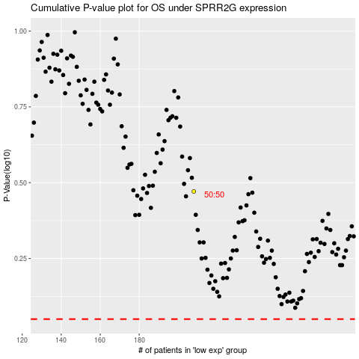

 |  |  |  |  |  | cases_OS | p_OS | rank | exp
 |  |  |  |  |  |  | cases_RFS | p_RFS | rank | exp

