SPRY3 _multivariate
Reported by Tex Li-Hsing Chi. tex@gate.sinica.edu.tw 2019-08-15

Table 2. The clinicopathological features of HNSCC cohort and SPRY3 expression. (Chi square test)
Cutoff at -0.265 (49.8%)
 |  | SPRY3 expression |  | SPRY3 expression |  | (Optimised)
 | Features | Low | (%) | High | (%) | Case no | P-value | Remark | Matthews
Gender | Female | 145 | 34.9 | 161 | 38.8 | 415 | 0.1116 | 0 | 0
2 | Male | 62 | 14.9 | 47 | 11.3
Age at diagnosis | <=65y | 138 | 33.3 | 136 | 32.8 | 415 | 0.8634 | 0 | 0
4 | >65y | 69 | 16.6 | 72 | 17.3
Clinical T Status | T1+T2 | 64 | 15.4 | 85 | 20.5 | 415 | 0.0445 | 1 | 0
6 | T3+T4 | 143 | 34.5 | 123 | 29.6
Clinical N Status | N0 | 109 | 26.3 | 107 | 25.8 | 415 | 0.8812 | 0 | 0
8 | N1-3 | 98 | 23.6 | 101 | 24.3
Clinical M Status | M0 | 204 | 49.2 | 208 | 50.1 | 415 | 0.1232 | 0 | 0
10 | M1 | 3 | 0.7 | 0 | 0
Clinical Stage | Stage I+II | 46 | 11.1 | 56 | 13.5 | 415 | 0.3182 | 0 | 0
12 | Stage III+IV | 161 | 38.8 | 152 | 36.6
Surgical Margin status | Negative | 151 | 36.4 | 167 | 40.2 | 415 | 0.0828 | 0 | 0
14 | Positive | 56 | 13.5 | 41 | 9.9
Tobacco Exposure | Low | 78 | 18.8 | 83 | 20 | 415 | 0.6873 | 0 | 0
16 | High | 129 | 31.1 | 125 | 30.1

Table 3. Univariate/Multivariate Cox's proportional hazards regression analyses on OS time of SPRY3 gene expression in HNSCC

 |  | Univariate |  |  |  | Multivariate
 | Features | HR | CI95%(L) | CI95%(H) | P-value | HR | CI95%(L) | CI95%(H) | P-value
1 | Female | 1 |  |  |  | 1
Gender | Male | 1.157 | 0.843 | 1.587 | 0.367 | 1.199 | 0.855 | 1.68 | 0.293
11 | <=65y | 1 |  |  |  | 1
Age at diagnosis | >65y | 1.329 | 0.99 | 1.784 | 0.058 | 1.394 | 1.024 | 1.899 | 0.035
12 | T1+T2 | 1 |  |  |  | 1
Clinical T Status | T3+T4 | 1.409 | 1.028 | 1.931 | 0.033 | 2.191 | 1.151 | 4.169 | 0.017
13 | N0 | 1 |  |  |  | 1
Clinical N Status | N1-3 | 1.185 | 0.89 | 1.577 | 0.246 | 1.241 | 0.87 | 1.771 | 0.234
14 | M0 | 1 |  |  |  | 1
Clinical M Status | M1 | 4.097 | 1.009 | 16.644 | 0.049 | 9.277 | 1.985 | 43.351 | 0.005
15 | Stage I+II | 1 |  |  |  | 1
Clinical Stage | Stage III+IV | 1.245 | 0.882 | 1.759 | 0.213 | 0.507 | 0.235 | 1.091 | 0.082
16 | Negative | 1 |  |  |  | 1
Surgical Margin status | Positive | 1.591 | 1.155 | 2.191 | 0.004 | 1.668 | 1.204 | 2.31 | 0.002
17 | Low | 1 |  |  |  | 1
Tobacco Exposure | High | 1.364 | 1.008 | 1.844 | 0.044 | 1.451 | 1.052 | 2.001 | 0.023
18 | Low | 1 |  |  |  | 1
RNAseq(z-score) | High | 0.862 | 0.646 | 1.15 | 0.313 | 0.983 | 0.728 | 1.327 | 0.911

Table 4. Univariate/Multivariate Cox's proportional hazards regression analyses on RFS time of SPRY3 gene expression in HNSCC

 |  | Univariate |  |  |  | Multivariate
 | Features | HR | CI95%(L) | CI95%(H) | P-value | HR | CI95%(L) | CI95%(H) | P-value
1 | Female | 1 |  |  |  | 1
Gender | Male | 1.157 | 0.843 | 1.587 | 0.367 | 1.199 | 0.855 | 1.68 | 0.293
11 | <=65y | 1 |  |  |  | 1
Age at diagnosis | >65y | 1.329 | 0.99 | 1.784 | 0.058 | 1.394 | 1.024 | 1.899 | 0.035
12 | T1+T2 | 1 |  |  |  | 1
Clinical T Status | T3+T4 | 1.409 | 1.028 | 1.931 | 0.033 | 2.191 | 1.151 | 4.169 | 0.017
13 | N0 | 1 |  |  |  | 1
Clinical N Status | N1-3 | 1.185 | 0.89 | 1.577 | 0.246 | 1.241 | 0.87 | 1.771 | 0.234
14 | M0 | 1 |  |  |  | 1
Clinical M Status | M1 | 4.097 | 1.009 | 16.644 | 0.049 | 9.277 | 1.985 | 43.351 | 0.005
15 | Stage I+II | 1 |  |  |  | 1
Clinical Stage | Stage III+IV | 1.245 | 0.882 | 1.759 | 0.213 | 0.507 | 0.235 | 1.091 | 0.082
16 | Negative | 1 |  |  |  | 1
Surgical Margin status | Positive | 1.591 | 1.155 | 2.191 | 0.004 | 1.668 | 1.204 | 2.31 | 0.002
17 | Low | 1 |  |  |  | 1
Tobacco Exposure | High | 1.364 | 1.008 | 1.844 | 0.044 | 1.451 | 1.052 | 2.001 | 0.023
18 | Low | 1 |  |  |  | 1
RNAseq(z-score) | High | 0.862 | 0.646 | 1.15 | 0.313 | 0.983 | 0.728 | 1.327 | 0.911

Kaplan-Meier survival estimate: Cutoff at -0.265 (49.8%)



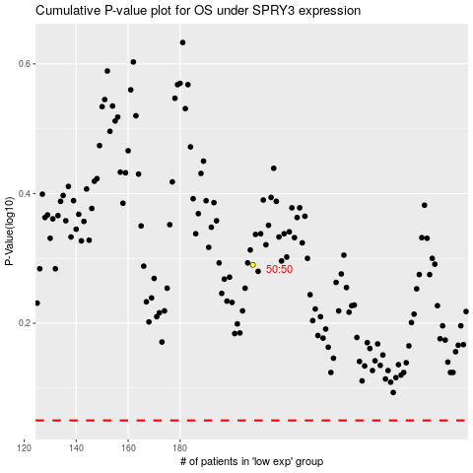

 |  |  |  |  |  | cases_OS | p_OS | rank | exp
 |  |  |  |  |  |  | cases_RFS | p_RFS | rank | exp

