SPRYD3 _multivariate
Reported by Tex Li-Hsing Chi. tex@gate.sinica.edu.tw 2019-08-15

Table 2. The clinicopathological features of HNSCC cohort and SPRYD3 expression. (Chi square test)
Cutoff at 0.002 (50.0%)
 |  | SPRYD3 expression |  | SPRYD3 expression |  | (Optimised)
 | Features | Low | (%) | High | (%) | Case no | P-value | Remark | Matthews
Gender | Female | 157 | 37.8 | 149 | 35.9 | 415 | 0.3881 | 0 | 0
2 | Male | 50 | 12 | 59 | 14.2
Age at diagnosis | <=65y | 137 | 33 | 137 | 33 | 415 | 1 | 0 | 0
4 | >65y | 70 | 16.9 | 71 | 17.1
Clinical T Status | T1+T2 | 70 | 16.9 | 79 | 19 | 415 | 0.4343 | 0 | 0
6 | T3+T4 | 137 | 33 | 129 | 31.1
Clinical N Status | N0 | 102 | 24.6 | 114 | 27.5 | 415 | 0.3031 | 0 | 0
8 | N1-3 | 105 | 25.3 | 94 | 22.7
Clinical M Status | M0 | 207 | 49.9 | 205 | 49.4 | 415 | 0.2482 | 0 | 0
10 | M1 | 0 | 0 | 3 | 0.7
Clinical Stage | Stage I+II | 39 | 9.4 | 63 | 15.2 | 415 | 0.0095 | 1 | 0
12 | Stage III+IV | 168 | 40.5 | 145 | 34.9
Surgical Margin status | Negative | 151 | 36.4 | 167 | 40.2 | 415 | 0.0828 | 0 | 0
14 | Positive | 56 | 13.5 | 41 | 9.9
Tobacco Exposure | Low | 72 | 17.3 | 89 | 21.4 | 415 | 0.1071 | 0 | 0
16 | High | 135 | 32.5 | 119 | 28.7

Table 3. Univariate/Multivariate Cox's proportional hazards regression analyses on OS time of SPRYD3 gene expression in HNSCC

 |  | Univariate |  |  |  | Multivariate
 | Features | HR | CI95%(L) | CI95%(H) | P-value | HR | CI95%(L) | CI95%(H) | P-value
1 | Female | 1 |  |  |  | 1
Gender | Male | 1.157 | 0.843 | 1.587 | 0.367 | 1.211 | 0.867 | 1.691 | 0.262
11 | <=65y | 1 |  |  |  | 1
Age at diagnosis | >65y | 1.329 | 0.99 | 1.784 | 0.058 | 1.407 | 1.034 | 1.914 | 0.03
12 | T1+T2 | 1 |  |  |  | 1
Clinical T Status | T3+T4 | 1.409 | 1.028 | 1.931 | 0.033 | 2.143 | 1.132 | 4.058 | 0.019
13 | N0 | 1 |  |  |  | 1
Clinical N Status | N1-3 | 1.185 | 0.89 | 1.577 | 0.246 | 1.219 | 0.854 | 1.741 | 0.276
14 | M0 | 1 |  |  |  | 1
Clinical M Status | M1 | 4.097 | 1.009 | 16.644 | 0.049 | 8.451 | 1.823 | 39.17 | 0.006
15 | Stage I+II | 1 |  |  |  | 1
Clinical Stage | Stage III+IV | 1.245 | 0.882 | 1.759 | 0.213 | 0.549 | 0.252 | 1.196 | 0.131
16 | Negative | 1 |  |  |  | 1
Surgical Margin status | Positive | 1.591 | 1.155 | 2.191 | 0.004 | 1.686 | 1.22 | 2.33 | 0.002
17 | Low | 1 |  |  |  | 1
Tobacco Exposure | High | 1.364 | 1.008 | 1.844 | 0.044 | 1.454 | 1.055 | 2.003 | 0.022
18 | Low | 1 |  |  |  | 1
RNAseq(z-score) | High | 1.123 | 0.843 | 1.496 | 0.429 | 1.183 | 0.877 | 1.597 | 0.272

Table 4. Univariate/Multivariate Cox's proportional hazards regression analyses on RFS time of SPRYD3 gene expression in HNSCC

 |  | Univariate |  |  |  | Multivariate
 | Features | HR | CI95%(L) | CI95%(H) | P-value | HR | CI95%(L) | CI95%(H) | P-value
1 | Female | 1 |  |  |  | 1
Gender | Male | 1.157 | 0.843 | 1.587 | 0.367 | 1.211 | 0.867 | 1.691 | 0.262
11 | <=65y | 1 |  |  |  | 1
Age at diagnosis | >65y | 1.329 | 0.99 | 1.784 | 0.058 | 1.407 | 1.034 | 1.914 | 0.03
12 | T1+T2 | 1 |  |  |  | 1
Clinical T Status | T3+T4 | 1.409 | 1.028 | 1.931 | 0.033 | 2.143 | 1.132 | 4.058 | 0.019
13 | N0 | 1 |  |  |  | 1
Clinical N Status | N1-3 | 1.185 | 0.89 | 1.577 | 0.246 | 1.219 | 0.854 | 1.741 | 0.276
14 | M0 | 1 |  |  |  | 1
Clinical M Status | M1 | 4.097 | 1.009 | 16.644 | 0.049 | 8.451 | 1.823 | 39.17 | 0.006
15 | Stage I+II | 1 |  |  |  | 1
Clinical Stage | Stage III+IV | 1.245 | 0.882 | 1.759 | 0.213 | 0.549 | 0.252 | 1.196 | 0.131
16 | Negative | 1 |  |  |  | 1
Surgical Margin status | Positive | 1.591 | 1.155 | 2.191 | 0.004 | 1.686 | 1.22 | 2.33 | 0.002
17 | Low | 1 |  |  |  | 1
Tobacco Exposure | High | 1.364 | 1.008 | 1.844 | 0.044 | 1.454 | 1.055 | 2.003 | 0.022
18 | Low | 1 |  |  |  | 1
RNAseq(z-score) | High | 1.123 | 0.843 | 1.496 | 0.429 | 1.183 | 0.877 | 1.597 | 0.272

Kaplan-Meier survival estimate: Cutoff at 0.002 (50.0%)

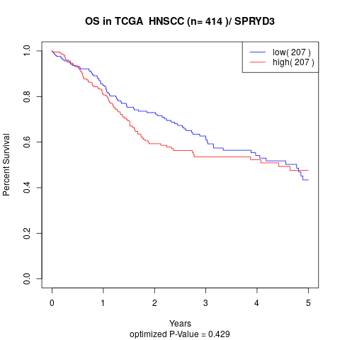

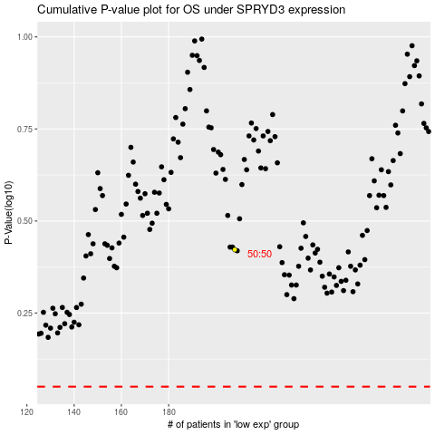

 |  |  |  |  |  | cases_OS | p_OS | rank | exp
 |  |  |  |  |  |  | cases_RFS | p_RFS | rank | exp

