SPTAN1 _multivariate
Reported by Tex Li-Hsing Chi. tex@gate.sinica.edu.tw 2019-08-15

Table 2. The clinicopathological features of HNSCC cohort and SPTAN1 expression. (Chi square test)
Cutoff at -0.129 (49.8%)
 |  | SPTAN1 expression |  | SPTAN1 expression |  | (Optimised)
 | Features | Low | (%) | High | (%) | Case no | P-value | Remark | Matthews
Gender | Female | 160 | 38.6 | 146 | 35.2 | 415 | 0.1254 | 0 | 0
2 | Male | 47 | 11.3 | 62 | 14.9
Age at diagnosis | <=65y | 143 | 34.5 | 131 | 31.6 | 415 | 0.2269 | 0 | 0
4 | >65y | 64 | 15.4 | 77 | 18.6
Clinical T Status | T1+T2 | 76 | 18.3 | 73 | 17.6 | 415 | 0.8092 | 0 | 0
6 | T3+T4 | 131 | 31.6 | 135 | 32.5
Clinical N Status | N0 | 107 | 25.8 | 109 | 26.3 | 415 | 0.9624 | 0 | 0
8 | N1-3 | 100 | 24.1 | 99 | 23.9
Clinical M Status | M0 | 206 | 49.6 | 206 | 49.6 | 415 | 1 | 0 | 0
10 | M1 | 1 | 0.2 | 2 | 0.5
Clinical Stage | Stage I+II | 54 | 13 | 48 | 11.6 | 415 | 0.5498 | 0 | 0
12 | Stage III+IV | 153 | 36.9 | 160 | 38.6
Surgical Margin status | Negative | 151 | 36.4 | 167 | 40.2 | 415 | 0.0828 | 0 | 0
14 | Positive | 56 | 13.5 | 41 | 9.9
Tobacco Exposure | Low | 74 | 17.8 | 87 | 21 | 415 | 0.227 | 0 | 0
16 | High | 133 | 32 | 121 | 29.2

Table 3. Univariate/Multivariate Cox's proportional hazards regression analyses on OS time of SPTAN1 gene expression in HNSCC

 |  | Univariate |  |  |  | Multivariate
 | Features | HR | CI95%(L) | CI95%(H) | P-value | HR | CI95%(L) | CI95%(H) | P-value
1 | Female | 1 |  |  |  | 1
Gender | Male | 1.157 | 0.843 | 1.587 | 0.367 | 1.197 | 0.856 | 1.674 | 0.294
11 | <=65y | 1 |  |  |  | 1
Age at diagnosis | >65y | 1.329 | 0.99 | 1.784 | 0.058 | 1.387 | 1.019 | 1.888 | 0.038
12 | T1+T2 | 1 |  |  |  | 1
Clinical T Status | T3+T4 | 1.409 | 1.028 | 1.931 | 0.033 | 2.21 | 1.168 | 4.181 | 0.015
13 | N0 | 1 |  |  |  | 1
Clinical N Status | N1-3 | 1.185 | 0.89 | 1.577 | 0.246 | 1.242 | 0.871 | 1.773 | 0.232
14 | M0 | 1 |  |  |  | 1
Clinical M Status | M1 | 4.097 | 1.009 | 16.644 | 0.049 | 9.403 | 2.051 | 43.101 | 0.004
15 | Stage I+II | 1 |  |  |  | 1
Clinical Stage | Stage III+IV | 1.245 | 0.882 | 1.759 | 0.213 | 0.5 | 0.232 | 1.077 | 0.077
16 | Negative | 1 |  |  |  | 1
Surgical Margin status | Positive | 1.591 | 1.155 | 2.191 | 0.004 | 1.68 | 1.213 | 2.327 | 0.002
17 | Low | 1 |  |  |  | 1
Tobacco Exposure | High | 1.364 | 1.008 | 1.844 | 0.044 | 1.458 | 1.057 | 2.011 | 0.022
18 | Low | 1 |  |  |  | 1
RNAseq(z-score) | High | 1.001 | 0.751 | 1.333 | 0.997 | 1.039 | 0.773 | 1.395 | 0.8

Table 4. Univariate/Multivariate Cox's proportional hazards regression analyses on RFS time of SPTAN1 gene expression in HNSCC

 |  | Univariate |  |  |  | Multivariate
 | Features | HR | CI95%(L) | CI95%(H) | P-value | HR | CI95%(L) | CI95%(H) | P-value
1 | Female | 1 |  |  |  | 1
Gender | Male | 1.157 | 0.843 | 1.587 | 0.367 | 1.197 | 0.856 | 1.674 | 0.294
11 | <=65y | 1 |  |  |  | 1
Age at diagnosis | >65y | 1.329 | 0.99 | 1.784 | 0.058 | 1.387 | 1.019 | 1.888 | 0.038
12 | T1+T2 | 1 |  |  |  | 1
Clinical T Status | T3+T4 | 1.409 | 1.028 | 1.931 | 0.033 | 2.21 | 1.168 | 4.181 | 0.015
13 | N0 | 1 |  |  |  | 1
Clinical N Status | N1-3 | 1.185 | 0.89 | 1.577 | 0.246 | 1.242 | 0.871 | 1.773 | 0.232
14 | M0 | 1 |  |  |  | 1
Clinical M Status | M1 | 4.097 | 1.009 | 16.644 | 0.049 | 9.403 | 2.051 | 43.101 | 0.004
15 | Stage I+II | 1 |  |  |  | 1
Clinical Stage | Stage III+IV | 1.245 | 0.882 | 1.759 | 0.213 | 0.5 | 0.232 | 1.077 | 0.077
16 | Negative | 1 |  |  |  | 1
Surgical Margin status | Positive | 1.591 | 1.155 | 2.191 | 0.004 | 1.68 | 1.213 | 2.327 | 0.002
17 | Low | 1 |  |  |  | 1
Tobacco Exposure | High | 1.364 | 1.008 | 1.844 | 0.044 | 1.458 | 1.057 | 2.011 | 0.022
18 | Low | 1 |  |  |  | 1
RNAseq(z-score) | High | 1.001 | 0.751 | 1.333 | 0.997 | 1.039 | 0.773 | 1.395 | 0.8

Kaplan-Meier survival estimate: Cutoff at -0.129 (49.8%)



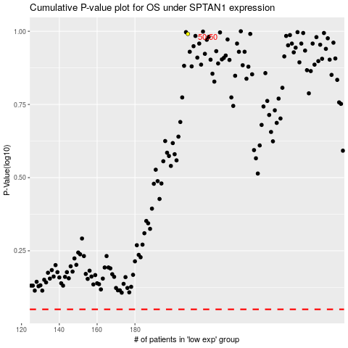

 |  |  |  |  |  | cases_OS | p_OS | rank | exp
 |  |  |  |  |  |  | cases_RFS | p_RFS | rank | exp

