SPTBN1 _multivariate
Reported by Tex Li-Hsing Chi. tex@gate.sinica.edu.tw 2019-08-15

Table 2. The clinicopathological features of HNSCC cohort and SPTBN1 expression. (Chi square test)
Cutoff at -0.081 (49.8%)
 |  | SPTBN1 expression |  | SPTBN1 expression |  | (Optimised)
 | Features | Low | (%) | High | (%) | Case no | P-value | Remark | Matthews
Gender | Female | 152 | 36.6 | 154 | 37.1 | 415 | 0.9766 | 0 | 0
2 | Male | 55 | 13.3 | 54 | 13
Age at diagnosis | <=65y | 131 | 31.6 | 143 | 34.5 | 415 | 0.2839 | 0 | 0
4 | >65y | 76 | 18.3 | 65 | 15.7
Clinical T Status | T1+T2 | 77 | 18.6 | 72 | 17.3 | 415 | 0.6556 | 0 | 0
6 | T3+T4 | 130 | 31.3 | 136 | 32.8
Clinical N Status | N0 | 108 | 26 | 108 | 26 | 415 | 1 | 0 | 0
8 | N1-3 | 99 | 23.9 | 100 | 24.1
Clinical M Status | M0 | 206 | 49.6 | 206 | 49.6 | 415 | 1 | 0 | 0
10 | M1 | 1 | 0.2 | 2 | 0.5
Clinical Stage | Stage I+II | 50 | 12 | 52 | 12.5 | 415 | 0.9315 | 0 | 0
12 | Stage III+IV | 157 | 37.8 | 156 | 37.6
Surgical Margin status | Negative | 157 | 37.8 | 161 | 38.8 | 415 | 0.729 | 0 | 0
14 | Positive | 50 | 12 | 47 | 11.3
Tobacco Exposure | Low | 84 | 20.2 | 77 | 18.6 | 415 | 0.4816 | 0 | 0
16 | High | 123 | 29.6 | 131 | 31.6

Table 3. Univariate/Multivariate Cox's proportional hazards regression analyses on OS time of SPTBN1 gene expression in HNSCC

 |  | Univariate |  |  |  | Multivariate
 | Features | HR | CI95%(L) | CI95%(H) | P-value | HR | CI95%(L) | CI95%(H) | P-value
1 | Female | 1 |  |  |  | 1
Gender | Male | 1.157 | 0.843 | 1.587 | 0.367 | 1.207 | 0.864 | 1.685 | 0.27
11 | <=65y | 1 |  |  |  | 1
Age at diagnosis | >65y | 1.329 | 0.99 | 1.784 | 0.058 | 1.413 | 1.037 | 1.925 | 0.029
12 | T1+T2 | 1 |  |  |  | 1
Clinical T Status | T3+T4 | 1.409 | 1.028 | 1.931 | 0.033 | 2.175 | 1.15 | 4.114 | 0.017
13 | N0 | 1 |  |  |  | 1
Clinical N Status | N1-3 | 1.185 | 0.89 | 1.577 | 0.246 | 1.245 | 0.872 | 1.777 | 0.228
14 | M0 | 1 |  |  |  | 1
Clinical M Status | M1 | 4.097 | 1.009 | 16.644 | 0.049 | 9.209 | 2.007 | 42.249 | 0.004
15 | Stage I+II | 1 |  |  |  | 1
Clinical Stage | Stage III+IV | 1.245 | 0.882 | 1.759 | 0.213 | 0.515 | 0.24 | 1.107 | 0.089
16 | Negative | 1 |  |  |  | 1
Surgical Margin status | Positive | 1.591 | 1.155 | 2.191 | 0.004 | 1.689 | 1.221 | 2.335 | 0.002
17 | Low | 1 |  |  |  | 1
Tobacco Exposure | High | 1.364 | 1.008 | 1.844 | 0.044 | 1.458 | 1.058 | 2.009 | 0.021
18 | Low | 1 |  |  |  | 1
RNAseq(z-score) | High | 1.057 | 0.793 | 1.408 | 0.705 | 1.134 | 0.847 | 1.519 | 0.396

Table 4. Univariate/Multivariate Cox's proportional hazards regression analyses on RFS time of SPTBN1 gene expression in HNSCC

 |  | Univariate |  |  |  | Multivariate
 | Features | HR | CI95%(L) | CI95%(H) | P-value | HR | CI95%(L) | CI95%(H) | P-value
1 | Female | 1 |  |  |  | 1
Gender | Male | 1.157 | 0.843 | 1.587 | 0.367 | 1.207 | 0.864 | 1.685 | 0.27
11 | <=65y | 1 |  |  |  | 1
Age at diagnosis | >65y | 1.329 | 0.99 | 1.784 | 0.058 | 1.413 | 1.037 | 1.925 | 0.029
12 | T1+T2 | 1 |  |  |  | 1
Clinical T Status | T3+T4 | 1.409 | 1.028 | 1.931 | 0.033 | 2.175 | 1.15 | 4.114 | 0.017
13 | N0 | 1 |  |  |  | 1
Clinical N Status | N1-3 | 1.185 | 0.89 | 1.577 | 0.246 | 1.245 | 0.872 | 1.777 | 0.228
14 | M0 | 1 |  |  |  | 1
Clinical M Status | M1 | 4.097 | 1.009 | 16.644 | 0.049 | 9.209 | 2.007 | 42.249 | 0.004
15 | Stage I+II | 1 |  |  |  | 1
Clinical Stage | Stage III+IV | 1.245 | 0.882 | 1.759 | 0.213 | 0.515 | 0.24 | 1.107 | 0.089
16 | Negative | 1 |  |  |  | 1
Surgical Margin status | Positive | 1.591 | 1.155 | 2.191 | 0.004 | 1.689 | 1.221 | 2.335 | 0.002
17 | Low | 1 |  |  |  | 1
Tobacco Exposure | High | 1.364 | 1.008 | 1.844 | 0.044 | 1.458 | 1.058 | 2.009 | 0.021
18 | Low | 1 |  |  |  | 1
RNAseq(z-score) | High | 1.057 | 0.793 | 1.408 | 0.705 | 1.134 | 0.847 | 1.519 | 0.396

Kaplan-Meier survival estimate: Cutoff at -0.081 (49.8%)



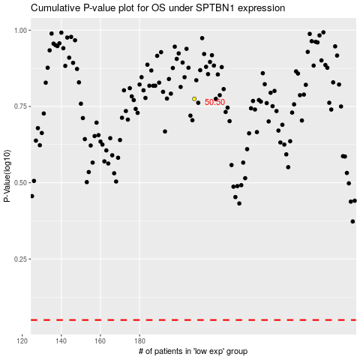

 |  |  |  |  |  | cases_OS | p_OS | rank | exp
 |  |  |  |  |  |  | cases_RFS | p_RFS | rank | exp

