SPTBN4 _multivariate
Reported by Tex Li-Hsing Chi. tex@gate.sinica.edu.tw 2019-08-15

Table 2. The clinicopathological features of HNSCC cohort and SPTBN4 expression. (Chi square test)
Cutoff at -0.247 (49.8%)
 |  | SPTBN4 expression |  | SPTBN4 expression |  | (Optimised)
 | Features | Low | (%) | High | (%) | Case no | P-value | Remark | Matthews
Gender | Female | 145 | 34.9 | 161 | 38.8 | 415 | 0.1116 | 0 | 0
2 | Male | 62 | 14.9 | 47 | 11.3
Age at diagnosis | <=65y | 128 | 30.8 | 146 | 35.2 | 415 | 0.0904 | 0 | 0
4 | >65y | 79 | 19 | 62 | 14.9
Clinical T Status | T1+T2 | 71 | 17.1 | 78 | 18.8 | 415 | 0.5638 | 0 | 0
6 | T3+T4 | 136 | 32.8 | 130 | 31.3
Clinical N Status | N0 | 106 | 25.5 | 110 | 26.5 | 415 | 0.8075 | 0 | 0
8 | N1-3 | 101 | 24.3 | 98 | 23.6
Clinical M Status | M0 | 204 | 49.2 | 208 | 50.1 | 415 | 0.1232 | 0 | 0
10 | M1 | 3 | 0.7 | 0 | 0
Clinical Stage | Stage I+II | 51 | 12.3 | 51 | 12.3 | 415 | 1 | 0 | 0
12 | Stage III+IV | 156 | 37.6 | 157 | 37.8
Surgical Margin status | Negative | 158 | 38.1 | 160 | 38.6 | 415 | 0.9081 | 0 | 0
14 | Positive | 49 | 11.8 | 48 | 11.6
Tobacco Exposure | Low | 88 | 21.2 | 73 | 17.6 | 415 | 0.1314 | 0 | 0
16 | High | 119 | 28.7 | 135 | 32.5

Table 3. Univariate/Multivariate Cox's proportional hazards regression analyses on OS time of SPTBN4 gene expression in HNSCC

 |  | Univariate |  |  |  | Multivariate
 | Features | HR | CI95%(L) | CI95%(H) | P-value | HR | CI95%(L) | CI95%(H) | P-value
1 | Female | 1 |  |  |  | 1
Gender | Male | 1.157 | 0.843 | 1.587 | 0.367 | 1.214 | 0.868 | 1.698 | 0.257
11 | <=65y | 1 |  |  |  | 1
Age at diagnosis | >65y | 1.329 | 0.99 | 1.784 | 0.058 | 1.396 | 1.027 | 1.897 | 0.033
12 | T1+T2 | 1 |  |  |  | 1
Clinical T Status | T3+T4 | 1.409 | 1.028 | 1.931 | 0.033 | 2.204 | 1.166 | 4.166 | 0.015
13 | N0 | 1 |  |  |  | 1
Clinical N Status | N1-3 | 1.185 | 0.89 | 1.577 | 0.246 | 1.237 | 0.867 | 1.765 | 0.242
14 | M0 | 1 |  |  |  | 1
Clinical M Status | M1 | 4.097 | 1.009 | 16.644 | 0.049 | 10.037 | 2.169 | 46.449 | 0.003
15 | Stage I+II | 1 |  |  |  | 1
Clinical Stage | Stage III+IV | 1.245 | 0.882 | 1.759 | 0.213 | 0.501 | 0.234 | 1.075 | 0.076
16 | Negative | 1 |  |  |  | 1
Surgical Margin status | Positive | 1.591 | 1.155 | 2.191 | 0.004 | 1.666 | 1.206 | 2.303 | 0.002
17 | Low | 1 |  |  |  | 1
Tobacco Exposure | High | 1.364 | 1.008 | 1.844 | 0.044 | 1.441 | 1.045 | 1.987 | 0.026
18 | Low | 1 |  |  |  | 1
RNAseq(z-score) | High | 1.1 | 0.823 | 1.471 | 0.518 | 1.122 | 0.835 | 1.508 | 0.445

Table 4. Univariate/Multivariate Cox's proportional hazards regression analyses on RFS time of SPTBN4 gene expression in HNSCC

 |  | Univariate |  |  |  | Multivariate
 | Features | HR | CI95%(L) | CI95%(H) | P-value | HR | CI95%(L) | CI95%(H) | P-value
1 | Female | 1 |  |  |  | 1
Gender | Male | 1.157 | 0.843 | 1.587 | 0.367 | 1.214 | 0.868 | 1.698 | 0.257
11 | <=65y | 1 |  |  |  | 1
Age at diagnosis | >65y | 1.329 | 0.99 | 1.784 | 0.058 | 1.396 | 1.027 | 1.897 | 0.033
12 | T1+T2 | 1 |  |  |  | 1
Clinical T Status | T3+T4 | 1.409 | 1.028 | 1.931 | 0.033 | 2.204 | 1.166 | 4.166 | 0.015
13 | N0 | 1 |  |  |  | 1
Clinical N Status | N1-3 | 1.185 | 0.89 | 1.577 | 0.246 | 1.237 | 0.867 | 1.765 | 0.242
14 | M0 | 1 |  |  |  | 1
Clinical M Status | M1 | 4.097 | 1.009 | 16.644 | 0.049 | 10.037 | 2.169 | 46.449 | 0.003
15 | Stage I+II | 1 |  |  |  | 1
Clinical Stage | Stage III+IV | 1.245 | 0.882 | 1.759 | 0.213 | 0.501 | 0.234 | 1.075 | 0.076
16 | Negative | 1 |  |  |  | 1
Surgical Margin status | Positive | 1.591 | 1.155 | 2.191 | 0.004 | 1.666 | 1.206 | 2.303 | 0.002
17 | Low | 1 |  |  |  | 1
Tobacco Exposure | High | 1.364 | 1.008 | 1.844 | 0.044 | 1.441 | 1.045 | 1.987 | 0.026
18 | Low | 1 |  |  |  | 1
RNAseq(z-score) | High | 1.1 | 0.823 | 1.471 | 0.518 | 1.122 | 0.835 | 1.508 | 0.445

Kaplan-Meier survival estimate: Cutoff at -0.247 (49.8%)



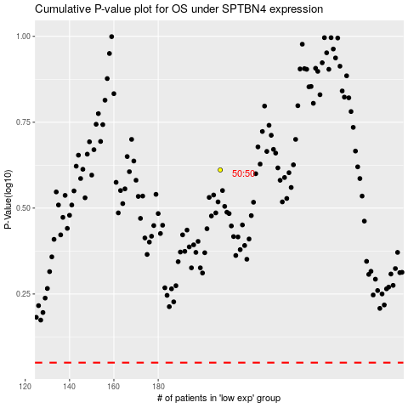

 |  |  |  |  |  | cases_OS | p_OS | rank | exp
 |  |  |  |  |  |  | cases_RFS | p_RFS | rank | exp

