SPTBN5 _multivariate
Reported by Tex Li-Hsing Chi. tex@gate.sinica.edu.tw 2019-08-15

Table 2. The clinicopathological features of HNSCC cohort and SPTBN5 expression. (Chi square test)
Cutoff at -0.569 (33.1%)
 |  | SPTBN5 expression |  | SPTBN5 expression |  | (Optimised)
 | Features | Low | (%) | High | (%) | Case no | P-value | Remark | Matthews
Gender | Female | 99 | 23.9 | 207 | 49.9 | 415 | 0.719 | 0 | 0
2 | Male | 38 | 9.2 | 71 | 17.1
Age at diagnosis | <=65y | 88 | 21.2 | 186 | 44.8 | 415 | 0.6669 | 0 | 0
4 | >65y | 49 | 11.8 | 92 | 22.2
Clinical T Status | T1+T2 | 47 | 11.3 | 102 | 24.6 | 415 | 0.7134 | 0 | 0
6 | T3+T4 | 90 | 21.7 | 176 | 42.4
Clinical N Status | N0 | 69 | 16.6 | 147 | 35.4 | 415 | 0.7059 | 0 | 0
8 | N1-3 | 68 | 16.4 | 131 | 31.6
Clinical M Status | M0 | 135 | 32.5 | 277 | 66.7 | 415 | 0.2544 | 0 | 0
10 | M1 | 2 | 0.5 | 1 | 0.2
Clinical Stage | Stage I+II | 33 | 8 | 69 | 16.6 | 415 | 0.9667 | 0 | 0
12 | Stage III+IV | 104 | 25.1 | 209 | 50.4
Surgical Margin status | Negative | 106 | 25.5 | 212 | 51.1 | 415 | 0.9019 | 0 | 0
14 | Positive | 31 | 7.5 | 66 | 15.9
Tobacco Exposure | Low | 55 | 13.3 | 106 | 25.5 | 415 | 0.7481 | 0 | 0
16 | High | 82 | 19.8 | 172 | 41.4

Table 3. Univariate/Multivariate Cox's proportional hazards regression analyses on OS time of SPTBN5 gene expression in HNSCC

 |  | Univariate |  |  |  | Multivariate
 | Features | HR | CI95%(L) | CI95%(H) | P-value | HR | CI95%(L) | CI95%(H) | P-value
1 | Female | 1 |  |  |  | 1
Gender | Male | 1.157 | 0.843 | 1.587 | 0.367 | 1.198 | 0.859 | 1.671 | 0.286
11 | <=65y | 1 |  |  |  | 1
Age at diagnosis | >65y | 1.329 | 0.99 | 1.784 | 0.058 | 1.417 | 1.042 | 1.927 | 0.026
12 | T1+T2 | 1 |  |  |  | 1
Clinical T Status | T3+T4 | 1.409 | 1.028 | 1.931 | 0.033 | 2.199 | 1.163 | 4.157 | 0.015
13 | N0 | 1 |  |  |  | 1
Clinical N Status | N1-3 | 1.185 | 0.89 | 1.577 | 0.246 | 1.234 | 0.866 | 1.759 | 0.245
14 | M0 | 1 |  |  |  | 1
Clinical M Status | M1 | 4.097 | 1.009 | 16.644 | 0.049 | 8.558 | 1.863 | 39.31 | 0.006
15 | Stage I+II | 1 |  |  |  | 1
Clinical Stage | Stage III+IV | 1.245 | 0.882 | 1.759 | 0.213 | 0.498 | 0.232 | 1.069 | 0.074
16 | Negative | 1 |  |  |  | 1
Surgical Margin status | Positive | 1.591 | 1.155 | 2.191 | 0.004 | 1.712 | 1.238 | 2.367 | 0.001
17 | Low | 1 |  |  |  | 1
Tobacco Exposure | High | 1.364 | 1.008 | 1.844 | 0.044 | 1.539 | 1.113 | 2.129 | 0.009
18 | Low | 1 |  |  |  | 1
RNAseq(z-score) | High | 0.739 | 0.552 | 0.989 | 0.042 | 0.689 | 0.513 | 0.927 | 0.014

Table 4. Univariate/Multivariate Cox's proportional hazards regression analyses on RFS time of SPTBN5 gene expression in HNSCC

 |  | Univariate |  |  |  | Multivariate
 | Features | HR | CI95%(L) | CI95%(H) | P-value | HR | CI95%(L) | CI95%(H) | P-value
1 | Female | 1 |  |  |  | 1
Gender | Male | 1.157 | 0.843 | 1.587 | 0.367 | 1.198 | 0.859 | 1.671 | 0.286
11 | <=65y | 1 |  |  |  | 1
Age at diagnosis | >65y | 1.329 | 0.99 | 1.784 | 0.058 | 1.417 | 1.042 | 1.927 | 0.026
12 | T1+T2 | 1 |  |  |  | 1
Clinical T Status | T3+T4 | 1.409 | 1.028 | 1.931 | 0.033 | 2.199 | 1.163 | 4.157 | 0.015
13 | N0 | 1 |  |  |  | 1
Clinical N Status | N1-3 | 1.185 | 0.89 | 1.577 | 0.246 | 1.234 | 0.866 | 1.759 | 0.245
14 | M0 | 1 |  |  |  | 1
Clinical M Status | M1 | 4.097 | 1.009 | 16.644 | 0.049 | 8.558 | 1.863 | 39.31 | 0.006
15 | Stage I+II | 1 |  |  |  | 1
Clinical Stage | Stage III+IV | 1.245 | 0.882 | 1.759 | 0.213 | 0.498 | 0.232 | 1.069 | 0.074
16 | Negative | 1 |  |  |  | 1
Surgical Margin status | Positive | 1.591 | 1.155 | 2.191 | 0.004 | 1.712 | 1.238 | 2.367 | 0.001
17 | Low | 1 |  |  |  | 1
Tobacco Exposure | High | 1.364 | 1.008 | 1.844 | 0.044 | 1.539 | 1.113 | 2.129 | 0.009
18 | Low | 1 |  |  |  | 1
RNAseq(z-score) | High | 0.739 | 0.552 | 0.989 | 0.042 | 0.689 | 0.513 | 0.927 | 0.014

Kaplan-Meier survival estimate: Cutoff at -0.569 (33.1%)

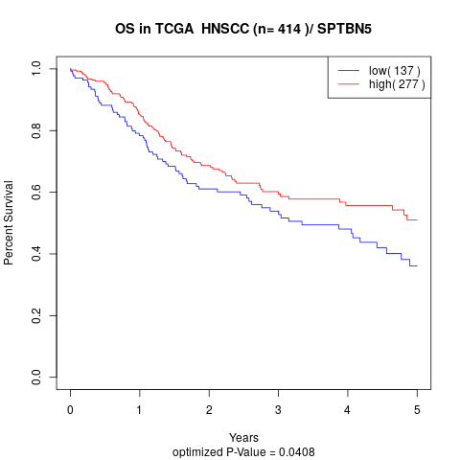

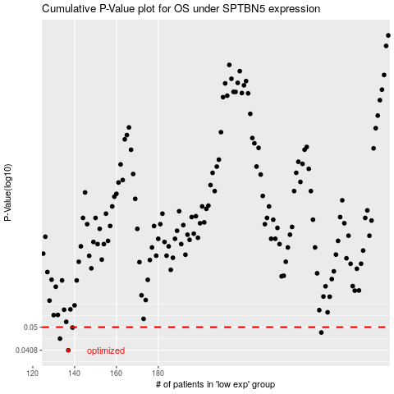

 |  |  |  |  |  | cases_OS | p_OS | rank | exp
 |  |  |  |  |  | 137 | 0.0408 | 403 | -0.56888620663
 |  |  |  |  |  | 133 | 0.0452 | 270 | -0.58238792222
 |  |  |  |  |  | 258 | 0.0477 | 63 | -0.064557184245
 |  |  |  |  |  | 139 | 0.0498 | 164 | -0.54796854615
 |  |  |  |  |  |  | cases_RFS | p_RFS | rank | exp
 |  |  |  |  |  |  | 136 | 0.0408 | 258 | -0.56931898581
 |  |  |  |  |  |  | 132 | 0.0452 | 202 | -0.58440059414
 |  |  |  |  |  |  | 257 | 0.0477 | 203 | -0.065879399264
 |  |  |  |  |  |  | 138 | 0.0498 | 87 | -0.56521007082

