SPTLC3 _multivariate
Reported by Tex Li-Hsing Chi. tex@gate.sinica.edu.tw 2019-08-15

Table 2. The clinicopathological features of HNSCC cohort and SPTLC3 expression. (Chi square test)
Cutoff at -0.239 (50.0%)
 |  | SPTLC3 expression |  | SPTLC3 expression |  | (Optimised)
 | Features | Low | (%) | High | (%) | Case no | P-value | Remark | Matthews
Gender | Female | 163 | 39.3 | 143 | 34.5 | 415 | 0.0277 | 1 | 0
2 | Male | 44 | 10.6 | 65 | 15.7
Age at diagnosis | <=65y | 144 | 34.7 | 130 | 31.3 | 415 | 0.1568 | 0 | 0
4 | >65y | 63 | 15.2 | 78 | 18.8
Clinical T Status | T1+T2 | 71 | 17.1 | 78 | 18.8 | 415 | 0.5638 | 0 | 0
6 | T3+T4 | 136 | 32.8 | 130 | 31.3
Clinical N Status | N0 | 98 | 23.6 | 118 | 28.4 | 415 | 0.0694 | 0 | 0
8 | N1-3 | 109 | 26.3 | 90 | 21.7
Clinical M Status | M0 | 206 | 49.6 | 206 | 49.6 | 415 | 1 | 0 | 0
10 | M1 | 1 | 0.2 | 2 | 0.5
Clinical Stage | Stage I+II | 42 | 10.1 | 60 | 14.5 | 415 | 0.0561 | 0 | 0
12 | Stage III+IV | 165 | 39.8 | 148 | 35.7
Surgical Margin status | Negative | 153 | 36.9 | 165 | 39.8 | 415 | 0.2036 | 0 | 0
14 | Positive | 54 | 13 | 43 | 10.4
Tobacco Exposure | Low | 55 | 13.3 | 106 | 25.5 | 415 | 0 | 1 | 0
16 | High | 152 | 36.6 | 102 | 24.6

Table 3. Univariate/Multivariate Cox's proportional hazards regression analyses on OS time of SPTLC3 gene expression in HNSCC

 |  | Univariate |  |  |  | Multivariate
 | Features | HR | CI95%(L) | CI95%(H) | P-value | HR | CI95%(L) | CI95%(H) | P-value
1 | Female | 1 |  |  |  | 1
Gender | Male | 1.157 | 0.843 | 1.587 | 0.367 | 1.189 | 0.847 | 1.67 | 0.317
11 | <=65y | 1 |  |  |  | 1
Age at diagnosis | >65y | 1.329 | 0.99 | 1.784 | 0.058 | 1.39 | 1.022 | 1.889 | 0.036
12 | T1+T2 | 1 |  |  |  | 1
Clinical T Status | T3+T4 | 1.409 | 1.028 | 1.931 | 0.033 | 2.194 | 1.16 | 4.15 | 0.016
13 | N0 | 1 |  |  |  | 1
Clinical N Status | N1-3 | 1.185 | 0.89 | 1.577 | 0.246 | 1.247 | 0.873 | 1.78 | 0.225
14 | M0 | 1 |  |  |  | 1
Clinical M Status | M1 | 4.097 | 1.009 | 16.644 | 0.049 | 9.166 | 1.986 | 42.3 | 0.005
15 | Stage I+II | 1 |  |  |  | 1
Clinical Stage | Stage III+IV | 1.245 | 0.882 | 1.759 | 0.213 | 0.508 | 0.237 | 1.092 | 0.083
16 | Negative | 1 |  |  |  | 1
Surgical Margin status | Positive | 1.591 | 1.155 | 2.191 | 0.004 | 1.673 | 1.211 | 2.311 | 0.002
17 | Low | 1 |  |  |  | 1
Tobacco Exposure | High | 1.364 | 1.008 | 1.844 | 0.044 | 1.477 | 1.059 | 2.06 | 0.022
18 | Low | 1 |  |  |  | 1
RNAseq(z-score) | High | 0.992 | 0.745 | 1.321 | 0.957 | 1.058 | 0.773 | 1.447 | 0.725

Table 4. Univariate/Multivariate Cox's proportional hazards regression analyses on RFS time of SPTLC3 gene expression in HNSCC

 |  | Univariate |  |  |  | Multivariate
 | Features | HR | CI95%(L) | CI95%(H) | P-value | HR | CI95%(L) | CI95%(H) | P-value
1 | Female | 1 |  |  |  | 1
Gender | Male | 1.157 | 0.843 | 1.587 | 0.367 | 1.189 | 0.847 | 1.67 | 0.317
11 | <=65y | 1 |  |  |  | 1
Age at diagnosis | >65y | 1.329 | 0.99 | 1.784 | 0.058 | 1.39 | 1.022 | 1.889 | 0.036
12 | T1+T2 | 1 |  |  |  | 1
Clinical T Status | T3+T4 | 1.409 | 1.028 | 1.931 | 0.033 | 2.194 | 1.16 | 4.15 | 0.016
13 | N0 | 1 |  |  |  | 1
Clinical N Status | N1-3 | 1.185 | 0.89 | 1.577 | 0.246 | 1.247 | 0.873 | 1.78 | 0.225
14 | M0 | 1 |  |  |  | 1
Clinical M Status | M1 | 4.097 | 1.009 | 16.644 | 0.049 | 9.166 | 1.986 | 42.3 | 0.005
15 | Stage I+II | 1 |  |  |  | 1
Clinical Stage | Stage III+IV | 1.245 | 0.882 | 1.759 | 0.213 | 0.508 | 0.237 | 1.092 | 0.083
16 | Negative | 1 |  |  |  | 1
Surgical Margin status | Positive | 1.591 | 1.155 | 2.191 | 0.004 | 1.673 | 1.211 | 2.311 | 0.002
17 | Low | 1 |  |  |  | 1
Tobacco Exposure | High | 1.364 | 1.008 | 1.844 | 0.044 | 1.477 | 1.059 | 2.06 | 0.022
18 | Low | 1 |  |  |  | 1
RNAseq(z-score) | High | 0.992 | 0.745 | 1.321 | 0.957 | 1.058 | 0.773 | 1.447 | 0.725

Kaplan-Meier survival estimate: Cutoff at -0.239 (50.0%)



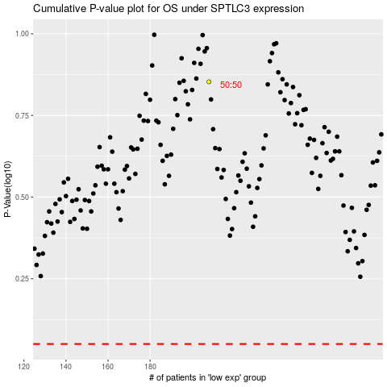

 |  |  |  |  |  | cases_OS | p_OS | rank | exp
 |  |  |  |  |  |  | cases_RFS | p_RFS | rank | exp

