SQRDL _multivariate
Reported by Tex Li-Hsing Chi. tex@gate.sinica.edu.tw 2019-08-15

Table 2. The clinicopathological features of HNSCC cohort and SQRDL expression. (Chi square test)
Cutoff at -0.177 (50.0%)
 |  | SQRDL expression |  | SQRDL expression |  | (Optimised)
 | Features | Low | (%) | High | (%) | Case no | P-value | Remark | Matthews
Gender | Female | 163 | 39.3 | 143 | 34.5 | 415 | 0.0277 | 1 | 0
2 | Male | 44 | 10.6 | 65 | 15.7
Age at diagnosis | <=65y | 147 | 35.4 | 127 | 30.6 | 415 | 0.0416 | 1 | 0
4 | >65y | 60 | 14.5 | 81 | 19.5
Clinical T Status | T1+T2 | 79 | 19 | 70 | 16.9 | 415 | 0.3924 | 0 | 0
6 | T3+T4 | 128 | 30.8 | 138 | 33.3
Clinical N Status | N0 | 105 | 25.3 | 111 | 26.7 | 415 | 0.6598 | 0 | 0
8 | N1-3 | 102 | 24.6 | 97 | 23.4
Clinical M Status | M0 | 207 | 49.9 | 205 | 49.4 | 415 | 0.2482 | 0 | 0
10 | M1 | 0 | 0 | 3 | 0.7
Clinical Stage | Stage I+II | 48 | 11.6 | 54 | 13 | 415 | 0.5878 | 0 | 0
12 | Stage III+IV | 159 | 38.3 | 154 | 37.1
Surgical Margin status | Negative | 157 | 37.8 | 161 | 38.8 | 415 | 0.729 | 0 | 0
14 | Positive | 50 | 12 | 47 | 11.3
Tobacco Exposure | Low | 73 | 17.6 | 88 | 21.2 | 415 | 0.1587 | 0 | 0
16 | High | 134 | 32.3 | 120 | 28.9

Table 3. Univariate/Multivariate Cox's proportional hazards regression analyses on OS time of SQRDL gene expression in HNSCC

 |  | Univariate |  |  |  | Multivariate
 | Features | HR | CI95%(L) | CI95%(H) | P-value | HR | CI95%(L) | CI95%(H) | P-value
1 | Female | 1 |  |  |  | 1
Gender | Male | 1.157 | 0.843 | 1.587 | 0.367 | 1.188 | 0.848 | 1.665 | 0.316
11 | <=65y | 1 |  |  |  | 1
Age at diagnosis | >65y | 1.329 | 0.99 | 1.784 | 0.058 | 1.387 | 1.02 | 1.886 | 0.037
12 | T1+T2 | 1 |  |  |  | 1
Clinical T Status | T3+T4 | 1.409 | 1.028 | 1.931 | 0.033 | 2.17 | 1.144 | 4.115 | 0.018
13 | N0 | 1 |  |  |  | 1
Clinical N Status | N1-3 | 1.185 | 0.89 | 1.577 | 0.246 | 1.244 | 0.872 | 1.774 | 0.229
14 | M0 | 1 |  |  |  | 1
Clinical M Status | M1 | 4.097 | 1.009 | 16.644 | 0.049 | 8.907 | 1.912 | 41.491 | 0.005
15 | Stage I+II | 1 |  |  |  | 1
Clinical Stage | Stage III+IV | 1.245 | 0.882 | 1.759 | 0.213 | 0.515 | 0.239 | 1.111 | 0.091
16 | Negative | 1 |  |  |  | 1
Surgical Margin status | Positive | 1.591 | 1.155 | 2.191 | 0.004 | 1.671 | 1.209 | 2.309 | 0.002
17 | Low | 1 |  |  |  | 1
Tobacco Exposure | High | 1.364 | 1.008 | 1.844 | 0.044 | 1.455 | 1.056 | 2.005 | 0.022
18 | Low | 1 |  |  |  | 1
RNAseq(z-score) | High | 1.144 | 0.859 | 1.525 | 0.357 | 1.075 | 0.799 | 1.446 | 0.634

Table 4. Univariate/Multivariate Cox's proportional hazards regression analyses on RFS time of SQRDL gene expression in HNSCC

 |  | Univariate |  |  |  | Multivariate
 | Features | HR | CI95%(L) | CI95%(H) | P-value | HR | CI95%(L) | CI95%(H) | P-value
1 | Female | 1 |  |  |  | 1
Gender | Male | 1.157 | 0.843 | 1.587 | 0.367 | 1.188 | 0.848 | 1.665 | 0.316
11 | <=65y | 1 |  |  |  | 1
Age at diagnosis | >65y | 1.329 | 0.99 | 1.784 | 0.058 | 1.387 | 1.02 | 1.886 | 0.037
12 | T1+T2 | 1 |  |  |  | 1
Clinical T Status | T3+T4 | 1.409 | 1.028 | 1.931 | 0.033 | 2.17 | 1.144 | 4.115 | 0.018
13 | N0 | 1 |  |  |  | 1
Clinical N Status | N1-3 | 1.185 | 0.89 | 1.577 | 0.246 | 1.244 | 0.872 | 1.774 | 0.229
14 | M0 | 1 |  |  |  | 1
Clinical M Status | M1 | 4.097 | 1.009 | 16.644 | 0.049 | 8.907 | 1.912 | 41.491 | 0.005
15 | Stage I+II | 1 |  |  |  | 1
Clinical Stage | Stage III+IV | 1.245 | 0.882 | 1.759 | 0.213 | 0.515 | 0.239 | 1.111 | 0.091
16 | Negative | 1 |  |  |  | 1
Surgical Margin status | Positive | 1.591 | 1.155 | 2.191 | 0.004 | 1.671 | 1.209 | 2.309 | 0.002
17 | Low | 1 |  |  |  | 1
Tobacco Exposure | High | 1.364 | 1.008 | 1.844 | 0.044 | 1.455 | 1.056 | 2.005 | 0.022
18 | Low | 1 |  |  |  | 1
RNAseq(z-score) | High | 1.144 | 0.859 | 1.525 | 0.357 | 1.075 | 0.799 | 1.446 | 0.634

Kaplan-Meier survival estimate: Cutoff at -0.177 (50.0%)



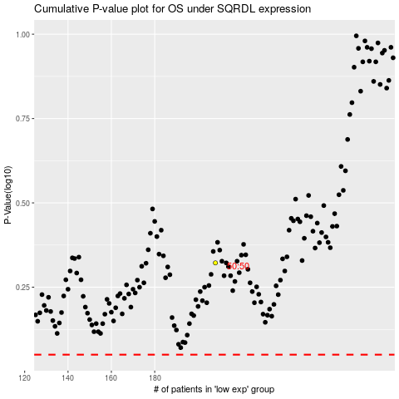

 |  |  |  |  |  | cases_OS | p_OS | rank | exp
 |  |  |  |  |  |  | cases_RFS | p_RFS | rank | exp

