SRBD1 _multivariate
Reported by Tex Li-Hsing Chi. tex@gate.sinica.edu.tw 2019-08-15

Table 2. The clinicopathological features of HNSCC cohort and SRBD1 expression. (Chi square test)
Cutoff at -0.085 (49.8%)
 |  | SRBD1 expression |  | SRBD1 expression |  | (Optimised)
 | Features | Low | (%) | High | (%) | Case no | P-value | Remark | Matthews
Gender | Female | 156 | 37.6 | 150 | 36.1 | 415 | 0.5222 | 0 | 0
2 | Male | 51 | 12.3 | 58 | 14
Age at diagnosis | <=65y | 144 | 34.7 | 130 | 31.3 | 415 | 0.1568 | 0 | 0
4 | >65y | 63 | 15.2 | 78 | 18.8
Clinical T Status | T1+T2 | 63 | 15.2 | 86 | 20.7 | 415 | 0.0268 | 1 | 0
6 | T3+T4 | 144 | 34.7 | 122 | 29.4
Clinical N Status | N0 | 96 | 23.1 | 120 | 28.9 | 415 | 0.0272 | 1 | 0
8 | N1-3 | 111 | 26.7 | 88 | 21.2
Clinical M Status | M0 | 204 | 49.2 | 208 | 50.1 | 415 | 0.1232 | 0 | 0
10 | M1 | 3 | 0.7 | 0 | 0
Clinical Stage | Stage I+II | 37 | 8.9 | 65 | 15.7 | 415 | 0.0023 | 1 | 0
12 | Stage III+IV | 170 | 41 | 143 | 34.5
Surgical Margin status | Negative | 154 | 37.1 | 164 | 39.5 | 415 | 0.2984 | 0 | 0
14 | Positive | 53 | 12.8 | 44 | 10.6
Tobacco Exposure | Low | 73 | 17.6 | 88 | 21.2 | 415 | 0.1587 | 0 | 0
16 | High | 134 | 32.3 | 120 | 28.9

Table 3. Univariate/Multivariate Cox's proportional hazards regression analyses on OS time of SRBD1 gene expression in HNSCC

 |  | Univariate |  |  |  | Multivariate
 | Features | HR | CI95%(L) | CI95%(H) | P-value | HR | CI95%(L) | CI95%(H) | P-value
1 | Female | 1 |  |  |  | 1
Gender | Male | 1.157 | 0.843 | 1.587 | 0.367 | 1.202 | 0.86 | 1.68 | 0.281
11 | <=65y | 1 |  |  |  | 1
Age at diagnosis | >65y | 1.329 | 0.99 | 1.784 | 0.058 | 1.403 | 1.03 | 1.911 | 0.032
12 | T1+T2 | 1 |  |  |  | 1
Clinical T Status | T3+T4 | 1.409 | 1.028 | 1.931 | 0.033 | 2.237 | 1.183 | 4.231 | 0.013
13 | N0 | 1 |  |  |  | 1
Clinical N Status | N1-3 | 1.185 | 0.89 | 1.577 | 0.246 | 1.305 | 0.91 | 1.871 | 0.147
14 | M0 | 1 |  |  |  | 1
Clinical M Status | M1 | 4.097 | 1.009 | 16.644 | 0.049 | 10.948 | 2.368 | 50.625 | 0.002
15 | Stage I+II | 1 |  |  |  | 1
Clinical Stage | Stage III+IV | 1.245 | 0.882 | 1.759 | 0.213 | 0.51 | 0.238 | 1.096 | 0.085
16 | Negative | 1 |  |  |  | 1
Surgical Margin status | Positive | 1.591 | 1.155 | 2.191 | 0.004 | 1.679 | 1.215 | 2.321 | 0.002
17 | Low | 1 |  |  |  | 1
Tobacco Exposure | High | 1.364 | 1.008 | 1.844 | 0.044 | 1.524 | 1.101 | 2.11 | 0.011
18 | Low | 1 |  |  |  | 1
RNAseq(z-score) | High | 1.196 | 0.897 | 1.595 | 0.222 | 1.36 | 1.006 | 1.84 | 0.046

Table 4. Univariate/Multivariate Cox's proportional hazards regression analyses on RFS time of SRBD1 gene expression in HNSCC

 |  | Univariate |  |  |  | Multivariate
 | Features | HR | CI95%(L) | CI95%(H) | P-value | HR | CI95%(L) | CI95%(H) | P-value
1 | Female | 1 |  |  |  | 1
Gender | Male | 1.157 | 0.843 | 1.587 | 0.367 | 1.202 | 0.86 | 1.68 | 0.281
11 | <=65y | 1 |  |  |  | 1
Age at diagnosis | >65y | 1.329 | 0.99 | 1.784 | 0.058 | 1.403 | 1.03 | 1.911 | 0.032
12 | T1+T2 | 1 |  |  |  | 1
Clinical T Status | T3+T4 | 1.409 | 1.028 | 1.931 | 0.033 | 2.237 | 1.183 | 4.231 | 0.013
13 | N0 | 1 |  |  |  | 1
Clinical N Status | N1-3 | 1.185 | 0.89 | 1.577 | 0.246 | 1.305 | 0.91 | 1.871 | 0.147
14 | M0 | 1 |  |  |  | 1
Clinical M Status | M1 | 4.097 | 1.009 | 16.644 | 0.049 | 10.948 | 2.368 | 50.625 | 0.002
15 | Stage I+II | 1 |  |  |  | 1
Clinical Stage | Stage III+IV | 1.245 | 0.882 | 1.759 | 0.213 | 0.51 | 0.238 | 1.096 | 0.085
16 | Negative | 1 |  |  |  | 1
Surgical Margin status | Positive | 1.591 | 1.155 | 2.191 | 0.004 | 1.679 | 1.215 | 2.321 | 0.002
17 | Low | 1 |  |  |  | 1
Tobacco Exposure | High | 1.364 | 1.008 | 1.844 | 0.044 | 1.524 | 1.101 | 2.11 | 0.011
18 | Low | 1 |  |  |  | 1
RNAseq(z-score) | High | 1.196 | 0.897 | 1.595 | 0.222 | 1.36 | 1.006 | 1.84 | 0.046

Kaplan-Meier survival estimate: Cutoff at -0.085 (49.8%)



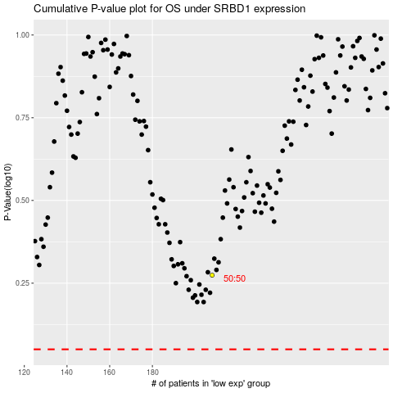

 |  |  |  |  |  | cases_OS | p_OS | rank | exp
 |  |  |  |  |  |  | cases_RFS | p_RFS | rank | exp

