SRCRB4D _multivariate
Reported by Tex Li-Hsing Chi. tex@gate.sinica.edu.tw 2019-08-15

Table 2. The clinicopathological features of HNSCC cohort and SRCRB4D expression. (Chi square test)
Cutoff at -0.188 (49.8%)
 |  | SRCRB4D expression |  | SRCRB4D expression |  | (Optimised)
 | Features | Low | (%) | High | (%) | Case no | P-value | Remark | Matthews
Gender | Female | 152 | 36.6 | 154 | 37.1 | 415 | 0.9766 | 0 | 0
2 | Male | 55 | 13.3 | 54 | 13
Age at diagnosis | <=65y | 132 | 31.8 | 142 | 34.2 | 415 | 0.3874 | 0 | 0
4 | >65y | 75 | 18.1 | 66 | 15.9
Clinical T Status | T1+T2 | 76 | 18.3 | 73 | 17.6 | 415 | 0.8092 | 0 | 0
6 | T3+T4 | 131 | 31.6 | 135 | 32.5
Clinical N Status | N0 | 104 | 25.1 | 112 | 27 | 415 | 0.5243 | 0 | 0
8 | N1-3 | 103 | 24.8 | 96 | 23.1
Clinical M Status | M0 | 207 | 49.9 | 205 | 49.4 | 415 | 0.2482 | 0 | 0
10 | M1 | 0 | 0 | 3 | 0.7
Clinical Stage | Stage I+II | 52 | 12.5 | 50 | 12 | 415 | 0.8871 | 0 | 0
12 | Stage III+IV | 155 | 37.3 | 158 | 38.1
Surgical Margin status | Negative | 154 | 37.1 | 164 | 39.5 | 415 | 0.2984 | 0 | 0
14 | Positive | 53 | 12.8 | 44 | 10.6
Tobacco Exposure | Low | 83 | 20 | 78 | 18.8 | 415 | 0.6152 | 0 | 0
16 | High | 124 | 29.9 | 130 | 31.3

Table 3. Univariate/Multivariate Cox's proportional hazards regression analyses on OS time of SRCRB4D gene expression in HNSCC

 |  | Univariate |  |  |  | Multivariate
 | Features | HR | CI95%(L) | CI95%(H) | P-value | HR | CI95%(L) | CI95%(H) | P-value
1 | Female | 1 |  |  |  | 1
Gender | Male | 1.157 | 0.843 | 1.587 | 0.367 | 1.204 | 0.862 | 1.682 | 0.277
11 | <=65y | 1 |  |  |  | 1
Age at diagnosis | >65y | 1.329 | 0.99 | 1.784 | 0.058 | 1.39 | 1.022 | 1.89 | 0.036
12 | T1+T2 | 1 |  |  |  | 1
Clinical T Status | T3+T4 | 1.409 | 1.028 | 1.931 | 0.033 | 2.208 | 1.167 | 4.176 | 0.015
13 | N0 | 1 |  |  |  | 1
Clinical N Status | N1-3 | 1.185 | 0.89 | 1.577 | 0.246 | 1.239 | 0.869 | 1.768 | 0.237
14 | M0 | 1 |  |  |  | 1
Clinical M Status | M1 | 4.097 | 1.009 | 16.644 | 0.049 | 9.807 | 2.122 | 45.324 | 0.003
15 | Stage I+II | 1 |  |  |  | 1
Clinical Stage | Stage III+IV | 1.245 | 0.882 | 1.759 | 0.213 | 0.505 | 0.235 | 1.083 | 0.079
16 | Negative | 1 |  |  |  | 1
Surgical Margin status | Positive | 1.591 | 1.155 | 2.191 | 0.004 | 1.666 | 1.206 | 2.303 | 0.002
17 | Low | 1 |  |  |  | 1
Tobacco Exposure | High | 1.364 | 1.008 | 1.844 | 0.044 | 1.457 | 1.057 | 2.008 | 0.022
18 | Low | 1 |  |  |  | 1
RNAseq(z-score) | High | 0.94 | 0.704 | 1.254 | 0.672 | 0.925 | 0.692 | 1.238 | 0.6

Table 4. Univariate/Multivariate Cox's proportional hazards regression analyses on RFS time of SRCRB4D gene expression in HNSCC

 |  | Univariate |  |  |  | Multivariate
 | Features | HR | CI95%(L) | CI95%(H) | P-value | HR | CI95%(L) | CI95%(H) | P-value
1 | Female | 1 |  |  |  | 1
Gender | Male | 1.157 | 0.843 | 1.587 | 0.367 | 1.204 | 0.862 | 1.682 | 0.277
11 | <=65y | 1 |  |  |  | 1
Age at diagnosis | >65y | 1.329 | 0.99 | 1.784 | 0.058 | 1.39 | 1.022 | 1.89 | 0.036
12 | T1+T2 | 1 |  |  |  | 1
Clinical T Status | T3+T4 | 1.409 | 1.028 | 1.931 | 0.033 | 2.208 | 1.167 | 4.176 | 0.015
13 | N0 | 1 |  |  |  | 1
Clinical N Status | N1-3 | 1.185 | 0.89 | 1.577 | 0.246 | 1.239 | 0.869 | 1.768 | 0.237
14 | M0 | 1 |  |  |  | 1
Clinical M Status | M1 | 4.097 | 1.009 | 16.644 | 0.049 | 9.807 | 2.122 | 45.324 | 0.003
15 | Stage I+II | 1 |  |  |  | 1
Clinical Stage | Stage III+IV | 1.245 | 0.882 | 1.759 | 0.213 | 0.505 | 0.235 | 1.083 | 0.079
16 | Negative | 1 |  |  |  | 1
Surgical Margin status | Positive | 1.591 | 1.155 | 2.191 | 0.004 | 1.666 | 1.206 | 2.303 | 0.002
17 | Low | 1 |  |  |  | 1
Tobacco Exposure | High | 1.364 | 1.008 | 1.844 | 0.044 | 1.457 | 1.057 | 2.008 | 0.022
18 | Low | 1 |  |  |  | 1
RNAseq(z-score) | High | 0.94 | 0.704 | 1.254 | 0.672 | 0.925 | 0.692 | 1.238 | 0.6

Kaplan-Meier survival estimate: Cutoff at -0.188 (49.8%)

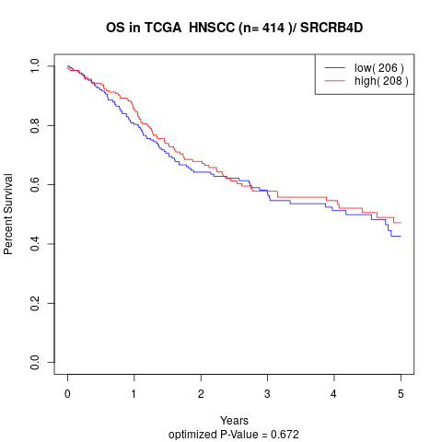

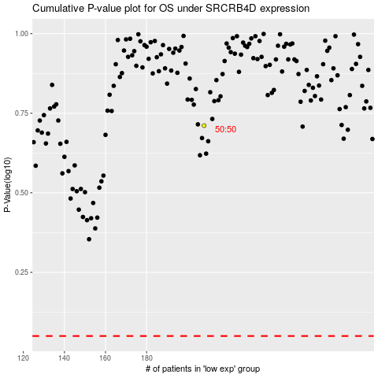

 |  |  |  |  |  | cases_OS | p_OS | rank | exp
 |  |  |  |  |  |  | cases_RFS | p_RFS | rank | exp

