SRD5A2 _multivariate
Reported by Tex Li-Hsing Chi. tex@gate.sinica.edu.tw 2019-08-15

Table 2. The clinicopathological features of HNSCC cohort and SRD5A2 expression. (Chi square test)
Cutoff at -0.12 (50.0%)
 |  | SRD5A2 expression |  | SRD5A2 expression |  | (Optimised)
 | Features | Low | (%) | High | (%) | Case no | P-value | Remark | Matthews
Gender | Female | 154 | 37.1 | 152 | 36.6 | 415 | 0.8463 | 0 | 0
2 | Male | 53 | 12.8 | 56 | 13.5
Age at diagnosis | <=65y | 132 | 31.8 | 142 | 34.2 | 415 | 0.3874 | 0 | 0
4 | >65y | 75 | 18.1 | 66 | 15.9
Clinical T Status | T1+T2 | 75 | 18.1 | 74 | 17.8 | 415 | 0.9707 | 0 | 0
6 | T3+T4 | 132 | 31.8 | 134 | 32.3
Clinical N Status | N0 | 111 | 26.7 | 105 | 25.3 | 415 | 0.5875 | 0 | 0
8 | N1-3 | 96 | 23.1 | 103 | 24.8
Clinical M Status | M0 | 205 | 49.4 | 207 | 49.9 | 415 | 0.6232 | 0 | 0
10 | M1 | 2 | 0.5 | 1 | 0.2
Clinical Stage | Stage I+II | 52 | 12.5 | 50 | 12 | 415 | 0.8871 | 0 | 0
12 | Stage III+IV | 155 | 37.3 | 158 | 38.1
Surgical Margin status | Negative | 164 | 39.5 | 154 | 37.1 | 415 | 0.2462 | 0 | 0
14 | Positive | 43 | 10.4 | 54 | 13
Tobacco Exposure | Low | 85 | 20.5 | 76 | 18.3 | 415 | 0.3655 | 0 | 0
16 | High | 122 | 29.4 | 132 | 31.8

Table 3. Univariate/Multivariate Cox's proportional hazards regression analyses on OS time of SRD5A2 gene expression in HNSCC

 |  | Univariate |  |  |  | Multivariate
 | Features | HR | CI95%(L) | CI95%(H) | P-value | HR | CI95%(L) | CI95%(H) | P-value
1 | Female | 1 |  |  |  | 1
Gender | Male | 1.157 | 0.843 | 1.587 | 0.367 | 1.205 | 0.862 | 1.683 | 0.276
11 | <=65y | 1 |  |  |  | 1
Age at diagnosis | >65y | 1.329 | 0.99 | 1.784 | 0.058 | 1.404 | 1.033 | 1.909 | 0.03
12 | T1+T2 | 1 |  |  |  | 1
Clinical T Status | T3+T4 | 1.409 | 1.028 | 1.931 | 0.033 | 2.227 | 1.177 | 4.215 | 0.014
13 | N0 | 1 |  |  |  | 1
Clinical N Status | N1-3 | 1.185 | 0.89 | 1.577 | 0.246 | 1.238 | 0.868 | 1.767 | 0.238
14 | M0 | 1 |  |  |  | 1
Clinical M Status | M1 | 4.097 | 1.009 | 16.644 | 0.049 | 10.24 | 2.224 | 47.158 | 0.003
15 | Stage I+II | 1 |  |  |  | 1
Clinical Stage | Stage III+IV | 1.245 | 0.882 | 1.759 | 0.213 | 0.495 | 0.231 | 1.063 | 0.071
16 | Negative | 1 |  |  |  | 1
Surgical Margin status | Positive | 1.591 | 1.155 | 2.191 | 0.004 | 1.667 | 1.205 | 2.305 | 0.002
17 | Low | 1 |  |  |  | 1
Tobacco Exposure | High | 1.364 | 1.008 | 1.844 | 0.044 | 1.454 | 1.055 | 2.003 | 0.022
18 | Low | 1 |  |  |  | 1
RNAseq(z-score) | High | 1.231 | 0.921 | 1.646 | 0.161 | 1.254 | 0.937 | 1.679 | 0.127

Table 4. Univariate/Multivariate Cox's proportional hazards regression analyses on RFS time of SRD5A2 gene expression in HNSCC

 |  | Univariate |  |  |  | Multivariate
 | Features | HR | CI95%(L) | CI95%(H) | P-value | HR | CI95%(L) | CI95%(H) | P-value
1 | Female | 1 |  |  |  | 1
Gender | Male | 1.157 | 0.843 | 1.587 | 0.367 | 1.205 | 0.862 | 1.683 | 0.276
11 | <=65y | 1 |  |  |  | 1
Age at diagnosis | >65y | 1.329 | 0.99 | 1.784 | 0.058 | 1.404 | 1.033 | 1.909 | 0.03
12 | T1+T2 | 1 |  |  |  | 1
Clinical T Status | T3+T4 | 1.409 | 1.028 | 1.931 | 0.033 | 2.227 | 1.177 | 4.215 | 0.014
13 | N0 | 1 |  |  |  | 1
Clinical N Status | N1-3 | 1.185 | 0.89 | 1.577 | 0.246 | 1.238 | 0.868 | 1.767 | 0.238
14 | M0 | 1 |  |  |  | 1
Clinical M Status | M1 | 4.097 | 1.009 | 16.644 | 0.049 | 10.24 | 2.224 | 47.158 | 0.003
15 | Stage I+II | 1 |  |  |  | 1
Clinical Stage | Stage III+IV | 1.245 | 0.882 | 1.759 | 0.213 | 0.495 | 0.231 | 1.063 | 0.071
16 | Negative | 1 |  |  |  | 1
Surgical Margin status | Positive | 1.591 | 1.155 | 2.191 | 0.004 | 1.667 | 1.205 | 2.305 | 0.002
17 | Low | 1 |  |  |  | 1
Tobacco Exposure | High | 1.364 | 1.008 | 1.844 | 0.044 | 1.454 | 1.055 | 2.003 | 0.022
18 | Low | 1 |  |  |  | 1
RNAseq(z-score) | High | 1.231 | 0.921 | 1.646 | 0.161 | 1.254 | 0.937 | 1.679 | 0.127

Kaplan-Meier survival estimate: Cutoff at -0.12 (50.0%)



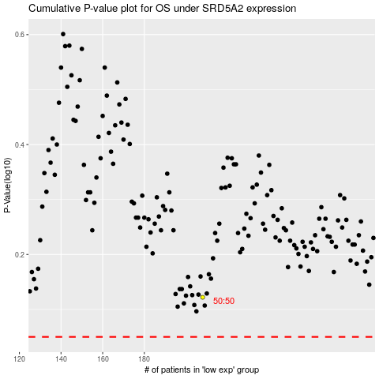

 |  |  |  |  |  | cases_OS | p_OS | rank | exp
 |  |  |  |  |  |  | cases_RFS | p_RFS | rank | exp

