SRGAP1 _multivariate
Reported by Tex Li-Hsing Chi. tex@gate.sinica.edu.tw 2019-08-15

Table 2. The clinicopathological features of HNSCC cohort and SRGAP1 expression. (Chi square test)
Cutoff at -0.194 (50.0%)
 |  | SRGAP1 expression |  | SRGAP1 expression |  | (Optimised)
 | Features | Low | (%) | High | (%) | Case no | P-value | Remark | Matthews
Gender | Female | 150 | 36.1 | 156 | 37.6 | 415 | 0.6344 | 0 | 0
2 | Male | 57 | 13.7 | 52 | 12.5
Age at diagnosis | <=65y | 136 | 32.8 | 138 | 33.3 | 415 | 0.9719 | 0 | 0
4 | >65y | 71 | 17.1 | 70 | 16.9
Clinical T Status | T1+T2 | 84 | 20.2 | 65 | 15.7 | 415 | 0.0603 | 0 | 0
6 | T3+T4 | 123 | 29.6 | 143 | 34.5
Clinical N Status | N0 | 108 | 26 | 108 | 26 | 415 | 1 | 0 | 0
8 | N1-3 | 99 | 23.9 | 100 | 24.1
Clinical M Status | M0 | 205 | 49.4 | 207 | 49.9 | 415 | 0.6232 | 0 | 0
10 | M1 | 2 | 0.5 | 1 | 0.2
Clinical Stage | Stage I+II | 56 | 13.5 | 46 | 11.1 | 415 | 0.2918 | 0 | 0
12 | Stage III+IV | 151 | 36.4 | 162 | 39
Surgical Margin status | Negative | 148 | 35.7 | 170 | 41 | 415 | 0.015 | 1 | 0
14 | Positive | 59 | 14.2 | 38 | 9.2
Tobacco Exposure | Low | 86 | 20.7 | 75 | 18.1 | 415 | 0.2687 | 0 | 0
16 | High | 121 | 29.2 | 133 | 32

Table 3. Univariate/Multivariate Cox's proportional hazards regression analyses on OS time of SRGAP1 gene expression in HNSCC

 |  | Univariate |  |  |  | Multivariate
 | Features | HR | CI95%(L) | CI95%(H) | P-value | HR | CI95%(L) | CI95%(H) | P-value
1 | Female | 1 |  |  |  | 1
Gender | Male | 1.157 | 0.843 | 1.587 | 0.367 | 1.221 | 0.872 | 1.709 | 0.244
11 | <=65y | 1 |  |  |  | 1
Age at diagnosis | >65y | 1.329 | 0.99 | 1.784 | 0.058 | 1.383 | 1.018 | 1.879 | 0.038
12 | T1+T2 | 1 |  |  |  | 1
Clinical T Status | T3+T4 | 1.409 | 1.028 | 1.931 | 0.033 | 2.192 | 1.159 | 4.146 | 0.016
13 | N0 | 1 |  |  |  | 1
Clinical N Status | N1-3 | 1.185 | 0.89 | 1.577 | 0.246 | 1.244 | 0.872 | 1.774 | 0.229
14 | M0 | 1 |  |  |  | 1
Clinical M Status | M1 | 4.097 | 1.009 | 16.644 | 0.049 | 9.802 | 2.132 | 45.063 | 0.003
15 | Stage I+II | 1 |  |  |  | 1
Clinical Stage | Stage III+IV | 1.245 | 0.882 | 1.759 | 0.213 | 0.502 | 0.234 | 1.077 | 0.077
16 | Negative | 1 |  |  |  | 1
Surgical Margin status | Positive | 1.591 | 1.155 | 2.191 | 0.004 | 1.724 | 1.238 | 2.401 | 0.001
17 | Low | 1 |  |  |  | 1
Tobacco Exposure | High | 1.364 | 1.008 | 1.844 | 0.044 | 1.445 | 1.049 | 1.99 | 0.024
18 | Low | 1 |  |  |  | 1
RNAseq(z-score) | High | 1.061 | 0.795 | 1.416 | 0.689 | 1.143 | 0.847 | 1.542 | 0.382

Table 4. Univariate/Multivariate Cox's proportional hazards regression analyses on RFS time of SRGAP1 gene expression in HNSCC

 |  | Univariate |  |  |  | Multivariate
 | Features | HR | CI95%(L) | CI95%(H) | P-value | HR | CI95%(L) | CI95%(H) | P-value
1 | Female | 1 |  |  |  | 1
Gender | Male | 1.157 | 0.843 | 1.587 | 0.367 | 1.221 | 0.872 | 1.709 | 0.244
11 | <=65y | 1 |  |  |  | 1
Age at diagnosis | >65y | 1.329 | 0.99 | 1.784 | 0.058 | 1.383 | 1.018 | 1.879 | 0.038
12 | T1+T2 | 1 |  |  |  | 1
Clinical T Status | T3+T4 | 1.409 | 1.028 | 1.931 | 0.033 | 2.192 | 1.159 | 4.146 | 0.016
13 | N0 | 1 |  |  |  | 1
Clinical N Status | N1-3 | 1.185 | 0.89 | 1.577 | 0.246 | 1.244 | 0.872 | 1.774 | 0.229
14 | M0 | 1 |  |  |  | 1
Clinical M Status | M1 | 4.097 | 1.009 | 16.644 | 0.049 | 9.802 | 2.132 | 45.063 | 0.003
15 | Stage I+II | 1 |  |  |  | 1
Clinical Stage | Stage III+IV | 1.245 | 0.882 | 1.759 | 0.213 | 0.502 | 0.234 | 1.077 | 0.077
16 | Negative | 1 |  |  |  | 1
Surgical Margin status | Positive | 1.591 | 1.155 | 2.191 | 0.004 | 1.724 | 1.238 | 2.401 | 0.001
17 | Low | 1 |  |  |  | 1
Tobacco Exposure | High | 1.364 | 1.008 | 1.844 | 0.044 | 1.445 | 1.049 | 1.99 | 0.024
18 | Low | 1 |  |  |  | 1
RNAseq(z-score) | High | 1.061 | 0.795 | 1.416 | 0.689 | 1.143 | 0.847 | 1.542 | 0.382

Kaplan-Meier survival estimate: Cutoff at -0.194 (50.0%)



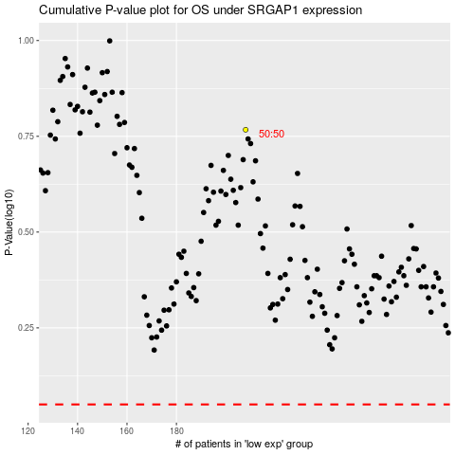

 |  |  |  |  |  | cases_OS | p_OS | rank | exp
 |  |  |  |  |  |  | cases_RFS | p_RFS | rank | exp

