SRGAP2 _multivariate
Reported by Tex Li-Hsing Chi. tex@gate.sinica.edu.tw 2019-08-15

Table 2. The clinicopathological features of HNSCC cohort and SRGAP2 expression. (Chi square test)
Cutoff at -0.021 (49.8%)
 |  | SRGAP2 expression |  | SRGAP2 expression |  | (Optimised)
 | Features | Low | (%) | High | (%) | Case no | P-value | Remark | Matthews
Gender | Female | 143 | 34.5 | 163 | 39.3 | 415 | 0.0416 | 1 | 0
2 | Male | 64 | 15.4 | 45 | 10.8
Age at diagnosis | <=65y | 131 | 31.6 | 143 | 34.5 | 415 | 0.2839 | 0 | 0
4 | >65y | 76 | 18.3 | 65 | 15.7
Clinical T Status | T1+T2 | 73 | 17.6 | 76 | 18.3 | 415 | 0.8666 | 0 | 0
6 | T3+T4 | 134 | 32.3 | 132 | 31.8
Clinical N Status | N0 | 110 | 26.5 | 106 | 25.5 | 415 | 0.7294 | 0 | 0
8 | N1-3 | 97 | 23.4 | 102 | 24.6
Clinical M Status | M0 | 204 | 49.2 | 208 | 50.1 | 415 | 0.1232 | 0 | 0
10 | M1 | 3 | 0.7 | 0 | 0
Clinical Stage | Stage I+II | 51 | 12.3 | 51 | 12.3 | 415 | 1 | 0 | 0
12 | Stage III+IV | 156 | 37.6 | 157 | 37.8
Surgical Margin status | Negative | 156 | 37.6 | 162 | 39 | 415 | 0.5636 | 0 | 0
14 | Positive | 51 | 12.3 | 46 | 11.1
Tobacco Exposure | Low | 87 | 21 | 74 | 17.8 | 415 | 0.1911 | 0 | 0
16 | High | 120 | 28.9 | 134 | 32.3

Table 3. Univariate/Multivariate Cox's proportional hazards regression analyses on OS time of SRGAP2 gene expression in HNSCC

 |  | Univariate |  |  |  | Multivariate
 | Features | HR | CI95%(L) | CI95%(H) | P-value | HR | CI95%(L) | CI95%(H) | P-value
1 | Female | 1 |  |  |  | 1
Gender | Male | 1.157 | 0.843 | 1.587 | 0.367 | 1.227 | 0.875 | 1.722 | 0.236
11 | <=65y | 1 |  |  |  | 1
Age at diagnosis | >65y | 1.329 | 0.99 | 1.784 | 0.058 | 1.403 | 1.031 | 1.91 | 0.031
12 | T1+T2 | 1 |  |  |  | 1
Clinical T Status | T3+T4 | 1.409 | 1.028 | 1.931 | 0.033 | 2.224 | 1.176 | 4.207 | 0.014
13 | N0 | 1 |  |  |  | 1
Clinical N Status | N1-3 | 1.185 | 0.89 | 1.577 | 0.246 | 1.24 | 0.869 | 1.771 | 0.236
14 | M0 | 1 |  |  |  | 1
Clinical M Status | M1 | 4.097 | 1.009 | 16.644 | 0.049 | 10.166 | 2.189 | 47.225 | 0.003
15 | Stage I+II | 1 |  |  |  | 1
Clinical Stage | Stage III+IV | 1.245 | 0.882 | 1.759 | 0.213 | 0.498 | 0.232 | 1.071 | 0.074
16 | Negative | 1 |  |  |  | 1
Surgical Margin status | Positive | 1.591 | 1.155 | 2.191 | 0.004 | 1.667 | 1.206 | 2.303 | 0.002
17 | Low | 1 |  |  |  | 1
Tobacco Exposure | High | 1.364 | 1.008 | 1.844 | 0.044 | 1.449 | 1.051 | 1.997 | 0.023
18 | Low | 1 |  |  |  | 1
RNAseq(z-score) | High | 1.064 | 0.798 | 1.42 | 0.67 | 1.124 | 0.835 | 1.513 | 0.439

Table 4. Univariate/Multivariate Cox's proportional hazards regression analyses on RFS time of SRGAP2 gene expression in HNSCC

 |  | Univariate |  |  |  | Multivariate
 | Features | HR | CI95%(L) | CI95%(H) | P-value | HR | CI95%(L) | CI95%(H) | P-value
1 | Female | 1 |  |  |  | 1
Gender | Male | 1.157 | 0.843 | 1.587 | 0.367 | 1.227 | 0.875 | 1.722 | 0.236
11 | <=65y | 1 |  |  |  | 1
Age at diagnosis | >65y | 1.329 | 0.99 | 1.784 | 0.058 | 1.403 | 1.031 | 1.91 | 0.031
12 | T1+T2 | 1 |  |  |  | 1
Clinical T Status | T3+T4 | 1.409 | 1.028 | 1.931 | 0.033 | 2.224 | 1.176 | 4.207 | 0.014
13 | N0 | 1 |  |  |  | 1
Clinical N Status | N1-3 | 1.185 | 0.89 | 1.577 | 0.246 | 1.24 | 0.869 | 1.771 | 0.236
14 | M0 | 1 |  |  |  | 1
Clinical M Status | M1 | 4.097 | 1.009 | 16.644 | 0.049 | 10.166 | 2.189 | 47.225 | 0.003
15 | Stage I+II | 1 |  |  |  | 1
Clinical Stage | Stage III+IV | 1.245 | 0.882 | 1.759 | 0.213 | 0.498 | 0.232 | 1.071 | 0.074
16 | Negative | 1 |  |  |  | 1
Surgical Margin status | Positive | 1.591 | 1.155 | 2.191 | 0.004 | 1.667 | 1.206 | 2.303 | 0.002
17 | Low | 1 |  |  |  | 1
Tobacco Exposure | High | 1.364 | 1.008 | 1.844 | 0.044 | 1.449 | 1.051 | 1.997 | 0.023
18 | Low | 1 |  |  |  | 1
RNAseq(z-score) | High | 1.064 | 0.798 | 1.42 | 0.67 | 1.124 | 0.835 | 1.513 | 0.439

Kaplan-Meier survival estimate: Cutoff at -0.021 (49.8%)



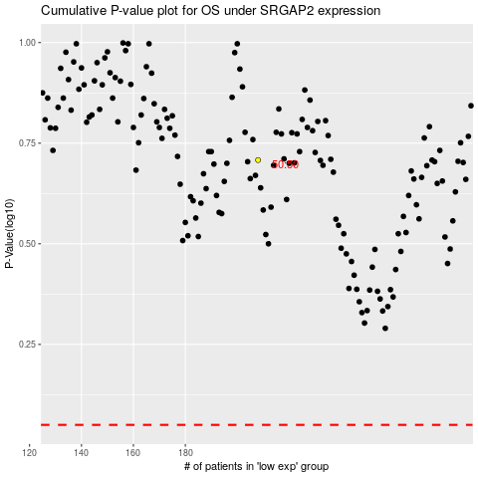

 |  |  |  |  |  | cases_OS | p_OS | rank | exp
 |  |  |  |  |  |  | cases_RFS | p_RFS | rank | exp

