SRGAP3 _multivariate
Reported by Tex Li-Hsing Chi. tex@gate.sinica.edu.tw 2019-08-15

Table 2. The clinicopathological features of HNSCC cohort and SRGAP3 expression. (Chi square test)
Cutoff at -0.355 (49.8%)
 |  | SRGAP3 expression |  | SRGAP3 expression |  | (Optimised)
 | Features | Low | (%) | High | (%) | Case no | P-value | Remark | Matthews
Gender | Female | 152 | 36.6 | 154 | 37.1 | 415 | 0.9766 | 0 | 0
2 | Male | 55 | 13.3 | 54 | 13
Age at diagnosis | <=65y | 137 | 33 | 137 | 33 | 415 | 1 | 0 | 0
4 | >65y | 70 | 16.9 | 71 | 17.1
Clinical T Status | T1+T2 | 76 | 18.3 | 73 | 17.6 | 415 | 0.8092 | 0 | 0
6 | T3+T4 | 131 | 31.6 | 135 | 32.5
Clinical N Status | N0 | 114 | 27.5 | 102 | 24.6 | 415 | 0.2576 | 1 | 0
8 | N1-3 | 93 | 22.4 | 106 | 25.5
Clinical M Status | M0 | 205 | 49.4 | 207 | 49.9 | 415 | 0.6232 | 0 | 0
10 | M1 | 2 | 0.5 | 1 | 0.2
Clinical Stage | Stage I+II | 57 | 13.7 | 45 | 10.8 | 415 | 0.1998 | 0 | 0
12 | Stage III+IV | 150 | 36.1 | 163 | 39.3
Surgical Margin status | Negative | 167 | 40.2 | 151 | 36.4 | 415 | 0.0632 | 0 | 0
14 | Positive | 40 | 9.6 | 57 | 13.7
Tobacco Exposure | Low | 82 | 19.8 | 79 | 19 | 415 | 0.763 | 0 | 0
16 | High | 125 | 30.1 | 129 | 31.1

Table 3. Univariate/Multivariate Cox's proportional hazards regression analyses on OS time of SRGAP3 gene expression in HNSCC

 |  | Univariate |  |  |  | Multivariate
 | Features | HR | CI95%(L) | CI95%(H) | P-value | HR | CI95%(L) | CI95%(H) | P-value
1 | Female | 1 |  |  |  | 1
Gender | Male | 1.157 | 0.843 | 1.587 | 0.367 | 1.201 | 0.86 | 1.678 | 0.282
11 | <=65y | 1 |  |  |  | 1
Age at diagnosis | >65y | 1.329 | 0.99 | 1.784 | 0.058 | 1.391 | 1.023 | 1.891 | 0.035
12 | T1+T2 | 1 |  |  |  | 1
Clinical T Status | T3+T4 | 1.409 | 1.028 | 1.931 | 0.033 | 2.202 | 1.164 | 4.163 | 0.015
13 | N0 | 1 |  |  |  | 1
Clinical N Status | N1-3 | 1.185 | 0.89 | 1.577 | 0.246 | 1.245 | 0.873 | 1.777 | 0.226
14 | M0 | 1 |  |  |  | 1
Clinical M Status | M1 | 4.097 | 1.009 | 16.644 | 0.049 | 9.177 | 1.995 | 42.213 | 0.004
15 | Stage I+II | 1 |  |  |  | 1
Clinical Stage | Stage III+IV | 1.245 | 0.882 | 1.759 | 0.213 | 0.51 | 0.237 | 1.096 | 0.085
16 | Negative | 1 |  |  |  | 1
Surgical Margin status | Positive | 1.591 | 1.155 | 2.191 | 0.004 | 1.688 | 1.218 | 2.338 | 0.002
17 | Low | 1 |  |  |  | 1
Tobacco Exposure | High | 1.364 | 1.008 | 1.844 | 0.044 | 1.446 | 1.049 | 1.994 | 0.024
18 | Low | 1 |  |  |  | 1
RNAseq(z-score) | High | 0.98 | 0.735 | 1.306 | 0.89 | 0.933 | 0.695 | 1.252 | 0.642

Table 4. Univariate/Multivariate Cox's proportional hazards regression analyses on RFS time of SRGAP3 gene expression in HNSCC

 |  | Univariate |  |  |  | Multivariate
 | Features | HR | CI95%(L) | CI95%(H) | P-value | HR | CI95%(L) | CI95%(H) | P-value
1 | Female | 1 |  |  |  | 1
Gender | Male | 1.157 | 0.843 | 1.587 | 0.367 | 1.201 | 0.86 | 1.678 | 0.282
11 | <=65y | 1 |  |  |  | 1
Age at diagnosis | >65y | 1.329 | 0.99 | 1.784 | 0.058 | 1.391 | 1.023 | 1.891 | 0.035
12 | T1+T2 | 1 |  |  |  | 1
Clinical T Status | T3+T4 | 1.409 | 1.028 | 1.931 | 0.033 | 2.202 | 1.164 | 4.163 | 0.015
13 | N0 | 1 |  |  |  | 1
Clinical N Status | N1-3 | 1.185 | 0.89 | 1.577 | 0.246 | 1.245 | 0.873 | 1.777 | 0.226
14 | M0 | 1 |  |  |  | 1
Clinical M Status | M1 | 4.097 | 1.009 | 16.644 | 0.049 | 9.177 | 1.995 | 42.213 | 0.004
15 | Stage I+II | 1 |  |  |  | 1
Clinical Stage | Stage III+IV | 1.245 | 0.882 | 1.759 | 0.213 | 0.51 | 0.237 | 1.096 | 0.085
16 | Negative | 1 |  |  |  | 1
Surgical Margin status | Positive | 1.591 | 1.155 | 2.191 | 0.004 | 1.688 | 1.218 | 2.338 | 0.002
17 | Low | 1 |  |  |  | 1
Tobacco Exposure | High | 1.364 | 1.008 | 1.844 | 0.044 | 1.446 | 1.049 | 1.994 | 0.024
18 | Low | 1 |  |  |  | 1
RNAseq(z-score) | High | 0.98 | 0.735 | 1.306 | 0.89 | 0.933 | 0.695 | 1.252 | 0.642

Kaplan-Meier survival estimate: Cutoff at -0.355 (49.8%)



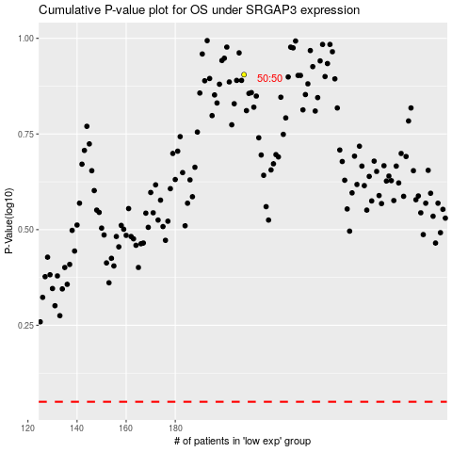

 |  |  |  |  |  | cases_OS | p_OS | rank | exp
 |  |  |  |  |  |  | cases_RFS | p_RFS | rank | exp

