SRI _multivariate
Reported by Tex Li-Hsing Chi. tex@gate.sinica.edu.tw 2019-08-15

Table 2. The clinicopathological features of HNSCC cohort and SRI expression. (Chi square test)
Cutoff at -0.21 (50.0%)
 |  | SRI expression |  | SRI expression |  | (Optimised)
 | Features | Low | (%) | High | (%) | Case no | P-value | Remark | Matthews
Gender | Female | 157 | 37.8 | 149 | 35.9 | 415 | 0.3881 | 0 | 0
2 | Male | 50 | 12 | 59 | 14.2
Age at diagnosis | <=65y | 141 | 34 | 133 | 32 | 415 | 0.4272 | 0 | 0
4 | >65y | 66 | 15.9 | 75 | 18.1
Clinical T Status | T1+T2 | 88 | 21.2 | 61 | 14.7 | 415 | 0.007 | 1 | 0
6 | T3+T4 | 119 | 28.7 | 147 | 35.4
Clinical N Status | N0 | 109 | 26.3 | 107 | 25.8 | 415 | 0.8812 | 0 | 0
8 | N1-3 | 98 | 23.6 | 101 | 24.3
Clinical M Status | M0 | 206 | 49.6 | 206 | 49.6 | 415 | 1 | 0 | 0
10 | M1 | 1 | 0.2 | 2 | 0.5
Clinical Stage | Stage I+II | 58 | 14 | 44 | 10.6 | 415 | 0.131 | 0 | 0
12 | Stage III+IV | 149 | 35.9 | 164 | 39.5
Surgical Margin status | Negative | 162 | 39 | 156 | 37.6 | 415 | 0.4867 | 0 | 0
14 | Positive | 45 | 10.8 | 52 | 12.5
Tobacco Exposure | Low | 77 | 18.6 | 84 | 20.2 | 415 | 0.5459 | 0 | 0
16 | High | 130 | 31.3 | 124 | 29.9

Table 3. Univariate/Multivariate Cox's proportional hazards regression analyses on OS time of SRI gene expression in HNSCC

 |  | Univariate |  |  |  | Multivariate
 | Features | HR | CI95%(L) | CI95%(H) | P-value | HR | CI95%(L) | CI95%(H) | P-value
1 | Female | 1 |  |  |  | 1
Gender | Male | 1.157 | 0.843 | 1.587 | 0.367 | 1.197 | 0.853 | 1.679 | 0.298
11 | <=65y | 1 |  |  |  | 1
Age at diagnosis | >65y | 1.329 | 0.99 | 1.784 | 0.058 | 1.39 | 1.022 | 1.89 | 0.036
12 | T1+T2 | 1 |  |  |  | 1
Clinical T Status | T3+T4 | 1.409 | 1.028 | 1.931 | 0.033 | 2.192 | 1.157 | 4.156 | 0.016
13 | N0 | 1 |  |  |  | 1
Clinical N Status | N1-3 | 1.185 | 0.89 | 1.577 | 0.246 | 1.24 | 0.869 | 1.769 | 0.237
14 | M0 | 1 |  |  |  | 1
Clinical M Status | M1 | 4.097 | 1.009 | 16.644 | 0.049 | 9.344 | 2.034 | 42.93 | 0.004
15 | Stage I+II | 1 |  |  |  | 1
Clinical Stage | Stage III+IV | 1.245 | 0.882 | 1.759 | 0.213 | 0.506 | 0.236 | 1.087 | 0.081
16 | Negative | 1 |  |  |  | 1
Surgical Margin status | Positive | 1.591 | 1.155 | 2.191 | 0.004 | 1.669 | 1.207 | 2.307 | 0.002
17 | Low | 1 |  |  |  | 1
Tobacco Exposure | High | 1.364 | 1.008 | 1.844 | 0.044 | 1.45 | 1.052 | 2 | 0.023
18 | Low | 1 |  |  |  | 1
RNAseq(z-score) | High | 1.143 | 0.858 | 1.523 | 0.359 | 1.023 | 0.763 | 1.373 | 0.877

Table 4. Univariate/Multivariate Cox's proportional hazards regression analyses on RFS time of SRI gene expression in HNSCC

 |  | Univariate |  |  |  | Multivariate
 | Features | HR | CI95%(L) | CI95%(H) | P-value | HR | CI95%(L) | CI95%(H) | P-value
1 | Female | 1 |  |  |  | 1
Gender | Male | 1.157 | 0.843 | 1.587 | 0.367 | 1.197 | 0.853 | 1.679 | 0.298
11 | <=65y | 1 |  |  |  | 1
Age at diagnosis | >65y | 1.329 | 0.99 | 1.784 | 0.058 | 1.39 | 1.022 | 1.89 | 0.036
12 | T1+T2 | 1 |  |  |  | 1
Clinical T Status | T3+T4 | 1.409 | 1.028 | 1.931 | 0.033 | 2.192 | 1.157 | 4.156 | 0.016
13 | N0 | 1 |  |  |  | 1
Clinical N Status | N1-3 | 1.185 | 0.89 | 1.577 | 0.246 | 1.24 | 0.869 | 1.769 | 0.237
14 | M0 | 1 |  |  |  | 1
Clinical M Status | M1 | 4.097 | 1.009 | 16.644 | 0.049 | 9.344 | 2.034 | 42.93 | 0.004
15 | Stage I+II | 1 |  |  |  | 1
Clinical Stage | Stage III+IV | 1.245 | 0.882 | 1.759 | 0.213 | 0.506 | 0.236 | 1.087 | 0.081
16 | Negative | 1 |  |  |  | 1
Surgical Margin status | Positive | 1.591 | 1.155 | 2.191 | 0.004 | 1.669 | 1.207 | 2.307 | 0.002
17 | Low | 1 |  |  |  | 1
Tobacco Exposure | High | 1.364 | 1.008 | 1.844 | 0.044 | 1.45 | 1.052 | 2 | 0.023
18 | Low | 1 |  |  |  | 1
RNAseq(z-score) | High | 1.143 | 0.858 | 1.523 | 0.359 | 1.023 | 0.763 | 1.373 | 0.877

Kaplan-Meier survival estimate: Cutoff at -0.21 (50.0%)

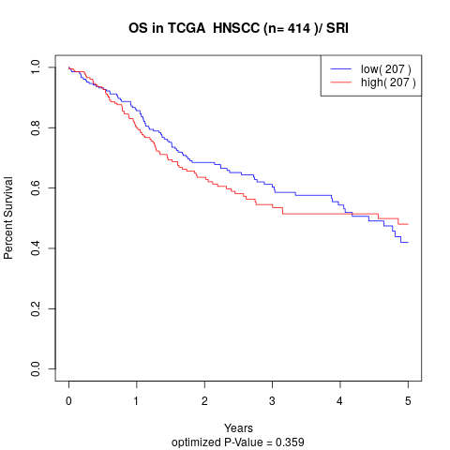

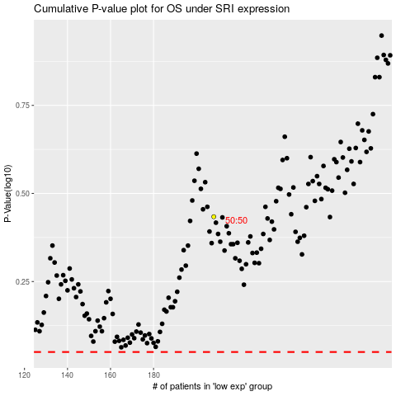

 |  |  |  |  |  | cases_OS | p_OS | rank | exp
 |  |  |  |  |  |  | cases_RFS | p_RFS | rank | exp

