SRP9 _multivariate
Reported by Tex Li-Hsing Chi. tex@gate.sinica.edu.tw 2019-08-15

Table 2. The clinicopathological features of HNSCC cohort and SRP9 expression. (Chi square test)
Cutoff at 0.083 (67.4%)
 |  | SRP9 expression |  | SRP9 expression |  | (Optimised)
 | Features | Low | (%) | High | (%) | Case no | P-value | Remark | Matthews
Gender | Female | 202 | 48.7 | 104 | 25.1 | 415 | 0.346 | 0 | 0
2 | Male | 78 | 18.8 | 31 | 7.5
Age at diagnosis | <=65y | 187 | 45.1 | 87 | 21 | 415 | 0.718 | 0 | 0
4 | >65y | 93 | 22.4 | 48 | 11.6
Clinical T Status | T1+T2 | 94 | 22.7 | 55 | 13.3 | 415 | 0.1878 | 0 | 0
6 | T3+T4 | 186 | 44.8 | 80 | 19.3
Clinical N Status | N0 | 149 | 35.9 | 67 | 16.1 | 415 | 0.562 | 0 | 0
8 | N1-3 | 131 | 31.6 | 68 | 16.4
Clinical M Status | M0 | 278 | 67 | 134 | 32.3 | 415 | 1 | 0 | 0
10 | M1 | 2 | 0.5 | 1 | 0.2
Clinical Stage | Stage I+II | 69 | 16.6 | 33 | 8 | 415 | 1 | 0 | 0
12 | Stage III+IV | 211 | 50.8 | 102 | 24.6
Surgical Margin status | Negative | 229 | 55.2 | 89 | 21.4 | 415 | 5e-04 | 1 | 0
14 | Positive | 51 | 12.3 | 46 | 11.1
Tobacco Exposure | Low | 110 | 26.5 | 51 | 12.3 | 415 | 0.8299 | 0 | 0
16 | High | 170 | 41 | 84 | 20.2

Table 3. Univariate/Multivariate Cox's proportional hazards regression analyses on OS time of SRP9 gene expression in HNSCC

 |  | Univariate |  |  |  | Multivariate
 | Features | HR | CI95%(L) | CI95%(H) | P-value | HR | CI95%(L) | CI95%(H) | P-value
1 | Female | 1 |  |  |  | 1
Gender | Male | 1.157 | 0.843 | 1.587 | 0.367 | 1.199 | 0.859 | 1.673 | 0.287
11 | <=65y | 1 |  |  |  | 1
Age at diagnosis | >65y | 1.329 | 0.99 | 1.784 | 0.058 | 1.383 | 1.018 | 1.879 | 0.038
12 | T1+T2 | 1 |  |  |  | 1
Clinical T Status | T3+T4 | 1.409 | 1.028 | 1.931 | 0.033 | 2.291 | 1.209 | 4.34 | 0.011
13 | N0 | 1 |  |  |  | 1
Clinical N Status | N1-3 | 1.185 | 0.89 | 1.577 | 0.246 | 1.249 | 0.876 | 1.781 | 0.22
14 | M0 | 1 |  |  |  | 1
Clinical M Status | M1 | 4.097 | 1.009 | 16.644 | 0.049 | 9.365 | 2.042 | 42.939 | 0.004
15 | Stage I+II | 1 |  |  |  | 1
Clinical Stage | Stage III+IV | 1.245 | 0.882 | 1.759 | 0.213 | 0.487 | 0.227 | 1.047 | 0.065
16 | Negative | 1 |  |  |  | 1
Surgical Margin status | Positive | 1.591 | 1.155 | 2.191 | 0.004 | 1.561 | 1.117 | 2.183 | 0.009
17 | Low | 1 |  |  |  | 1
Tobacco Exposure | High | 1.364 | 1.008 | 1.844 | 0.044 | 1.428 | 1.038 | 1.965 | 0.029
18 | Low | 1 |  |  |  | 1
RNAseq(z-score) | High | 1.363 | 1.01 | 1.838 | 0.043 | 1.28 | 0.936 | 1.749 | 0.122

Table 4. Univariate/Multivariate Cox's proportional hazards regression analyses on RFS time of SRP9 gene expression in HNSCC

 |  | Univariate |  |  |  | Multivariate
 | Features | HR | CI95%(L) | CI95%(H) | P-value | HR | CI95%(L) | CI95%(H) | P-value
1 | Female | 1 |  |  |  | 1
Gender | Male | 1.157 | 0.843 | 1.587 | 0.367 | 1.199 | 0.859 | 1.673 | 0.287
11 | <=65y | 1 |  |  |  | 1
Age at diagnosis | >65y | 1.329 | 0.99 | 1.784 | 0.058 | 1.383 | 1.018 | 1.879 | 0.038
12 | T1+T2 | 1 |  |  |  | 1
Clinical T Status | T3+T4 | 1.409 | 1.028 | 1.931 | 0.033 | 2.291 | 1.209 | 4.34 | 0.011
13 | N0 | 1 |  |  |  | 1
Clinical N Status | N1-3 | 1.185 | 0.89 | 1.577 | 0.246 | 1.249 | 0.876 | 1.781 | 0.22
14 | M0 | 1 |  |  |  | 1
Clinical M Status | M1 | 4.097 | 1.009 | 16.644 | 0.049 | 9.365 | 2.042 | 42.939 | 0.004
15 | Stage I+II | 1 |  |  |  | 1
Clinical Stage | Stage III+IV | 1.245 | 0.882 | 1.759 | 0.213 | 0.487 | 0.227 | 1.047 | 0.065
16 | Negative | 1 |  |  |  | 1
Surgical Margin status | Positive | 1.591 | 1.155 | 2.191 | 0.004 | 1.561 | 1.117 | 2.183 | 0.009
17 | Low | 1 |  |  |  | 1
Tobacco Exposure | High | 1.364 | 1.008 | 1.844 | 0.044 | 1.428 | 1.038 | 1.965 | 0.029
18 | Low | 1 |  |  |  | 1
RNAseq(z-score) | High | 1.363 | 1.01 | 1.838 | 0.043 | 1.28 | 0.936 | 1.749 | 0.122

Kaplan-Meier survival estimate: Cutoff at 0.083 (67.4%)



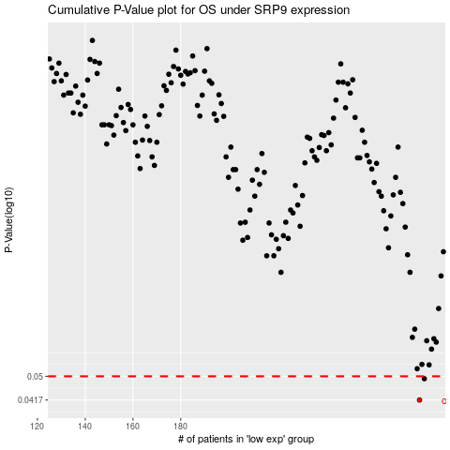

 |  |  |  |  |  | cases_OS | p_OS | rank | exp
 |  |  |  |  |  | 280 | 0.0417 | 253 | 0.082641138164
 |  |  |  |  |  | 282 | 0.0491 | 97 | 0.093783169386
 |  |  |  |  |  |  | cases_RFS | p_RFS | rank | exp
 |  |  |  |  |  |  | 279 | 0.0417 | 42 | 0.080586283807
 |  |  |  |  |  |  | 281 | 0.0491 | 352 | 0.089228482203

