SRPK2 _multivariate
Reported by Tex Li-Hsing Chi. tex@gate.sinica.edu.tw 2019-08-15

Table 2. The clinicopathological features of HNSCC cohort and SRPK2 expression. (Chi square test)
Cutoff at -0.05 (50.0%)
 |  | SRPK2 expression |  | SRPK2 expression |  | (Optimised)
 | Features | Low | (%) | High | (%) | Case no | P-value | Remark | Matthews
Gender | Female | 154 | 37.1 | 152 | 36.6 | 415 | 0.8463 | 0 | 0
2 | Male | 53 | 12.8 | 56 | 13.5
Age at diagnosis | <=65y | 133 | 32 | 141 | 34 | 415 | 0.5111 | 0 | 0
4 | >65y | 74 | 17.8 | 67 | 16.1
Clinical T Status | T1+T2 | 82 | 19.8 | 67 | 16.1 | 415 | 0.1417 | 0 | 0
6 | T3+T4 | 125 | 30.1 | 141 | 34
Clinical N Status | N0 | 106 | 25.5 | 110 | 26.5 | 415 | 0.8075 | 0 | 0
8 | N1-3 | 101 | 24.3 | 98 | 23.6
Clinical M Status | M0 | 206 | 49.6 | 206 | 49.6 | 415 | 1 | 0 | 0
10 | M1 | 1 | 0.2 | 2 | 0.5
Clinical Stage | Stage I+II | 54 | 13 | 48 | 11.6 | 415 | 0.5498 | 0 | 0
12 | Stage III+IV | 153 | 36.9 | 160 | 38.6
Surgical Margin status | Negative | 155 | 37.3 | 163 | 39.3 | 415 | 0.4187 | 0 | 0
14 | Positive | 52 | 12.5 | 45 | 10.8
Tobacco Exposure | Low | 83 | 20 | 78 | 18.8 | 415 | 0.6152 | 0 | 0
16 | High | 124 | 29.9 | 130 | 31.3

Table 3. Univariate/Multivariate Cox's proportional hazards regression analyses on OS time of SRPK2 gene expression in HNSCC

 |  | Univariate |  |  |  | Multivariate
 | Features | HR | CI95%(L) | CI95%(H) | P-value | HR | CI95%(L) | CI95%(H) | P-value
1 | Female | 1 |  |  |  | 1
Gender | Male | 1.157 | 0.843 | 1.587 | 0.367 | 1.201 | 0.86 | 1.677 | 0.283
11 | <=65y | 1 |  |  |  | 1
Age at diagnosis | >65y | 1.329 | 0.99 | 1.784 | 0.058 | 1.398 | 1.028 | 1.901 | 0.033
12 | T1+T2 | 1 |  |  |  | 1
Clinical T Status | T3+T4 | 1.409 | 1.028 | 1.931 | 0.033 | 2.181 | 1.153 | 4.127 | 0.017
13 | N0 | 1 |  |  |  | 1
Clinical N Status | N1-3 | 1.185 | 0.89 | 1.577 | 0.246 | 1.25 | 0.876 | 1.786 | 0.219
14 | M0 | 1 |  |  |  | 1
Clinical M Status | M1 | 4.097 | 1.009 | 16.644 | 0.049 | 9.255 | 2.017 | 42.473 | 0.004
15 | Stage I+II | 1 |  |  |  | 1
Clinical Stage | Stage III+IV | 1.245 | 0.882 | 1.759 | 0.213 | 0.505 | 0.235 | 1.085 | 0.08
16 | Negative | 1 |  |  |  | 1
Surgical Margin status | Positive | 1.591 | 1.155 | 2.191 | 0.004 | 1.675 | 1.212 | 2.314 | 0.002
17 | Low | 1 |  |  |  | 1
Tobacco Exposure | High | 1.364 | 1.008 | 1.844 | 0.044 | 1.455 | 1.056 | 2.005 | 0.022
18 | Low | 1 |  |  |  | 1
RNAseq(z-score) | High | 1.065 | 0.799 | 1.419 | 0.667 | 1.08 | 0.808 | 1.443 | 0.605

Table 4. Univariate/Multivariate Cox's proportional hazards regression analyses on RFS time of SRPK2 gene expression in HNSCC

 |  | Univariate |  |  |  | Multivariate
 | Features | HR | CI95%(L) | CI95%(H) | P-value | HR | CI95%(L) | CI95%(H) | P-value
1 | Female | 1 |  |  |  | 1
Gender | Male | 1.157 | 0.843 | 1.587 | 0.367 | 1.201 | 0.86 | 1.677 | 0.283
11 | <=65y | 1 |  |  |  | 1
Age at diagnosis | >65y | 1.329 | 0.99 | 1.784 | 0.058 | 1.398 | 1.028 | 1.901 | 0.033
12 | T1+T2 | 1 |  |  |  | 1
Clinical T Status | T3+T4 | 1.409 | 1.028 | 1.931 | 0.033 | 2.181 | 1.153 | 4.127 | 0.017
13 | N0 | 1 |  |  |  | 1
Clinical N Status | N1-3 | 1.185 | 0.89 | 1.577 | 0.246 | 1.25 | 0.876 | 1.786 | 0.219
14 | M0 | 1 |  |  |  | 1
Clinical M Status | M1 | 4.097 | 1.009 | 16.644 | 0.049 | 9.255 | 2.017 | 42.473 | 0.004
15 | Stage I+II | 1 |  |  |  | 1
Clinical Stage | Stage III+IV | 1.245 | 0.882 | 1.759 | 0.213 | 0.505 | 0.235 | 1.085 | 0.08
16 | Negative | 1 |  |  |  | 1
Surgical Margin status | Positive | 1.591 | 1.155 | 2.191 | 0.004 | 1.675 | 1.212 | 2.314 | 0.002
17 | Low | 1 |  |  |  | 1
Tobacco Exposure | High | 1.364 | 1.008 | 1.844 | 0.044 | 1.455 | 1.056 | 2.005 | 0.022
18 | Low | 1 |  |  |  | 1
RNAseq(z-score) | High | 1.065 | 0.799 | 1.419 | 0.667 | 1.08 | 0.808 | 1.443 | 0.605

Kaplan-Meier survival estimate: Cutoff at -0.05 (50.0%)



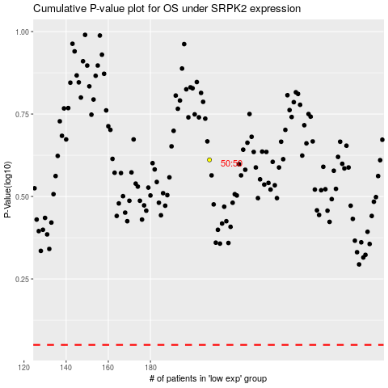

 |  |  |  |  |  | cases_OS | p_OS | rank | exp
 |  |  |  |  |  |  | cases_RFS | p_RFS | rank | exp

