SRPK3 _multivariate
Reported by Tex Li-Hsing Chi. tex@gate.sinica.edu.tw 2019-08-15

Table 2. The clinicopathological features of HNSCC cohort and SRPK3 expression. (Chi square test)
Cutoff at -0.279 (50.0%)
 |  | SRPK3 expression |  | SRPK3 expression |  | (Optimised)
 | Features | Low | (%) | High | (%) | Case no | P-value | Remark | Matthews
Gender | Female | 145 | 34.9 | 161 | 38.8 | 415 | 0.1116 | 0 | 0
2 | Male | 62 | 14.9 | 47 | 11.3
Age at diagnosis | <=65y | 118 | 28.4 | 156 | 37.6 | 415 | 2e-04 | 1 | 0
4 | >65y | 89 | 21.4 | 52 | 12.5
Clinical T Status | T1+T2 | 71 | 17.1 | 78 | 18.8 | 415 | 0.5638 | 0 | 0
6 | T3+T4 | 136 | 32.8 | 130 | 31.3
Clinical N Status | N0 | 110 | 26.5 | 106 | 25.5 | 415 | 0.7294 | 0 | 0
8 | N1-3 | 97 | 23.4 | 102 | 24.6
Clinical M Status | M0 | 204 | 49.2 | 208 | 50.1 | 415 | 0.1232 | 0 | 0
10 | M1 | 3 | 0.7 | 0 | 0
Clinical Stage | Stage I+II | 46 | 11.1 | 56 | 13.5 | 415 | 0.3182 | 0 | 0
12 | Stage III+IV | 161 | 38.8 | 152 | 36.6
Surgical Margin status | Negative | 150 | 36.1 | 168 | 40.5 | 415 | 0.0492 | 1 | 0
14 | Positive | 57 | 13.7 | 40 | 9.6
Tobacco Exposure | Low | 88 | 21.2 | 73 | 17.6 | 415 | 0.1314 | 0 | 0
16 | High | 119 | 28.7 | 135 | 32.5

Table 3. Univariate/Multivariate Cox's proportional hazards regression analyses on OS time of SRPK3 gene expression in HNSCC

 |  | Univariate |  |  |  | Multivariate
 | Features | HR | CI95%(L) | CI95%(H) | P-value | HR | CI95%(L) | CI95%(H) | P-value
1 | Female | 1 |  |  |  | 1
Gender | Male | 1.157 | 0.843 | 1.587 | 0.367 | 1.202 | 0.861 | 1.679 | 0.281
11 | <=65y | 1 |  |  |  | 1
Age at diagnosis | >65y | 1.329 | 0.99 | 1.784 | 0.058 | 1.378 | 1.008 | 1.883 | 0.045
12 | T1+T2 | 1 |  |  |  | 1
Clinical T Status | T3+T4 | 1.409 | 1.028 | 1.931 | 0.033 | 2.225 | 1.174 | 4.219 | 0.014
13 | N0 | 1 |  |  |  | 1
Clinical N Status | N1-3 | 1.185 | 0.89 | 1.577 | 0.246 | 1.249 | 0.874 | 1.786 | 0.222
14 | M0 | 1 |  |  |  | 1
Clinical M Status | M1 | 4.097 | 1.009 | 16.644 | 0.049 | 9.221 | 2.003 | 42.456 | 0.004
15 | Stage I+II | 1 |  |  |  | 1
Clinical Stage | Stage III+IV | 1.245 | 0.882 | 1.759 | 0.213 | 0.498 | 0.231 | 1.073 | 0.075
16 | Negative | 1 |  |  |  | 1
Surgical Margin status | Positive | 1.591 | 1.155 | 2.191 | 0.004 | 1.666 | 1.205 | 2.303 | 0.002
17 | Low | 1 |  |  |  | 1
Tobacco Exposure | High | 1.364 | 1.008 | 1.844 | 0.044 | 1.459 | 1.058 | 2.013 | 0.021
18 | Low | 1 |  |  |  | 1
RNAseq(z-score) | High | 0.918 | 0.689 | 1.223 | 0.558 | 0.949 | 0.702 | 1.284 | 0.736

Table 4. Univariate/Multivariate Cox's proportional hazards regression analyses on RFS time of SRPK3 gene expression in HNSCC

 |  | Univariate |  |  |  | Multivariate
 | Features | HR | CI95%(L) | CI95%(H) | P-value | HR | CI95%(L) | CI95%(H) | P-value
1 | Female | 1 |  |  |  | 1
Gender | Male | 1.157 | 0.843 | 1.587 | 0.367 | 1.202 | 0.861 | 1.679 | 0.281
11 | <=65y | 1 |  |  |  | 1
Age at diagnosis | >65y | 1.329 | 0.99 | 1.784 | 0.058 | 1.378 | 1.008 | 1.883 | 0.045
12 | T1+T2 | 1 |  |  |  | 1
Clinical T Status | T3+T4 | 1.409 | 1.028 | 1.931 | 0.033 | 2.225 | 1.174 | 4.219 | 0.014
13 | N0 | 1 |  |  |  | 1
Clinical N Status | N1-3 | 1.185 | 0.89 | 1.577 | 0.246 | 1.249 | 0.874 | 1.786 | 0.222
14 | M0 | 1 |  |  |  | 1
Clinical M Status | M1 | 4.097 | 1.009 | 16.644 | 0.049 | 9.221 | 2.003 | 42.456 | 0.004
15 | Stage I+II | 1 |  |  |  | 1
Clinical Stage | Stage III+IV | 1.245 | 0.882 | 1.759 | 0.213 | 0.498 | 0.231 | 1.073 | 0.075
16 | Negative | 1 |  |  |  | 1
Surgical Margin status | Positive | 1.591 | 1.155 | 2.191 | 0.004 | 1.666 | 1.205 | 2.303 | 0.002
17 | Low | 1 |  |  |  | 1
Tobacco Exposure | High | 1.364 | 1.008 | 1.844 | 0.044 | 1.459 | 1.058 | 2.013 | 0.021
18 | Low | 1 |  |  |  | 1
RNAseq(z-score) | High | 0.918 | 0.689 | 1.223 | 0.558 | 0.949 | 0.702 | 1.284 | 0.736

Kaplan-Meier survival estimate: Cutoff at -0.279 (50.0%)



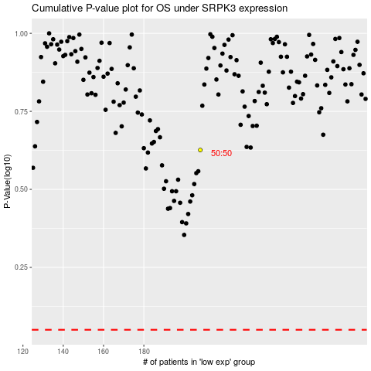

 |  |  |  |  |  | cases_OS | p_OS | rank | exp
 |  |  |  |  |  |  | cases_RFS | p_RFS | rank | exp

