SRPX2 _multivariate
Reported by Tex Li-Hsing Chi. tex@gate.sinica.edu.tw 2019-08-15

Table 2. The clinicopathological features of HNSCC cohort and SRPX2 expression. (Chi square test)
Cutoff at -0.483 (33.6%)
 |  | SRPX2 expression |  | SRPX2 expression |  | (Optimised)
 | Features | Low | (%) | High | (%) | Case no | P-value | Remark | Matthews
Gender | Female | 100 | 24.1 | 206 | 49.6 | 415 | 0.6379 | 0 | 0
2 | Male | 39 | 9.4 | 70 | 16.9
Age at diagnosis | <=65y | 89 | 21.4 | 185 | 44.6 | 415 | 0.6176 | 0 | 0
4 | >65y | 50 | 12 | 91 | 21.9
Clinical T Status | T1+T2 | 63 | 15.2 | 86 | 20.7 | 415 | 0.0063 | 1 | 0
6 | T3+T4 | 76 | 18.3 | 190 | 45.8
Clinical N Status | N0 | 74 | 17.8 | 142 | 34.2 | 415 | 0.8103 | 0 | 0
8 | N1-3 | 65 | 15.7 | 134 | 32.3
Clinical M Status | M0 | 138 | 33.3 | 274 | 66 | 415 | 1 | 0 | 0
10 | M1 | 1 | 0.2 | 2 | 0.5
Clinical Stage | Stage I+II | 39 | 9.4 | 63 | 15.2 | 415 | 0.2949 | 0 | 0
12 | Stage III+IV | 100 | 24.1 | 213 | 51.3
Surgical Margin status | Negative | 110 | 26.5 | 208 | 50.1 | 415 | 0.4611 | 0 | 0
14 | Positive | 29 | 7 | 68 | 16.4
Tobacco Exposure | Low | 62 | 14.9 | 99 | 23.9 | 415 | 0.0888 | 0 | 0
16 | High | 77 | 18.6 | 177 | 42.7

Table 3. Univariate/Multivariate Cox's proportional hazards regression analyses on OS time of SRPX2 gene expression in HNSCC

 |  | Univariate |  |  |  | Multivariate
 | Features | HR | CI95%(L) | CI95%(H) | P-value | HR | CI95%(L) | CI95%(H) | P-value
1 | Female | 1 |  |  |  | 1
Gender | Male | 1.157 | 0.843 | 1.587 | 0.367 | 1.206 | 0.864 | 1.685 | 0.272
11 | <=65y | 1 |  |  |  | 1
Age at diagnosis | >65y | 1.329 | 0.99 | 1.784 | 0.058 | 1.422 | 1.046 | 1.933 | 0.024
12 | T1+T2 | 1 |  |  |  | 1
Clinical T Status | T3+T4 | 1.409 | 1.028 | 1.931 | 0.033 | 2.087 | 1.102 | 3.953 | 0.024
13 | N0 | 1 |  |  |  | 1
Clinical N Status | N1-3 | 1.185 | 0.89 | 1.577 | 0.246 | 1.251 | 0.877 | 1.786 | 0.217
14 | M0 | 1 |  |  |  | 1
Clinical M Status | M1 | 4.097 | 1.009 | 16.644 | 0.049 | 9.068 | 1.978 | 41.582 | 0.005
15 | Stage I+II | 1 |  |  |  | 1
Clinical Stage | Stage III+IV | 1.245 | 0.882 | 1.759 | 0.213 | 0.522 | 0.243 | 1.121 | 0.095
16 | Negative | 1 |  |  |  | 1
Surgical Margin status | Positive | 1.591 | 1.155 | 2.191 | 0.004 | 1.632 | 1.18 | 2.256 | 0.003
17 | Low | 1 |  |  |  | 1
Tobacco Exposure | High | 1.364 | 1.008 | 1.844 | 0.044 | 1.432 | 1.04 | 1.972 | 0.028
18 | Low | 1 |  |  |  | 1
RNAseq(z-score) | High | 1.368 | 0.999 | 1.872 | 0.051 | 1.286 | 0.934 | 1.769 | 0.123

Table 4. Univariate/Multivariate Cox's proportional hazards regression analyses on RFS time of SRPX2 gene expression in HNSCC

 |  | Univariate |  |  |  | Multivariate
 | Features | HR | CI95%(L) | CI95%(H) | P-value | HR | CI95%(L) | CI95%(H) | P-value
1 | Female | 1 |  |  |  | 1
Gender | Male | 1.157 | 0.843 | 1.587 | 0.367 | 1.206 | 0.864 | 1.685 | 0.272
11 | <=65y | 1 |  |  |  | 1
Age at diagnosis | >65y | 1.329 | 0.99 | 1.784 | 0.058 | 1.422 | 1.046 | 1.933 | 0.024
12 | T1+T2 | 1 |  |  |  | 1
Clinical T Status | T3+T4 | 1.409 | 1.028 | 1.931 | 0.033 | 2.087 | 1.102 | 3.953 | 0.024
13 | N0 | 1 |  |  |  | 1
Clinical N Status | N1-3 | 1.185 | 0.89 | 1.577 | 0.246 | 1.251 | 0.877 | 1.786 | 0.217
14 | M0 | 1 |  |  |  | 1
Clinical M Status | M1 | 4.097 | 1.009 | 16.644 | 0.049 | 9.068 | 1.978 | 41.582 | 0.005
15 | Stage I+II | 1 |  |  |  | 1
Clinical Stage | Stage III+IV | 1.245 | 0.882 | 1.759 | 0.213 | 0.522 | 0.243 | 1.121 | 0.095
16 | Negative | 1 |  |  |  | 1
Surgical Margin status | Positive | 1.591 | 1.155 | 2.191 | 0.004 | 1.632 | 1.18 | 2.256 | 0.003
17 | Low | 1 |  |  |  | 1
Tobacco Exposure | High | 1.364 | 1.008 | 1.844 | 0.044 | 1.432 | 1.04 | 1.972 | 0.028
18 | Low | 1 |  |  |  | 1
RNAseq(z-score) | High | 1.368 | 0.999 | 1.872 | 0.051 | 1.286 | 0.934 | 1.769 | 0.123

Kaplan-Meier survival estimate: Cutoff at -0.483 (33.6%)



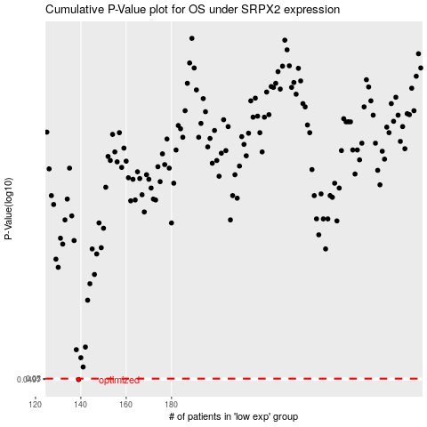

 |  |  |  |  |  | cases_OS | p_OS | rank | exp
 |  |  |  |  |  | 139 | 0.0497 | 142 | -0.48329676019
 |  |  |  |  |  |  | cases_RFS | p_RFS | rank | exp
 |  |  |  |  |  |  | 138 | 0.0497 | 132 | -0.48842197408

