SRR _multivariate
Reported by Tex Li-Hsing Chi. tex@gate.sinica.edu.tw 2019-08-15

Table 2. The clinicopathological features of HNSCC cohort and SRR expression. (Chi square test)
Cutoff at -0.614 (31.6%)
 |  | SRR expression |  | SRR expression |  | (Optimised)
 | Features | Low | (%) | High | (%) | Case no | P-value | Remark | Matthews
Gender | Female | 103 | 24.8 | 203 | 48.9 | 415 | 0.1563 | 0 | 0
2 | Male | 28 | 6.7 | 81 | 19.5
Age at diagnosis | <=65y | 84 | 20.2 | 190 | 45.8 | 415 | 0.657 | 0 | 0
4 | >65y | 47 | 11.3 | 94 | 22.7
Clinical T Status | T1+T2 | 46 | 11.1 | 103 | 24.8 | 415 | 0.9065 | 0 | 0
6 | T3+T4 | 85 | 20.5 | 181 | 43.6
Clinical N Status | N0 | 70 | 16.9 | 146 | 35.2 | 415 | 0.7807 | 0 | 0
8 | N1-3 | 61 | 14.7 | 138 | 33.3
Clinical M Status | M0 | 131 | 31.6 | 281 | 67.7 | 415 | 0.5549 | 0 | 0
10 | M1 | 0 | 0 | 3 | 0.7
Clinical Stage | Stage I+II | 31 | 7.5 | 71 | 17.1 | 415 | 0.8641 | 0 | 0
12 | Stage III+IV | 100 | 24.1 | 213 | 51.3
Surgical Margin status | Negative | 100 | 24.1 | 218 | 52.5 | 415 | 1 | 0 | 0
14 | Positive | 31 | 7.5 | 66 | 15.9
Tobacco Exposure | Low | 39 | 9.4 | 122 | 29.4 | 415 | 0.0125 | 1 | 0
16 | High | 92 | 22.2 | 162 | 39

Table 3. Univariate/Multivariate Cox's proportional hazards regression analyses on OS time of SRR gene expression in HNSCC

 |  | Univariate |  |  |  | Multivariate
 | Features | HR | CI95%(L) | CI95%(H) | P-value | HR | CI95%(L) | CI95%(H) | P-value
1 | Female | 1 |  |  |  | 1
Gender | Male | 1.157 | 0.843 | 1.587 | 0.367 | 1.241 | 0.887 | 1.736 | 0.207
11 | <=65y | 1 |  |  |  | 1
Age at diagnosis | >65y | 1.329 | 0.99 | 1.784 | 0.058 | 1.37 | 1.007 | 1.863 | 0.045
12 | T1+T2 | 1 |  |  |  | 1
Clinical T Status | T3+T4 | 1.409 | 1.028 | 1.931 | 0.033 | 2.269 | 1.199 | 4.292 | 0.012
13 | N0 | 1 |  |  |  | 1
Clinical N Status | N1-3 | 1.185 | 0.89 | 1.577 | 0.246 | 1.262 | 0.883 | 1.802 | 0.201
14 | M0 | 1 |  |  |  | 1
Clinical M Status | M1 | 4.097 | 1.009 | 16.644 | 0.049 | 10.692 | 2.313 | 49.415 | 0.002
15 | Stage I+II | 1 |  |  |  | 1
Clinical Stage | Stage III+IV | 1.245 | 0.882 | 1.759 | 0.213 | 0.479 | 0.223 | 1.03 | 0.06
16 | Negative | 1 |  |  |  | 1
Surgical Margin status | Positive | 1.591 | 1.155 | 2.191 | 0.004 | 1.653 | 1.195 | 2.285 | 0.002
17 | Low | 1 |  |  |  | 1
Tobacco Exposure | High | 1.364 | 1.008 | 1.844 | 0.044 | 1.419 | 1.029 | 1.958 | 0.033
18 | Low | 1 |  |  |  | 1
RNAseq(z-score) | High | 0.743 | 0.552 | 1 | 0.05 | 0.757 | 0.558 | 1.026 | 0.073

Table 4. Univariate/Multivariate Cox's proportional hazards regression analyses on RFS time of SRR gene expression in HNSCC

 |  | Univariate |  |  |  | Multivariate
 | Features | HR | CI95%(L) | CI95%(H) | P-value | HR | CI95%(L) | CI95%(H) | P-value
1 | Female | 1 |  |  |  | 1
Gender | Male | 1.157 | 0.843 | 1.587 | 0.367 | 1.241 | 0.887 | 1.736 | 0.207
11 | <=65y | 1 |  |  |  | 1
Age at diagnosis | >65y | 1.329 | 0.99 | 1.784 | 0.058 | 1.37 | 1.007 | 1.863 | 0.045
12 | T1+T2 | 1 |  |  |  | 1
Clinical T Status | T3+T4 | 1.409 | 1.028 | 1.931 | 0.033 | 2.269 | 1.199 | 4.292 | 0.012
13 | N0 | 1 |  |  |  | 1
Clinical N Status | N1-3 | 1.185 | 0.89 | 1.577 | 0.246 | 1.262 | 0.883 | 1.802 | 0.201
14 | M0 | 1 |  |  |  | 1
Clinical M Status | M1 | 4.097 | 1.009 | 16.644 | 0.049 | 10.692 | 2.313 | 49.415 | 0.002
15 | Stage I+II | 1 |  |  |  | 1
Clinical Stage | Stage III+IV | 1.245 | 0.882 | 1.759 | 0.213 | 0.479 | 0.223 | 1.03 | 0.06
16 | Negative | 1 |  |  |  | 1
Surgical Margin status | Positive | 1.591 | 1.155 | 2.191 | 0.004 | 1.653 | 1.195 | 2.285 | 0.002
17 | Low | 1 |  |  |  | 1
Tobacco Exposure | High | 1.364 | 1.008 | 1.844 | 0.044 | 1.419 | 1.029 | 1.958 | 0.033
18 | Low | 1 |  |  |  | 1
RNAseq(z-score) | High | 0.743 | 0.552 | 1 | 0.05 | 0.757 | 0.558 | 1.026 | 0.073

Kaplan-Meier survival estimate: Cutoff at -0.614 (31.6%)



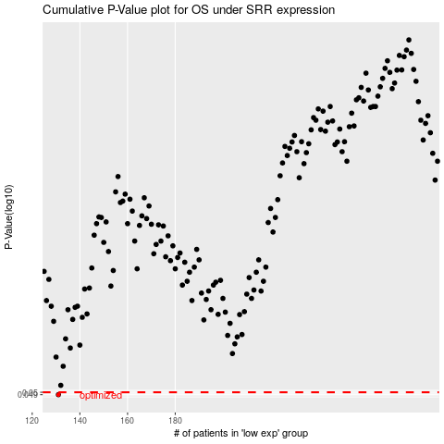

 |  |  |  |  |  | cases_OS | p_OS | rank | exp
 |  |  |  |  |  | 131 | 0.049 | 146 | -0.61417880286
 |  |  |  |  |  |  | cases_RFS | p_RFS | rank | exp
 |  |  |  |  |  |  | 130 | 0.049 | 61 | -0.61817389821

