SRRD _multivariate
Reported by Tex Li-Hsing Chi. tex@gate.sinica.edu.tw 2019-08-15

Table 2. The clinicopathological features of HNSCC cohort and SRRD expression. (Chi square test)
Cutoff at -0.136 (50.0%)
 |  | SRRD expression |  | SRRD expression |  | (Optimised)
 | Features | Low | (%) | High | (%) | Case no | P-value | Remark | Matthews
Gender | Female | 155 | 37.3 | 151 | 36.4 | 415 | 0.6768 | 0 | 0
2 | Male | 52 | 12.5 | 57 | 13.7
Age at diagnosis | <=65y | 127 | 30.6 | 147 | 35.4 | 415 | 0.0573 | 0 | 0
4 | >65y | 80 | 19.3 | 61 | 14.7
Clinical T Status | T1+T2 | 73 | 17.6 | 76 | 18.3 | 415 | 0.8666 | 0 | 0
6 | T3+T4 | 134 | 32.3 | 132 | 31.8
Clinical N Status | N0 | 107 | 25.8 | 109 | 26.3 | 415 | 0.9624 | 0 | 0
8 | N1-3 | 100 | 24.1 | 99 | 23.9
Clinical M Status | M0 | 206 | 49.6 | 206 | 49.6 | 415 | 1 | 0 | 0
10 | M1 | 1 | 0.2 | 2 | 0.5
Clinical Stage | Stage I+II | 44 | 10.6 | 58 | 14 | 415 | 0.1459 | 0 | 0
12 | Stage III+IV | 163 | 39.3 | 150 | 36.1
Surgical Margin status | Negative | 154 | 37.1 | 164 | 39.5 | 415 | 0.2984 | 0 | 0
14 | Positive | 53 | 12.8 | 44 | 10.6
Tobacco Exposure | Low | 82 | 19.8 | 79 | 19 | 415 | 0.763 | 0 | 0
16 | High | 125 | 30.1 | 129 | 31.1

Table 3. Univariate/Multivariate Cox's proportional hazards regression analyses on OS time of SRRD gene expression in HNSCC

 |  | Univariate |  |  |  | Multivariate
 | Features | HR | CI95%(L) | CI95%(H) | P-value | HR | CI95%(L) | CI95%(H) | P-value
1 | Female | 1 |  |  |  | 1
Gender | Male | 1.157 | 0.843 | 1.587 | 0.367 | 1.195 | 0.854 | 1.671 | 0.299
11 | <=65y | 1 |  |  |  | 1
Age at diagnosis | >65y | 1.329 | 0.99 | 1.784 | 0.058 | 1.403 | 1.03 | 1.911 | 0.032
12 | T1+T2 | 1 |  |  |  | 1
Clinical T Status | T3+T4 | 1.409 | 1.028 | 1.931 | 0.033 | 2.173 | 1.146 | 4.121 | 0.017
13 | N0 | 1 |  |  |  | 1
Clinical N Status | N1-3 | 1.185 | 0.89 | 1.577 | 0.246 | 1.24 | 0.869 | 1.77 | 0.235
14 | M0 | 1 |  |  |  | 1
Clinical M Status | M1 | 4.097 | 1.009 | 16.644 | 0.049 | 9.1 | 1.971 | 42.02 | 0.005
15 | Stage I+II | 1 |  |  |  | 1
Clinical Stage | Stage III+IV | 1.245 | 0.882 | 1.759 | 0.213 | 0.514 | 0.238 | 1.11 | 0.09
16 | Negative | 1 |  |  |  | 1
Surgical Margin status | Positive | 1.591 | 1.155 | 2.191 | 0.004 | 1.675 | 1.212 | 2.314 | 0.002
17 | Low | 1 |  |  |  | 1
Tobacco Exposure | High | 1.364 | 1.008 | 1.844 | 0.044 | 1.449 | 1.051 | 1.996 | 0.024
18 | Low | 1 |  |  |  | 1
RNAseq(z-score) | High | 1.074 | 0.806 | 1.431 | 0.626 | 1.067 | 0.795 | 1.431 | 0.667

Table 4. Univariate/Multivariate Cox's proportional hazards regression analyses on RFS time of SRRD gene expression in HNSCC

 |  | Univariate |  |  |  | Multivariate
 | Features | HR | CI95%(L) | CI95%(H) | P-value | HR | CI95%(L) | CI95%(H) | P-value
1 | Female | 1 |  |  |  | 1
Gender | Male | 1.157 | 0.843 | 1.587 | 0.367 | 1.195 | 0.854 | 1.671 | 0.299
11 | <=65y | 1 |  |  |  | 1
Age at diagnosis | >65y | 1.329 | 0.99 | 1.784 | 0.058 | 1.403 | 1.03 | 1.911 | 0.032
12 | T1+T2 | 1 |  |  |  | 1
Clinical T Status | T3+T4 | 1.409 | 1.028 | 1.931 | 0.033 | 2.173 | 1.146 | 4.121 | 0.017
13 | N0 | 1 |  |  |  | 1
Clinical N Status | N1-3 | 1.185 | 0.89 | 1.577 | 0.246 | 1.24 | 0.869 | 1.77 | 0.235
14 | M0 | 1 |  |  |  | 1
Clinical M Status | M1 | 4.097 | 1.009 | 16.644 | 0.049 | 9.1 | 1.971 | 42.02 | 0.005
15 | Stage I+II | 1 |  |  |  | 1
Clinical Stage | Stage III+IV | 1.245 | 0.882 | 1.759 | 0.213 | 0.514 | 0.238 | 1.11 | 0.09
16 | Negative | 1 |  |  |  | 1
Surgical Margin status | Positive | 1.591 | 1.155 | 2.191 | 0.004 | 1.675 | 1.212 | 2.314 | 0.002
17 | Low | 1 |  |  |  | 1
Tobacco Exposure | High | 1.364 | 1.008 | 1.844 | 0.044 | 1.449 | 1.051 | 1.996 | 0.024
18 | Low | 1 |  |  |  | 1
RNAseq(z-score) | High | 1.074 | 0.806 | 1.431 | 0.626 | 1.067 | 0.795 | 1.431 | 0.667

Kaplan-Meier survival estimate: Cutoff at -0.136 (50.0%)



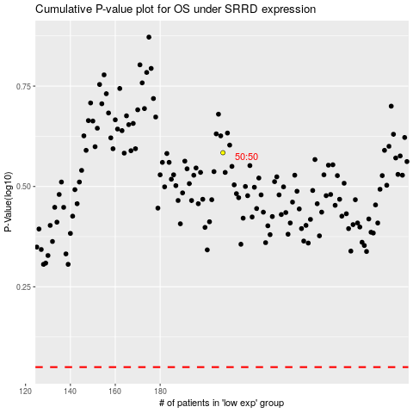

 |  |  |  |  |  | cases_OS | p_OS | rank | exp
 |  |  |  |  |  |  | cases_RFS | p_RFS | rank | exp

