SRRM1 _multivariate
Reported by Tex Li-Hsing Chi. tex@gate.sinica.edu.tw 2019-08-15

Table 2. The clinicopathological features of HNSCC cohort and SRRM1 expression. (Chi square test)
Cutoff at -0.105 (49.8%)
 |  | SRRM1 expression |  | SRRM1 expression |  | (Optimised)
 | Features | Low | (%) | High | (%) | Case no | P-value | Remark | Matthews
Gender | Female | 150 | 36.1 | 156 | 37.6 | 415 | 0.6344 | 0 | 0
2 | Male | 57 | 13.7 | 52 | 12.5
Age at diagnosis | <=65y | 139 | 33.5 | 135 | 32.5 | 415 | 0.7044 | 0 | 0
4 | >65y | 68 | 16.4 | 73 | 17.6
Clinical T Status | T1+T2 | 75 | 18.1 | 74 | 17.8 | 415 | 0.9707 | 0 | 0
6 | T3+T4 | 132 | 31.8 | 134 | 32.3
Clinical N Status | N0 | 112 | 27 | 104 | 25.1 | 415 | 0.4599 | 0 | 0
8 | N1-3 | 95 | 22.9 | 104 | 25.1
Clinical M Status | M0 | 205 | 49.4 | 207 | 49.9 | 415 | 0.6232 | 0 | 0
10 | M1 | 2 | 0.5 | 1 | 0.2
Clinical Stage | Stage I+II | 55 | 13.3 | 47 | 11.3 | 415 | 0.4087 | 0 | 0
12 | Stage III+IV | 152 | 36.6 | 161 | 38.8
Surgical Margin status | Negative | 162 | 39 | 156 | 37.6 | 415 | 0.4867 | 0 | 0
14 | Positive | 45 | 10.8 | 52 | 12.5
Tobacco Exposure | Low | 86 | 20.7 | 75 | 18.1 | 415 | 0.2687 | 0 | 0
16 | High | 121 | 29.2 | 133 | 32

Table 3. Univariate/Multivariate Cox's proportional hazards regression analyses on OS time of SRRM1 gene expression in HNSCC

 |  | Univariate |  |  |  | Multivariate
 | Features | HR | CI95%(L) | CI95%(H) | P-value | HR | CI95%(L) | CI95%(H) | P-value
1 | Female | 1 |  |  |  | 1
Gender | Male | 1.157 | 0.843 | 1.587 | 0.367 | 1.209 | 0.864 | 1.69 | 0.268
11 | <=65y | 1 |  |  |  | 1
Age at diagnosis | >65y | 1.329 | 0.99 | 1.784 | 0.058 | 1.387 | 1.02 | 1.887 | 0.037
12 | T1+T2 | 1 |  |  |  | 1
Clinical T Status | T3+T4 | 1.409 | 1.028 | 1.931 | 0.033 | 2.219 | 1.173 | 4.198 | 0.014
13 | N0 | 1 |  |  |  | 1
Clinical N Status | N1-3 | 1.185 | 0.89 | 1.577 | 0.246 | 1.241 | 0.87 | 1.77 | 0.234
14 | M0 | 1 |  |  |  | 1
Clinical M Status | M1 | 4.097 | 1.009 | 16.644 | 0.049 | 9.664 | 2.097 | 44.528 | 0.004
15 | Stage I+II | 1 |  |  |  | 1
Clinical Stage | Stage III+IV | 1.245 | 0.882 | 1.759 | 0.213 | 0.501 | 0.233 | 1.076 | 0.076
16 | Negative | 1 |  |  |  | 1
Surgical Margin status | Positive | 1.591 | 1.155 | 2.191 | 0.004 | 1.668 | 1.207 | 2.305 | 0.002
17 | Low | 1 |  |  |  | 1
Tobacco Exposure | High | 1.364 | 1.008 | 1.844 | 0.044 | 1.451 | 1.053 | 2 | 0.023
18 | Low | 1 |  |  |  | 1
RNAseq(z-score) | High | 1.047 | 0.787 | 1.395 | 0.751 | 1.064 | 0.797 | 1.422 | 0.673

Table 4. Univariate/Multivariate Cox's proportional hazards regression analyses on RFS time of SRRM1 gene expression in HNSCC

 |  | Univariate |  |  |  | Multivariate
 | Features | HR | CI95%(L) | CI95%(H) | P-value | HR | CI95%(L) | CI95%(H) | P-value
1 | Female | 1 |  |  |  | 1
Gender | Male | 1.157 | 0.843 | 1.587 | 0.367 | 1.209 | 0.864 | 1.69 | 0.268
11 | <=65y | 1 |  |  |  | 1
Age at diagnosis | >65y | 1.329 | 0.99 | 1.784 | 0.058 | 1.387 | 1.02 | 1.887 | 0.037
12 | T1+T2 | 1 |  |  |  | 1
Clinical T Status | T3+T4 | 1.409 | 1.028 | 1.931 | 0.033 | 2.219 | 1.173 | 4.198 | 0.014
13 | N0 | 1 |  |  |  | 1
Clinical N Status | N1-3 | 1.185 | 0.89 | 1.577 | 0.246 | 1.241 | 0.87 | 1.77 | 0.234
14 | M0 | 1 |  |  |  | 1
Clinical M Status | M1 | 4.097 | 1.009 | 16.644 | 0.049 | 9.664 | 2.097 | 44.528 | 0.004
15 | Stage I+II | 1 |  |  |  | 1
Clinical Stage | Stage III+IV | 1.245 | 0.882 | 1.759 | 0.213 | 0.501 | 0.233 | 1.076 | 0.076
16 | Negative | 1 |  |  |  | 1
Surgical Margin status | Positive | 1.591 | 1.155 | 2.191 | 0.004 | 1.668 | 1.207 | 2.305 | 0.002
17 | Low | 1 |  |  |  | 1
Tobacco Exposure | High | 1.364 | 1.008 | 1.844 | 0.044 | 1.451 | 1.053 | 2 | 0.023
18 | Low | 1 |  |  |  | 1
RNAseq(z-score) | High | 1.047 | 0.787 | 1.395 | 0.751 | 1.064 | 0.797 | 1.422 | 0.673

Kaplan-Meier survival estimate: Cutoff at -0.105 (49.8%)



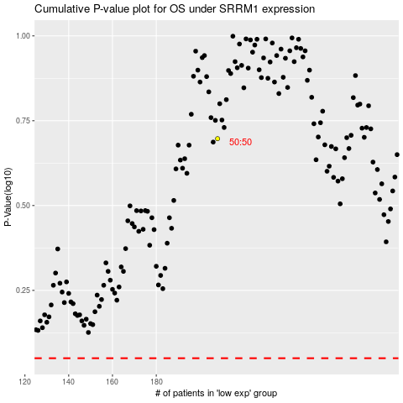

 |  |  |  |  |  | cases_OS | p_OS | rank | exp
 |  |  |  |  |  |  | cases_RFS | p_RFS | rank | exp

