SRRM3 _multivariate
Reported by Tex Li-Hsing Chi. tex@gate.sinica.edu.tw 2019-08-15

Table 2. The clinicopathological features of HNSCC cohort and SRRM3 expression. (Chi square test)
Cutoff at -0.344 (50.0%)
 |  | SRRM3 expression |  | SRRM3 expression |  | (Optimised)
 | Features | Low | (%) | High | (%) | Case no | P-value | Remark | Matthews
Gender | Female | 150 | 36.1 | 156 | 37.6 | 415 | 0.6344 | 0 | 0
2 | Male | 57 | 13.7 | 52 | 12.5
Age at diagnosis | <=65y | 138 | 33.3 | 136 | 32.8 | 415 | 0.8634 | 0 | 0
4 | >65y | 69 | 16.6 | 72 | 17.3
Clinical T Status | T1+T2 | 84 | 20.2 | 65 | 15.7 | 415 | 0.0603 | 0 | 0
6 | T3+T4 | 123 | 29.6 | 143 | 34.5
Clinical N Status | N0 | 94 | 22.7 | 122 | 29.4 | 415 | 0.0093 | 1 | 0
8 | N1-3 | 113 | 27.2 | 86 | 20.7
Clinical M Status | M0 | 206 | 49.6 | 206 | 49.6 | 415 | 1 | 0 | 0
10 | M1 | 1 | 0.2 | 2 | 0.5
Clinical Stage | Stage I+II | 52 | 12.5 | 50 | 12 | 415 | 0.8871 | 0 | 0
12 | Stage III+IV | 155 | 37.3 | 158 | 38.1
Surgical Margin status | Negative | 154 | 37.1 | 164 | 39.5 | 415 | 0.2984 | 0 | 0
14 | Positive | 53 | 12.8 | 44 | 10.6
Tobacco Exposure | Low | 91 | 21.9 | 70 | 16.9 | 415 | 0.0346 | 1 | 0
16 | High | 116 | 28 | 138 | 33.3

Table 3. Univariate/Multivariate Cox's proportional hazards regression analyses on OS time of SRRM3 gene expression in HNSCC

 |  | Univariate |  |  |  | Multivariate
 | Features | HR | CI95%(L) | CI95%(H) | P-value | HR | CI95%(L) | CI95%(H) | P-value
1 | Female | 1 |  |  |  | 1
Gender | Male | 1.157 | 0.843 | 1.587 | 0.367 | 1.216 | 0.87 | 1.7 | 0.252
11 | <=65y | 1 |  |  |  | 1
Age at diagnosis | >65y | 1.329 | 0.99 | 1.784 | 0.058 | 1.389 | 1.021 | 1.889 | 0.037
12 | T1+T2 | 1 |  |  |  | 1
Clinical T Status | T3+T4 | 1.409 | 1.028 | 1.931 | 0.033 | 2.26 | 1.194 | 4.28 | 0.012
13 | N0 | 1 |  |  |  | 1
Clinical N Status | N1-3 | 1.185 | 0.89 | 1.577 | 0.246 | 1.211 | 0.847 | 1.732 | 0.294
14 | M0 | 1 |  |  |  | 1
Clinical M Status | M1 | 4.097 | 1.009 | 16.644 | 0.049 | 9.968 | 2.167 | 45.848 | 0.003
15 | Stage I+II | 1 |  |  |  | 1
Clinical Stage | Stage III+IV | 1.245 | 0.882 | 1.759 | 0.213 | 0.495 | 0.231 | 1.063 | 0.071
16 | Negative | 1 |  |  |  | 1
Surgical Margin status | Positive | 1.591 | 1.155 | 2.191 | 0.004 | 1.666 | 1.206 | 2.302 | 0.002
17 | Low | 1 |  |  |  | 1
Tobacco Exposure | High | 1.364 | 1.008 | 1.844 | 0.044 | 1.502 | 1.084 | 2.083 | 0.015
18 | Low | 1 |  |  |  | 1
RNAseq(z-score) | High | 0.9 | 0.675 | 1.2 | 0.473 | 0.843 | 0.627 | 1.133 | 0.257

Table 4. Univariate/Multivariate Cox's proportional hazards regression analyses on RFS time of SRRM3 gene expression in HNSCC

 |  | Univariate |  |  |  | Multivariate
 | Features | HR | CI95%(L) | CI95%(H) | P-value | HR | CI95%(L) | CI95%(H) | P-value
1 | Female | 1 |  |  |  | 1
Gender | Male | 1.157 | 0.843 | 1.587 | 0.367 | 1.216 | 0.87 | 1.7 | 0.252
11 | <=65y | 1 |  |  |  | 1
Age at diagnosis | >65y | 1.329 | 0.99 | 1.784 | 0.058 | 1.389 | 1.021 | 1.889 | 0.037
12 | T1+T2 | 1 |  |  |  | 1
Clinical T Status | T3+T4 | 1.409 | 1.028 | 1.931 | 0.033 | 2.26 | 1.194 | 4.28 | 0.012
13 | N0 | 1 |  |  |  | 1
Clinical N Status | N1-3 | 1.185 | 0.89 | 1.577 | 0.246 | 1.211 | 0.847 | 1.732 | 0.294
14 | M0 | 1 |  |  |  | 1
Clinical M Status | M1 | 4.097 | 1.009 | 16.644 | 0.049 | 9.968 | 2.167 | 45.848 | 0.003
15 | Stage I+II | 1 |  |  |  | 1
Clinical Stage | Stage III+IV | 1.245 | 0.882 | 1.759 | 0.213 | 0.495 | 0.231 | 1.063 | 0.071
16 | Negative | 1 |  |  |  | 1
Surgical Margin status | Positive | 1.591 | 1.155 | 2.191 | 0.004 | 1.666 | 1.206 | 2.302 | 0.002
17 | Low | 1 |  |  |  | 1
Tobacco Exposure | High | 1.364 | 1.008 | 1.844 | 0.044 | 1.502 | 1.084 | 2.083 | 0.015
18 | Low | 1 |  |  |  | 1
RNAseq(z-score) | High | 0.9 | 0.675 | 1.2 | 0.473 | 0.843 | 0.627 | 1.133 | 0.257

Kaplan-Meier survival estimate: Cutoff at -0.344 (50.0%)



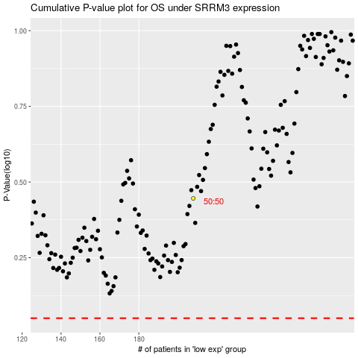

 |  |  |  |  |  | cases_OS | p_OS | rank | exp
 |  |  |  |  |  |  | cases_RFS | p_RFS | rank | exp

