SRRT _multivariate
Reported by Tex Li-Hsing Chi. tex@gate.sinica.edu.tw 2019-08-15

Table 2. The clinicopathological features of HNSCC cohort and SRRT expression. (Chi square test)
Cutoff at -0.145 (49.8%)
 |  | SRRT expression |  | SRRT expression |  | (Optimised)
 | Features | Low | (%) | High | (%) | Case no | P-value | Remark | Matthews
Gender | Female | 140 | 33.7 | 166 | 40 | 415 | 0.0068 | 1 | 0
2 | Male | 67 | 16.1 | 42 | 10.1
Age at diagnosis | <=65y | 130 | 31.3 | 144 | 34.7 | 415 | 0.2009 | 0 | 0
4 | >65y | 77 | 18.6 | 64 | 15.4
Clinical T Status | T1+T2 | 78 | 18.8 | 71 | 17.1 | 415 | 0.5152 | 0 | 0
6 | T3+T4 | 129 | 31.1 | 137 | 33
Clinical N Status | N0 | 114 | 27.5 | 102 | 24.6 | 415 | 0.2576 | 1 | 0
8 | N1-3 | 93 | 22.4 | 106 | 25.5
Clinical M Status | M0 | 207 | 49.9 | 205 | 49.4 | 415 | 0.2482 | 0 | 0
10 | M1 | 0 | 0 | 3 | 0.7
Clinical Stage | Stage I+II | 61 | 14.7 | 41 | 9.9 | 415 | 0.0282 | 1 | 0
12 | Stage III+IV | 146 | 35.2 | 167 | 40.2
Surgical Margin status | Negative | 167 | 40.2 | 151 | 36.4 | 415 | 0.0632 | 0 | 0
14 | Positive | 40 | 9.6 | 57 | 13.7
Tobacco Exposure | Low | 91 | 21.9 | 70 | 16.9 | 415 | 0.0346 | 1 | 0
16 | High | 116 | 28 | 138 | 33.3

Table 3. Univariate/Multivariate Cox's proportional hazards regression analyses on OS time of SRRT gene expression in HNSCC

 |  | Univariate |  |  |  | Multivariate
 | Features | HR | CI95%(L) | CI95%(H) | P-value | HR | CI95%(L) | CI95%(H) | P-value
1 | Female | 1 |  |  |  | 1
Gender | Male | 1.157 | 0.843 | 1.587 | 0.367 | 1.183 | 0.847 | 1.652 | 0.324
11 | <=65y | 1 |  |  |  | 1
Age at diagnosis | >65y | 1.329 | 0.99 | 1.784 | 0.058 | 1.417 | 1.041 | 1.928 | 0.027
12 | T1+T2 | 1 |  |  |  | 1
Clinical T Status | T3+T4 | 1.409 | 1.028 | 1.931 | 0.033 | 2.164 | 1.143 | 4.095 | 0.018
13 | N0 | 1 |  |  |  | 1
Clinical N Status | N1-3 | 1.185 | 0.89 | 1.577 | 0.246 | 1.225 | 0.859 | 1.748 | 0.263
14 | M0 | 1 |  |  |  | 1
Clinical M Status | M1 | 4.097 | 1.009 | 16.644 | 0.049 | 10.358 | 2.245 | 47.78 | 0.003
15 | Stage I+II | 1 |  |  |  | 1
Clinical Stage | Stage III+IV | 1.245 | 0.882 | 1.759 | 0.213 | 0.536 | 0.249 | 1.155 | 0.111
16 | Negative | 1 |  |  |  | 1
Surgical Margin status | Positive | 1.591 | 1.155 | 2.191 | 0.004 | 1.728 | 1.246 | 2.396 | 0.001
17 | Low | 1 |  |  |  | 1
Tobacco Exposure | High | 1.364 | 1.008 | 1.844 | 0.044 | 1.474 | 1.069 | 2.032 | 0.018
18 | Low | 1 |  |  |  | 1
RNAseq(z-score) | High | 0.9 | 0.676 | 1.199 | 0.472 | 0.802 | 0.596 | 1.08 | 0.146

Table 4. Univariate/Multivariate Cox's proportional hazards regression analyses on RFS time of SRRT gene expression in HNSCC

 |  | Univariate |  |  |  | Multivariate
 | Features | HR | CI95%(L) | CI95%(H) | P-value | HR | CI95%(L) | CI95%(H) | P-value
1 | Female | 1 |  |  |  | 1
Gender | Male | 1.157 | 0.843 | 1.587 | 0.367 | 1.183 | 0.847 | 1.652 | 0.324
11 | <=65y | 1 |  |  |  | 1
Age at diagnosis | >65y | 1.329 | 0.99 | 1.784 | 0.058 | 1.417 | 1.041 | 1.928 | 0.027
12 | T1+T2 | 1 |  |  |  | 1
Clinical T Status | T3+T4 | 1.409 | 1.028 | 1.931 | 0.033 | 2.164 | 1.143 | 4.095 | 0.018
13 | N0 | 1 |  |  |  | 1
Clinical N Status | N1-3 | 1.185 | 0.89 | 1.577 | 0.246 | 1.225 | 0.859 | 1.748 | 0.263
14 | M0 | 1 |  |  |  | 1
Clinical M Status | M1 | 4.097 | 1.009 | 16.644 | 0.049 | 10.358 | 2.245 | 47.78 | 0.003
15 | Stage I+II | 1 |  |  |  | 1
Clinical Stage | Stage III+IV | 1.245 | 0.882 | 1.759 | 0.213 | 0.536 | 0.249 | 1.155 | 0.111
16 | Negative | 1 |  |  |  | 1
Surgical Margin status | Positive | 1.591 | 1.155 | 2.191 | 0.004 | 1.728 | 1.246 | 2.396 | 0.001
17 | Low | 1 |  |  |  | 1
Tobacco Exposure | High | 1.364 | 1.008 | 1.844 | 0.044 | 1.474 | 1.069 | 2.032 | 0.018
18 | Low | 1 |  |  |  | 1
RNAseq(z-score) | High | 0.9 | 0.676 | 1.199 | 0.472 | 0.802 | 0.596 | 1.08 | 0.146

Kaplan-Meier survival estimate: Cutoff at -0.145 (49.8%)



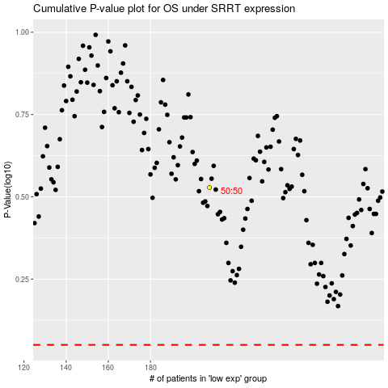

 |  |  |  |  |  | cases_OS | p_OS | rank | exp
 |  |  |  |  |  |  | cases_RFS | p_RFS | rank | exp

