SS18L2 _multivariate
Reported by Tex Li-Hsing Chi. tex@gate.sinica.edu.tw 2019-08-15

Table 2. The clinicopathological features of HNSCC cohort and SS18L2 expression. (Chi square test)
Cutoff at -0.32 (49.8%)
 |  | SS18L2 expression |  | SS18L2 expression |  | (Optimised)
 | Features | Low | (%) | High | (%) | Case no | P-value | Remark | Matthews
Gender | Female | 157 | 37.8 | 149 | 35.9 | 415 | 0.3881 | 0 | 0
2 | Male | 50 | 12 | 59 | 14.2
Age at diagnosis | <=65y | 137 | 33 | 137 | 33 | 415 | 1 | 0 | 0
4 | >65y | 70 | 16.9 | 71 | 17.1
Clinical T Status | T1+T2 | 73 | 17.6 | 76 | 18.3 | 415 | 0.8666 | 0 | 0
6 | T3+T4 | 134 | 32.3 | 132 | 31.8
Clinical N Status | N0 | 108 | 26 | 108 | 26 | 415 | 1 | 0 | 0
8 | N1-3 | 99 | 23.9 | 100 | 24.1
Clinical M Status | M0 | 206 | 49.6 | 206 | 49.6 | 415 | 1 | 0 | 0
10 | M1 | 1 | 0.2 | 2 | 0.5
Clinical Stage | Stage I+II | 53 | 12.8 | 49 | 11.8 | 415 | 0.7113 | 0 | 0
12 | Stage III+IV | 154 | 37.1 | 159 | 38.3
Surgical Margin status | Negative | 168 | 40.5 | 150 | 36.1 | 415 | 0.0366 | 1 | 0
14 | Positive | 39 | 9.4 | 58 | 14
Tobacco Exposure | Low | 73 | 17.6 | 88 | 21.2 | 415 | 0.1587 | 0 | 0
16 | High | 134 | 32.3 | 120 | 28.9

Table 3. Univariate/Multivariate Cox's proportional hazards regression analyses on OS time of SS18L2 gene expression in HNSCC

 |  | Univariate |  |  |  | Multivariate
 | Features | HR | CI95%(L) | CI95%(H) | P-value | HR | CI95%(L) | CI95%(H) | P-value
1 | Female | 1 |  |  |  | 1
Gender | Male | 1.157 | 0.843 | 1.587 | 0.367 | 1.235 | 0.88 | 1.733 | 0.222
11 | <=65y | 1 |  |  |  | 1
Age at diagnosis | >65y | 1.329 | 0.99 | 1.784 | 0.058 | 1.382 | 1.016 | 1.881 | 0.039
12 | T1+T2 | 1 |  |  |  | 1
Clinical T Status | T3+T4 | 1.409 | 1.028 | 1.931 | 0.033 | 2.173 | 1.149 | 4.11 | 0.017
13 | N0 | 1 |  |  |  | 1
Clinical N Status | N1-3 | 1.185 | 0.89 | 1.577 | 0.246 | 1.224 | 0.857 | 1.748 | 0.266
14 | M0 | 1 |  |  |  | 1
Clinical M Status | M1 | 4.097 | 1.009 | 16.644 | 0.049 | 9.593 | 2.092 | 43.992 | 0.004
15 | Stage I+II | 1 |  |  |  | 1
Clinical Stage | Stage III+IV | 1.245 | 0.882 | 1.759 | 0.213 | 0.517 | 0.241 | 1.113 | 0.092
16 | Negative | 1 |  |  |  | 1
Surgical Margin status | Positive | 1.591 | 1.155 | 2.191 | 0.004 | 1.701 | 1.23 | 2.354 | 0.001
17 | Low | 1 |  |  |  | 1
Tobacco Exposure | High | 1.364 | 1.008 | 1.844 | 0.044 | 1.454 | 1.055 | 2.006 | 0.022
18 | Low | 1 |  |  |  | 1
RNAseq(z-score) | High | 0.871 | 0.653 | 1.162 | 0.347 | 0.85 | 0.634 | 1.141 | 0.279

Table 4. Univariate/Multivariate Cox's proportional hazards regression analyses on RFS time of SS18L2 gene expression in HNSCC

 |  | Univariate |  |  |  | Multivariate
 | Features | HR | CI95%(L) | CI95%(H) | P-value | HR | CI95%(L) | CI95%(H) | P-value
1 | Female | 1 |  |  |  | 1
Gender | Male | 1.157 | 0.843 | 1.587 | 0.367 | 1.235 | 0.88 | 1.733 | 0.222
11 | <=65y | 1 |  |  |  | 1
Age at diagnosis | >65y | 1.329 | 0.99 | 1.784 | 0.058 | 1.382 | 1.016 | 1.881 | 0.039
12 | T1+T2 | 1 |  |  |  | 1
Clinical T Status | T3+T4 | 1.409 | 1.028 | 1.931 | 0.033 | 2.173 | 1.149 | 4.11 | 0.017
13 | N0 | 1 |  |  |  | 1
Clinical N Status | N1-3 | 1.185 | 0.89 | 1.577 | 0.246 | 1.224 | 0.857 | 1.748 | 0.266
14 | M0 | 1 |  |  |  | 1
Clinical M Status | M1 | 4.097 | 1.009 | 16.644 | 0.049 | 9.593 | 2.092 | 43.992 | 0.004
15 | Stage I+II | 1 |  |  |  | 1
Clinical Stage | Stage III+IV | 1.245 | 0.882 | 1.759 | 0.213 | 0.517 | 0.241 | 1.113 | 0.092
16 | Negative | 1 |  |  |  | 1
Surgical Margin status | Positive | 1.591 | 1.155 | 2.191 | 0.004 | 1.701 | 1.23 | 2.354 | 0.001
17 | Low | 1 |  |  |  | 1
Tobacco Exposure | High | 1.364 | 1.008 | 1.844 | 0.044 | 1.454 | 1.055 | 2.006 | 0.022
18 | Low | 1 |  |  |  | 1
RNAseq(z-score) | High | 0.871 | 0.653 | 1.162 | 0.347 | 0.85 | 0.634 | 1.141 | 0.279

Kaplan-Meier survival estimate: Cutoff at -0.32 (49.8%)



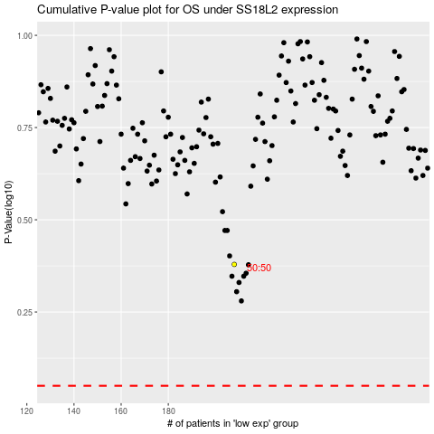

 |  |  |  |  |  | cases_OS | p_OS | rank | exp
 |  |  |  |  |  |  | cases_RFS | p_RFS | rank | exp

