SSBP2 _multivariate
Reported by Tex Li-Hsing Chi. tex@gate.sinica.edu.tw 2019-08-15

Table 2. The clinicopathological features of HNSCC cohort and SSBP2 expression. (Chi square test)
Cutoff at -0.371 (50.0%)
 |  | SSBP2 expression |  | SSBP2 expression |  | (Optimised)
 | Features | Low | (%) | High | (%) | Case no | P-value | Remark | Matthews
Gender | Female | 154 | 37.1 | 152 | 36.6 | 415 | 0.8463 | 0 | 0
2 | Male | 53 | 12.8 | 56 | 13.5
Age at diagnosis | <=65y | 135 | 32.5 | 139 | 33.5 | 415 | 0.8084 | 0 | 0
4 | >65y | 72 | 17.3 | 69 | 16.6
Clinical T Status | T1+T2 | 66 | 15.9 | 83 | 20 | 415 | 0.1095 | 0 | 0
6 | T3+T4 | 141 | 34 | 125 | 30.1
Clinical N Status | N0 | 100 | 24.1 | 116 | 28 | 415 | 0.1548 | 0 | 0
8 | N1-3 | 107 | 25.8 | 92 | 22.2
Clinical M Status | M0 | 205 | 49.4 | 207 | 49.9 | 415 | 0.6232 | 0 | 0
10 | M1 | 2 | 0.5 | 1 | 0.2
Clinical Stage | Stage I+II | 48 | 11.6 | 54 | 13 | 415 | 0.5878 | 0 | 0
12 | Stage III+IV | 159 | 38.3 | 154 | 37.1
Surgical Margin status | Negative | 163 | 39.3 | 155 | 37.3 | 415 | 0.3537 | 0 | 0
14 | Positive | 44 | 10.6 | 53 | 12.8
Tobacco Exposure | Low | 78 | 18.8 | 83 | 20 | 415 | 0.6873 | 0 | 0
16 | High | 129 | 31.1 | 125 | 30.1

Table 3. Univariate/Multivariate Cox's proportional hazards regression analyses on OS time of SSBP2 gene expression in HNSCC

 |  | Univariate |  |  |  | Multivariate
 | Features | HR | CI95%(L) | CI95%(H) | P-value | HR | CI95%(L) | CI95%(H) | P-value
1 | Female | 1 |  |  |  | 1
Gender | Male | 1.157 | 0.843 | 1.587 | 0.367 | 1.192 | 0.852 | 1.668 | 0.306
11 | <=65y | 1 |  |  |  | 1
Age at diagnosis | >65y | 1.329 | 0.99 | 1.784 | 0.058 | 1.381 | 1.015 | 1.878 | 0.04
12 | T1+T2 | 1 |  |  |  | 1
Clinical T Status | T3+T4 | 1.409 | 1.028 | 1.931 | 0.033 | 2.126 | 1.121 | 4.033 | 0.021
13 | N0 | 1 |  |  |  | 1
Clinical N Status | N1-3 | 1.185 | 0.89 | 1.577 | 0.246 | 1.213 | 0.847 | 1.735 | 0.292
14 | M0 | 1 |  |  |  | 1
Clinical M Status | M1 | 4.097 | 1.009 | 16.644 | 0.049 | 8.744 | 1.896 | 40.319 | 0.005
15 | Stage I+II | 1 |  |  |  | 1
Clinical Stage | Stage III+IV | 1.245 | 0.882 | 1.759 | 0.213 | 0.532 | 0.246 | 1.15 | 0.108
16 | Negative | 1 |  |  |  | 1
Surgical Margin status | Positive | 1.591 | 1.155 | 2.191 | 0.004 | 1.7 | 1.228 | 2.352 | 0.001
17 | Low | 1 |  |  |  | 1
Tobacco Exposure | High | 1.364 | 1.008 | 1.844 | 0.044 | 1.448 | 1.051 | 1.997 | 0.024
18 | Low | 1 |  |  |  | 1
RNAseq(z-score) | High | 0.803 | 0.602 | 1.072 | 0.137 | 0.849 | 0.632 | 1.142 | 0.279

Table 4. Univariate/Multivariate Cox's proportional hazards regression analyses on RFS time of SSBP2 gene expression in HNSCC

 |  | Univariate |  |  |  | Multivariate
 | Features | HR | CI95%(L) | CI95%(H) | P-value | HR | CI95%(L) | CI95%(H) | P-value
1 | Female | 1 |  |  |  | 1
Gender | Male | 1.157 | 0.843 | 1.587 | 0.367 | 1.192 | 0.852 | 1.668 | 0.306
11 | <=65y | 1 |  |  |  | 1
Age at diagnosis | >65y | 1.329 | 0.99 | 1.784 | 0.058 | 1.381 | 1.015 | 1.878 | 0.04
12 | T1+T2 | 1 |  |  |  | 1
Clinical T Status | T3+T4 | 1.409 | 1.028 | 1.931 | 0.033 | 2.126 | 1.121 | 4.033 | 0.021
13 | N0 | 1 |  |  |  | 1
Clinical N Status | N1-3 | 1.185 | 0.89 | 1.577 | 0.246 | 1.213 | 0.847 | 1.735 | 0.292
14 | M0 | 1 |  |  |  | 1
Clinical M Status | M1 | 4.097 | 1.009 | 16.644 | 0.049 | 8.744 | 1.896 | 40.319 | 0.005
15 | Stage I+II | 1 |  |  |  | 1
Clinical Stage | Stage III+IV | 1.245 | 0.882 | 1.759 | 0.213 | 0.532 | 0.246 | 1.15 | 0.108
16 | Negative | 1 |  |  |  | 1
Surgical Margin status | Positive | 1.591 | 1.155 | 2.191 | 0.004 | 1.7 | 1.228 | 2.352 | 0.001
17 | Low | 1 |  |  |  | 1
Tobacco Exposure | High | 1.364 | 1.008 | 1.844 | 0.044 | 1.448 | 1.051 | 1.997 | 0.024
18 | Low | 1 |  |  |  | 1
RNAseq(z-score) | High | 0.803 | 0.602 | 1.072 | 0.137 | 0.849 | 0.632 | 1.142 | 0.279

Kaplan-Meier survival estimate: Cutoff at -0.371 (50.0%)



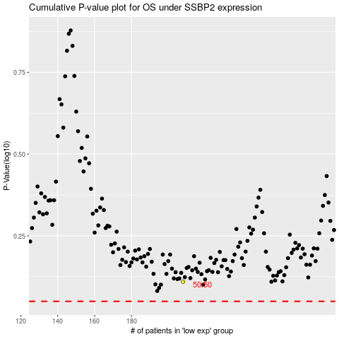

 |  |  |  |  |  | cases_OS | p_OS | rank | exp
 |  |  |  |  |  |  | cases_RFS | p_RFS | rank | exp

