SSFA2 _multivariate
Reported by Tex Li-Hsing Chi. tex@gate.sinica.edu.tw 2019-08-15

Table 2. The clinicopathological features of HNSCC cohort and SSFA2 expression. (Chi square test)
Cutoff at -0.133 (50.0%)
 |  | SSFA2 expression |  | SSFA2 expression |  | (Optimised)
 | Features | Low | (%) | High | (%) | Case no | P-value | Remark | Matthews
Gender | Female | 158 | 38.1 | 148 | 35.7 | 415 | 0.2774 | 0 | 0
2 | Male | 49 | 11.8 | 60 | 14.5
Age at diagnosis | <=65y | 138 | 33.3 | 136 | 32.8 | 415 | 0.8634 | 0 | 0
4 | >65y | 69 | 16.6 | 72 | 17.3
Clinical T Status | T1+T2 | 80 | 19.3 | 69 | 16.6 | 415 | 0.2891 | 0 | 0
6 | T3+T4 | 127 | 30.6 | 139 | 33.5
Clinical N Status | N0 | 102 | 24.6 | 114 | 27.5 | 415 | 0.3031 | 0 | 0
8 | N1-3 | 105 | 25.3 | 94 | 22.7
Clinical M Status | M0 | 205 | 49.4 | 207 | 49.9 | 415 | 0.6232 | 0 | 0
10 | M1 | 2 | 0.5 | 1 | 0.2
Clinical Stage | Stage I+II | 50 | 12 | 52 | 12.5 | 415 | 0.9315 | 0 | 0
12 | Stage III+IV | 157 | 37.8 | 156 | 37.6
Surgical Margin status | Negative | 152 | 36.6 | 166 | 40 | 415 | 0.1329 | 0 | 0
14 | Positive | 55 | 13.3 | 42 | 10.1
Tobacco Exposure | Low | 88 | 21.2 | 73 | 17.6 | 415 | 0.1314 | 0 | 0
16 | High | 119 | 28.7 | 135 | 32.5

Table 3. Univariate/Multivariate Cox's proportional hazards regression analyses on OS time of SSFA2 gene expression in HNSCC

 |  | Univariate |  |  |  | Multivariate
 | Features | HR | CI95%(L) | CI95%(H) | P-value | HR | CI95%(L) | CI95%(H) | P-value
1 | Female | 1 |  |  |  | 1
Gender | Male | 1.157 | 0.843 | 1.587 | 0.367 | 1.199 | 0.858 | 1.674 | 0.288
11 | <=65y | 1 |  |  |  | 1
Age at diagnosis | >65y | 1.329 | 0.99 | 1.784 | 0.058 | 1.388 | 1.021 | 1.887 | 0.037
12 | T1+T2 | 1 |  |  |  | 1
Clinical T Status | T3+T4 | 1.409 | 1.028 | 1.931 | 0.033 | 2.171 | 1.147 | 4.108 | 0.017
13 | N0 | 1 |  |  |  | 1
Clinical N Status | N1-3 | 1.185 | 0.89 | 1.577 | 0.246 | 1.251 | 0.876 | 1.786 | 0.217
14 | M0 | 1 |  |  |  | 1
Clinical M Status | M1 | 4.097 | 1.009 | 16.644 | 0.049 | 9.36 | 2.042 | 42.911 | 0.004
15 | Stage I+II | 1 |  |  |  | 1
Clinical Stage | Stage III+IV | 1.245 | 0.882 | 1.759 | 0.213 | 0.511 | 0.238 | 1.098 | 0.086
16 | Negative | 1 |  |  |  | 1
Surgical Margin status | Positive | 1.591 | 1.155 | 2.191 | 0.004 | 1.715 | 1.234 | 2.385 | 0.001
17 | Low | 1 |  |  |  | 1
Tobacco Exposure | High | 1.364 | 1.008 | 1.844 | 0.044 | 1.437 | 1.041 | 1.982 | 0.027
18 | Low | 1 |  |  |  | 1
RNAseq(z-score) | High | 1.103 | 0.828 | 1.47 | 0.503 | 1.134 | 0.844 | 1.524 | 0.404

Table 4. Univariate/Multivariate Cox's proportional hazards regression analyses on RFS time of SSFA2 gene expression in HNSCC

 |  | Univariate |  |  |  | Multivariate
 | Features | HR | CI95%(L) | CI95%(H) | P-value | HR | CI95%(L) | CI95%(H) | P-value
1 | Female | 1 |  |  |  | 1
Gender | Male | 1.157 | 0.843 | 1.587 | 0.367 | 1.199 | 0.858 | 1.674 | 0.288
11 | <=65y | 1 |  |  |  | 1
Age at diagnosis | >65y | 1.329 | 0.99 | 1.784 | 0.058 | 1.388 | 1.021 | 1.887 | 0.037
12 | T1+T2 | 1 |  |  |  | 1
Clinical T Status | T3+T4 | 1.409 | 1.028 | 1.931 | 0.033 | 2.171 | 1.147 | 4.108 | 0.017
13 | N0 | 1 |  |  |  | 1
Clinical N Status | N1-3 | 1.185 | 0.89 | 1.577 | 0.246 | 1.251 | 0.876 | 1.786 | 0.217
14 | M0 | 1 |  |  |  | 1
Clinical M Status | M1 | 4.097 | 1.009 | 16.644 | 0.049 | 9.36 | 2.042 | 42.911 | 0.004
15 | Stage I+II | 1 |  |  |  | 1
Clinical Stage | Stage III+IV | 1.245 | 0.882 | 1.759 | 0.213 | 0.511 | 0.238 | 1.098 | 0.086
16 | Negative | 1 |  |  |  | 1
Surgical Margin status | Positive | 1.591 | 1.155 | 2.191 | 0.004 | 1.715 | 1.234 | 2.385 | 0.001
17 | Low | 1 |  |  |  | 1
Tobacco Exposure | High | 1.364 | 1.008 | 1.844 | 0.044 | 1.437 | 1.041 | 1.982 | 0.027
18 | Low | 1 |  |  |  | 1
RNAseq(z-score) | High | 1.103 | 0.828 | 1.47 | 0.503 | 1.134 | 0.844 | 1.524 | 0.404

Kaplan-Meier survival estimate: Cutoff at -0.133 (50.0%)



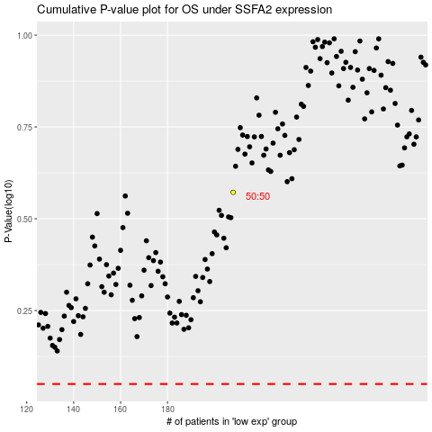

 |  |  |  |  |  | cases_OS | p_OS | rank | exp
 |  |  |  |  |  |  | cases_RFS | p_RFS | rank | exp

