SSH2 _multivariate
Reported by Tex Li-Hsing Chi. tex@gate.sinica.edu.tw 2019-08-15

Table 2. The clinicopathological features of HNSCC cohort and SSH2 expression. (Chi square test)
Cutoff at -0.11 (50.0%)
 |  | SSH2 expression |  | SSH2 expression |  | (Optimised)
 | Features | Low | (%) | High | (%) | Case no | P-value | Remark | Matthews
Gender | Female | 148 | 35.7 | 158 | 38.1 | 415 | 0.3567 | 0 | 0
2 | Male | 59 | 14.2 | 50 | 12
Age at diagnosis | <=65y | 132 | 31.8 | 142 | 34.2 | 415 | 0.3874 | 0 | 0
4 | >65y | 75 | 18.1 | 66 | 15.9
Clinical T Status | T1+T2 | 67 | 16.1 | 82 | 19.8 | 415 | 0.1628 | 0 | 0
6 | T3+T4 | 140 | 33.7 | 126 | 30.4
Clinical N Status | N0 | 112 | 27 | 104 | 25.1 | 415 | 0.4599 | 0 | 0
8 | N1-3 | 95 | 22.9 | 104 | 25.1
Clinical M Status | M0 | 205 | 49.4 | 207 | 49.9 | 415 | 0.6232 | 0 | 0
10 | M1 | 2 | 0.5 | 1 | 0.2
Clinical Stage | Stage I+II | 47 | 11.3 | 55 | 13.3 | 415 | 0.4413 | 0 | 0
12 | Stage III+IV | 160 | 38.6 | 153 | 36.9
Surgical Margin status | Negative | 152 | 36.6 | 166 | 40 | 415 | 0.1329 | 0 | 0
14 | Positive | 55 | 13.3 | 42 | 10.1
Tobacco Exposure | Low | 88 | 21.2 | 73 | 17.6 | 415 | 0.1314 | 0 | 0
16 | High | 119 | 28.7 | 135 | 32.5

Table 3. Univariate/Multivariate Cox's proportional hazards regression analyses on OS time of SSH2 gene expression in HNSCC

 |  | Univariate |  |  |  | Multivariate
 | Features | HR | CI95%(L) | CI95%(H) | P-value | HR | CI95%(L) | CI95%(H) | P-value
1 | Female | 1 |  |  |  | 1
Gender | Male | 1.157 | 0.843 | 1.587 | 0.367 | 1.218 | 0.871 | 1.705 | 0.249
11 | <=65y | 1 |  |  |  | 1
Age at diagnosis | >65y | 1.329 | 0.99 | 1.784 | 0.058 | 1.394 | 1.026 | 1.895 | 0.034
12 | T1+T2 | 1 |  |  |  | 1
Clinical T Status | T3+T4 | 1.409 | 1.028 | 1.931 | 0.033 | 2.231 | 1.179 | 4.221 | 0.014
13 | N0 | 1 |  |  |  | 1
Clinical N Status | N1-3 | 1.185 | 0.89 | 1.577 | 0.246 | 1.228 | 0.86 | 1.753 | 0.258
14 | M0 | 1 |  |  |  | 1
Clinical M Status | M1 | 4.097 | 1.009 | 16.644 | 0.049 | 10.049 | 2.182 | 46.279 | 0.003
15 | Stage I+II | 1 |  |  |  | 1
Clinical Stage | Stage III+IV | 1.245 | 0.882 | 1.759 | 0.213 | 0.506 | 0.236 | 1.088 | 0.081
16 | Negative | 1 |  |  |  | 1
Surgical Margin status | Positive | 1.591 | 1.155 | 2.191 | 0.004 | 1.708 | 1.233 | 2.366 | 0.001
17 | Low | 1 |  |  |  | 1
Tobacco Exposure | High | 1.364 | 1.008 | 1.844 | 0.044 | 1.45 | 1.052 | 1.998 | 0.023
18 | Low | 1 |  |  |  | 1
RNAseq(z-score) | High | 1.057 | 0.793 | 1.408 | 0.705 | 1.172 | 0.875 | 1.57 | 0.287

Table 4. Univariate/Multivariate Cox's proportional hazards regression analyses on RFS time of SSH2 gene expression in HNSCC

 |  | Univariate |  |  |  | Multivariate
 | Features | HR | CI95%(L) | CI95%(H) | P-value | HR | CI95%(L) | CI95%(H) | P-value
1 | Female | 1 |  |  |  | 1
Gender | Male | 1.157 | 0.843 | 1.587 | 0.367 | 1.218 | 0.871 | 1.705 | 0.249
11 | <=65y | 1 |  |  |  | 1
Age at diagnosis | >65y | 1.329 | 0.99 | 1.784 | 0.058 | 1.394 | 1.026 | 1.895 | 0.034
12 | T1+T2 | 1 |  |  |  | 1
Clinical T Status | T3+T4 | 1.409 | 1.028 | 1.931 | 0.033 | 2.231 | 1.179 | 4.221 | 0.014
13 | N0 | 1 |  |  |  | 1
Clinical N Status | N1-3 | 1.185 | 0.89 | 1.577 | 0.246 | 1.228 | 0.86 | 1.753 | 0.258
14 | M0 | 1 |  |  |  | 1
Clinical M Status | M1 | 4.097 | 1.009 | 16.644 | 0.049 | 10.049 | 2.182 | 46.279 | 0.003
15 | Stage I+II | 1 |  |  |  | 1
Clinical Stage | Stage III+IV | 1.245 | 0.882 | 1.759 | 0.213 | 0.506 | 0.236 | 1.088 | 0.081
16 | Negative | 1 |  |  |  | 1
Surgical Margin status | Positive | 1.591 | 1.155 | 2.191 | 0.004 | 1.708 | 1.233 | 2.366 | 0.001
17 | Low | 1 |  |  |  | 1
Tobacco Exposure | High | 1.364 | 1.008 | 1.844 | 0.044 | 1.45 | 1.052 | 1.998 | 0.023
18 | Low | 1 |  |  |  | 1
RNAseq(z-score) | High | 1.057 | 0.793 | 1.408 | 0.705 | 1.172 | 0.875 | 1.57 | 0.287

Kaplan-Meier survival estimate: Cutoff at -0.11 (50.0%)

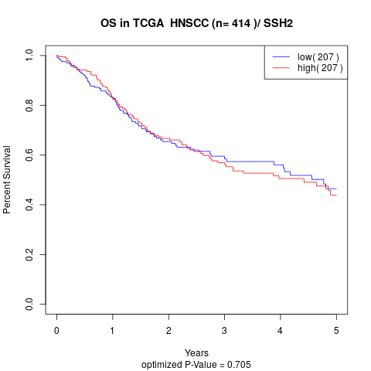

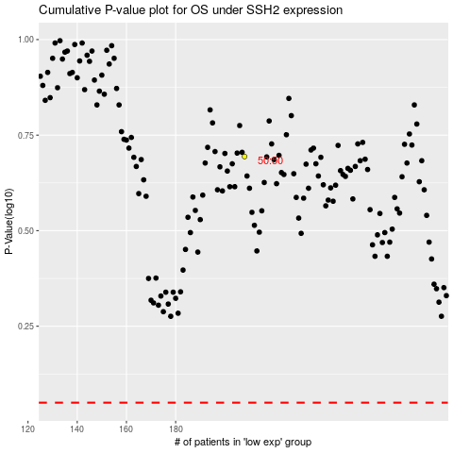

 |  |  |  |  |  | cases_OS | p_OS | rank | exp
 |  |  |  |  |  |  | cases_RFS | p_RFS | rank | exp

