SSH3 _multivariate
Reported by Tex Li-Hsing Chi. tex@gate.sinica.edu.tw 2019-08-15

Table 2. The clinicopathological features of HNSCC cohort and SSH3 expression. (Chi square test)
Cutoff at -0.2 (49.8%)
 |  | SSH3 expression |  | SSH3 expression |  | (Optimised)
 | Features | Low | (%) | High | (%) | Case no | P-value | Remark | Matthews
Gender | Female | 158 | 38.1 | 148 | 35.7 | 415 | 0.2774 | 0 | 0
2 | Male | 49 | 11.8 | 60 | 14.5
Age at diagnosis | <=65y | 143 | 34.5 | 131 | 31.6 | 415 | 0.2269 | 0 | 0
4 | >65y | 64 | 15.4 | 77 | 18.6
Clinical T Status | T1+T2 | 75 | 18.1 | 74 | 17.8 | 415 | 0.9707 | 0 | 0
6 | T3+T4 | 132 | 31.8 | 134 | 32.3
Clinical N Status | N0 | 94 | 22.7 | 122 | 29.4 | 415 | 0.0093 | 1 | 0
8 | N1-3 | 113 | 27.2 | 86 | 20.7
Clinical M Status | M0 | 206 | 49.6 | 206 | 49.6 | 415 | 1 | 0 | 0
10 | M1 | 1 | 0.2 | 2 | 0.5
Clinical Stage | Stage I+II | 43 | 10.4 | 59 | 14.2 | 415 | 0.0925 | 0 | 0
12 | Stage III+IV | 164 | 39.5 | 149 | 35.9
Surgical Margin status | Negative | 153 | 36.9 | 165 | 39.8 | 415 | 0.2036 | 0 | 0
14 | Positive | 54 | 13 | 43 | 10.4
Tobacco Exposure | Low | 69 | 16.6 | 92 | 22.2 | 415 | 0.0266 | 1 | 0
16 | High | 138 | 33.3 | 116 | 28

Table 3. Univariate/Multivariate Cox's proportional hazards regression analyses on OS time of SSH3 gene expression in HNSCC

 |  | Univariate |  |  |  | Multivariate
 | Features | HR | CI95%(L) | CI95%(H) | P-value | HR | CI95%(L) | CI95%(H) | P-value
1 | Female | 1 |  |  |  | 1
Gender | Male | 1.157 | 0.843 | 1.587 | 0.367 | 1.186 | 0.847 | 1.659 | 0.32
11 | <=65y | 1 |  |  |  | 1
Age at diagnosis | >65y | 1.329 | 0.99 | 1.784 | 0.058 | 1.393 | 1.025 | 1.893 | 0.034
12 | T1+T2 | 1 |  |  |  | 1
Clinical T Status | T3+T4 | 1.409 | 1.028 | 1.931 | 0.033 | 2.165 | 1.144 | 4.099 | 0.018
13 | N0 | 1 |  |  |  | 1
Clinical N Status | N1-3 | 1.185 | 0.89 | 1.577 | 0.246 | 1.256 | 0.88 | 1.794 | 0.209
14 | M0 | 1 |  |  |  | 1
Clinical M Status | M1 | 4.097 | 1.009 | 16.644 | 0.049 | 9.069 | 1.974 | 41.659 | 0.005
15 | Stage I+II | 1 |  |  |  | 1
Clinical Stage | Stage III+IV | 1.245 | 0.882 | 1.759 | 0.213 | 0.517 | 0.24 | 1.111 | 0.091
16 | Negative | 1 |  |  |  | 1
Surgical Margin status | Positive | 1.591 | 1.155 | 2.191 | 0.004 | 1.69 | 1.222 | 2.339 | 0.002
17 | Low | 1 |  |  |  | 1
Tobacco Exposure | High | 1.364 | 1.008 | 1.844 | 0.044 | 1.473 | 1.067 | 2.034 | 0.019
18 | Low | 1 |  |  |  | 1
RNAseq(z-score) | High | 1.1 | 0.826 | 1.466 | 0.514 | 1.156 | 0.862 | 1.551 | 0.334

Table 4. Univariate/Multivariate Cox's proportional hazards regression analyses on RFS time of SSH3 gene expression in HNSCC

 |  | Univariate |  |  |  | Multivariate
 | Features | HR | CI95%(L) | CI95%(H) | P-value | HR | CI95%(L) | CI95%(H) | P-value
1 | Female | 1 |  |  |  | 1
Gender | Male | 1.157 | 0.843 | 1.587 | 0.367 | 1.186 | 0.847 | 1.659 | 0.32
11 | <=65y | 1 |  |  |  | 1
Age at diagnosis | >65y | 1.329 | 0.99 | 1.784 | 0.058 | 1.393 | 1.025 | 1.893 | 0.034
12 | T1+T2 | 1 |  |  |  | 1
Clinical T Status | T3+T4 | 1.409 | 1.028 | 1.931 | 0.033 | 2.165 | 1.144 | 4.099 | 0.018
13 | N0 | 1 |  |  |  | 1
Clinical N Status | N1-3 | 1.185 | 0.89 | 1.577 | 0.246 | 1.256 | 0.88 | 1.794 | 0.209
14 | M0 | 1 |  |  |  | 1
Clinical M Status | M1 | 4.097 | 1.009 | 16.644 | 0.049 | 9.069 | 1.974 | 41.659 | 0.005
15 | Stage I+II | 1 |  |  |  | 1
Clinical Stage | Stage III+IV | 1.245 | 0.882 | 1.759 | 0.213 | 0.517 | 0.24 | 1.111 | 0.091
16 | Negative | 1 |  |  |  | 1
Surgical Margin status | Positive | 1.591 | 1.155 | 2.191 | 0.004 | 1.69 | 1.222 | 2.339 | 0.002
17 | Low | 1 |  |  |  | 1
Tobacco Exposure | High | 1.364 | 1.008 | 1.844 | 0.044 | 1.473 | 1.067 | 2.034 | 0.019
18 | Low | 1 |  |  |  | 1
RNAseq(z-score) | High | 1.1 | 0.826 | 1.466 | 0.514 | 1.156 | 0.862 | 1.551 | 0.334

Kaplan-Meier survival estimate: Cutoff at -0.2 (49.8%)



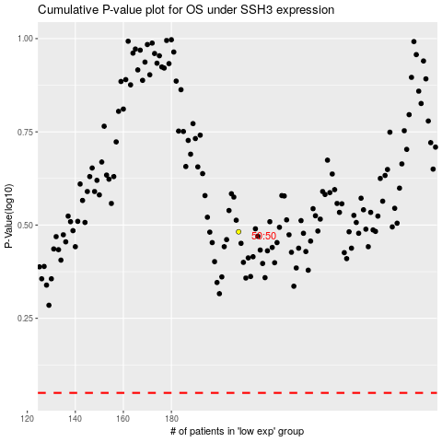

 |  |  |  |  |  | cases_OS | p_OS | rank | exp
 |  |  |  |  |  |  | cases_RFS | p_RFS | rank | exp

