SSPO _multivariate
Reported by Tex Li-Hsing Chi. tex@gate.sinica.edu.tw 2019-08-15

Table 2. The clinicopathological features of HNSCC cohort and SSPO expression. (Chi square test)
Cutoff at -0.352 (50.0%)
 |  | SSPO expression |  | SSPO expression |  | (Optimised)
 | Features | Low | (%) | High | (%) | Case no | P-value | Remark | Matthews
Gender | Female | 144 | 34.7 | 162 | 39 | 415 | 0.0697 | 0 | 0
2 | Male | 63 | 15.2 | 46 | 11.1
Age at diagnosis | <=65y | 138 | 33.3 | 136 | 32.8 | 415 | 0.8634 | 0 | 0
4 | >65y | 69 | 16.6 | 72 | 17.3
Clinical T Status | T1+T2 | 73 | 17.6 | 76 | 18.3 | 415 | 0.8666 | 0 | 0
6 | T3+T4 | 134 | 32.3 | 132 | 31.8
Clinical N Status | N0 | 101 | 24.3 | 115 | 27.7 | 415 | 0.2201 | 0 | 0
8 | N1-3 | 106 | 25.5 | 93 | 22.4
Clinical M Status | M0 | 205 | 49.4 | 207 | 49.9 | 415 | 0.6232 | 0 | 0
10 | M1 | 2 | 0.5 | 1 | 0.2
Clinical Stage | Stage I+II | 50 | 12 | 52 | 12.5 | 415 | 0.9315 | 0 | 0
12 | Stage III+IV | 157 | 37.8 | 156 | 37.6
Surgical Margin status | Negative | 164 | 39.5 | 154 | 37.1 | 415 | 0.2462 | 0 | 0
14 | Positive | 43 | 10.4 | 54 | 13
Tobacco Exposure | Low | 86 | 20.7 | 75 | 18.1 | 415 | 0.2687 | 0 | 0
16 | High | 121 | 29.2 | 133 | 32

Table 3. Univariate/Multivariate Cox's proportional hazards regression analyses on OS time of SSPO gene expression in HNSCC

 |  | Univariate |  |  |  | Multivariate
 | Features | HR | CI95%(L) | CI95%(H) | P-value | HR | CI95%(L) | CI95%(H) | P-value
1 | Female | 1 |  |  |  | 1
Gender | Male | 1.157 | 0.843 | 1.587 | 0.367 | 1.163 | 0.829 | 1.629 | 0.382
11 | <=65y | 1 |  |  |  | 1
Age at diagnosis | >65y | 1.329 | 0.99 | 1.784 | 0.058 | 1.415 | 1.04 | 1.926 | 0.027
12 | T1+T2 | 1 |  |  |  | 1
Clinical T Status | T3+T4 | 1.409 | 1.028 | 1.931 | 0.033 | 2.196 | 1.162 | 4.152 | 0.015
13 | N0 | 1 |  |  |  | 1
Clinical N Status | N1-3 | 1.185 | 0.89 | 1.577 | 0.246 | 1.22 | 0.855 | 1.741 | 0.274
14 | M0 | 1 |  |  |  | 1
Clinical M Status | M1 | 4.097 | 1.009 | 16.644 | 0.049 | 8.844 | 1.925 | 40.637 | 0.005
15 | Stage I+II | 1 |  |  |  | 1
Clinical Stage | Stage III+IV | 1.245 | 0.882 | 1.759 | 0.213 | 0.518 | 0.241 | 1.114 | 0.092
16 | Negative | 1 |  |  |  | 1
Surgical Margin status | Positive | 1.591 | 1.155 | 2.191 | 0.004 | 1.69 | 1.223 | 2.336 | 0.001
17 | Low | 1 |  |  |  | 1
Tobacco Exposure | High | 1.364 | 1.008 | 1.844 | 0.044 | 1.468 | 1.065 | 2.023 | 0.019
18 | Low | 1 |  |  |  | 1
RNAseq(z-score) | High | 0.837 | 0.627 | 1.115 | 0.224 | 0.815 | 0.607 | 1.095 | 0.175

Table 4. Univariate/Multivariate Cox's proportional hazards regression analyses on RFS time of SSPO gene expression in HNSCC

 |  | Univariate |  |  |  | Multivariate
 | Features | HR | CI95%(L) | CI95%(H) | P-value | HR | CI95%(L) | CI95%(H) | P-value
1 | Female | 1 |  |  |  | 1
Gender | Male | 1.157 | 0.843 | 1.587 | 0.367 | 1.163 | 0.829 | 1.629 | 0.382
11 | <=65y | 1 |  |  |  | 1
Age at diagnosis | >65y | 1.329 | 0.99 | 1.784 | 0.058 | 1.415 | 1.04 | 1.926 | 0.027
12 | T1+T2 | 1 |  |  |  | 1
Clinical T Status | T3+T4 | 1.409 | 1.028 | 1.931 | 0.033 | 2.196 | 1.162 | 4.152 | 0.015
13 | N0 | 1 |  |  |  | 1
Clinical N Status | N1-3 | 1.185 | 0.89 | 1.577 | 0.246 | 1.22 | 0.855 | 1.741 | 0.274
14 | M0 | 1 |  |  |  | 1
Clinical M Status | M1 | 4.097 | 1.009 | 16.644 | 0.049 | 8.844 | 1.925 | 40.637 | 0.005
15 | Stage I+II | 1 |  |  |  | 1
Clinical Stage | Stage III+IV | 1.245 | 0.882 | 1.759 | 0.213 | 0.518 | 0.241 | 1.114 | 0.092
16 | Negative | 1 |  |  |  | 1
Surgical Margin status | Positive | 1.591 | 1.155 | 2.191 | 0.004 | 1.69 | 1.223 | 2.336 | 0.001
17 | Low | 1 |  |  |  | 1
Tobacco Exposure | High | 1.364 | 1.008 | 1.844 | 0.044 | 1.468 | 1.065 | 2.023 | 0.019
18 | Low | 1 |  |  |  | 1
RNAseq(z-score) | High | 0.837 | 0.627 | 1.115 | 0.224 | 0.815 | 0.607 | 1.095 | 0.175

Kaplan-Meier survival estimate: Cutoff at -0.352 (50.0%)



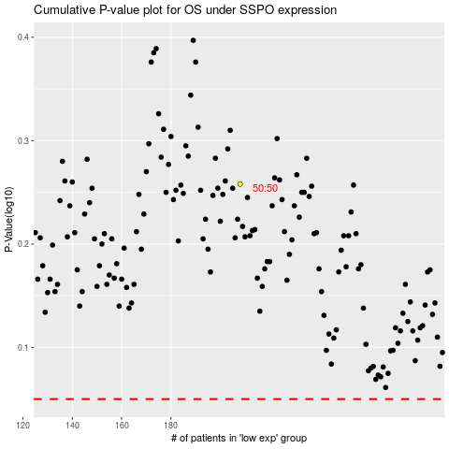

 |  |  |  |  |  | cases_OS | p_OS | rank | exp
 |  |  |  |  |  |  | cases_RFS | p_RFS | rank | exp

