SSR1 _multivariate
Reported by Tex Li-Hsing Chi. tex@gate.sinica.edu.tw 2019-08-15

Table 2. The clinicopathological features of HNSCC cohort and SSR1 expression. (Chi square test)
Cutoff at -0.061 (50.0%)
 |  | SSR1 expression |  | SSR1 expression |  | (Optimised)
 | Features | Low | (%) | High | (%) | Case no | P-value | Remark | Matthews
Gender | Female | 156 | 37.6 | 150 | 36.1 | 415 | 0.5222 | 0 | 0
2 | Male | 51 | 12.3 | 58 | 14
Age at diagnosis | <=65y | 133 | 32 | 141 | 34 | 415 | 0.5111 | 0 | 0
4 | >65y | 74 | 17.8 | 67 | 16.1
Clinical T Status | T1+T2 | 73 | 17.6 | 76 | 18.3 | 415 | 0.8666 | 0 | 0
6 | T3+T4 | 134 | 32.3 | 132 | 31.8
Clinical N Status | N0 | 107 | 25.8 | 109 | 26.3 | 415 | 0.9624 | 0 | 0
8 | N1-3 | 100 | 24.1 | 99 | 23.9
Clinical M Status | M0 | 206 | 49.6 | 206 | 49.6 | 415 | 1 | 0 | 0
10 | M1 | 1 | 0.2 | 2 | 0.5
Clinical Stage | Stage I+II | 45 | 10.8 | 57 | 13.7 | 415 | 0.2202 | 0 | 0
12 | Stage III+IV | 162 | 39 | 151 | 36.4
Surgical Margin status | Negative | 156 | 37.6 | 162 | 39 | 415 | 0.5636 | 0 | 0
14 | Positive | 51 | 12.3 | 46 | 11.1
Tobacco Exposure | Low | 86 | 20.7 | 75 | 18.1 | 415 | 0.2687 | 0 | 0
16 | High | 121 | 29.2 | 133 | 32

Table 3. Univariate/Multivariate Cox's proportional hazards regression analyses on OS time of SSR1 gene expression in HNSCC

 |  | Univariate |  |  |  | Multivariate
 | Features | HR | CI95%(L) | CI95%(H) | P-value | HR | CI95%(L) | CI95%(H) | P-value
1 | Female | 1 |  |  |  | 1
Gender | Male | 1.157 | 0.843 | 1.587 | 0.367 | 1.209 | 0.866 | 1.688 | 0.264
11 | <=65y | 1 |  |  |  | 1
Age at diagnosis | >65y | 1.329 | 0.99 | 1.784 | 0.058 | 1.405 | 1.033 | 1.913 | 0.03
12 | T1+T2 | 1 |  |  |  | 1
Clinical T Status | T3+T4 | 1.409 | 1.028 | 1.931 | 0.033 | 2.156 | 1.138 | 4.084 | 0.018
13 | N0 | 1 |  |  |  | 1
Clinical N Status | N1-3 | 1.185 | 0.89 | 1.577 | 0.246 | 1.242 | 0.87 | 1.773 | 0.233
14 | M0 | 1 |  |  |  | 1
Clinical M Status | M1 | 4.097 | 1.009 | 16.644 | 0.049 | 8.938 | 1.94 | 41.177 | 0.005
15 | Stage I+II | 1 |  |  |  | 1
Clinical Stage | Stage III+IV | 1.245 | 0.882 | 1.759 | 0.213 | 0.516 | 0.24 | 1.11 | 0.091
16 | Negative | 1 |  |  |  | 1
Surgical Margin status | Positive | 1.591 | 1.155 | 2.191 | 0.004 | 1.684 | 1.218 | 2.329 | 0.002
17 | Low | 1 |  |  |  | 1
Tobacco Exposure | High | 1.364 | 1.008 | 1.844 | 0.044 | 1.449 | 1.052 | 1.996 | 0.023
18 | Low | 1 |  |  |  | 1
RNAseq(z-score) | High | 1.113 | 0.836 | 1.482 | 0.465 | 1.125 | 0.841 | 1.505 | 0.427

Table 4. Univariate/Multivariate Cox's proportional hazards regression analyses on RFS time of SSR1 gene expression in HNSCC

 |  | Univariate |  |  |  | Multivariate
 | Features | HR | CI95%(L) | CI95%(H) | P-value | HR | CI95%(L) | CI95%(H) | P-value
1 | Female | 1 |  |  |  | 1
Gender | Male | 1.157 | 0.843 | 1.587 | 0.367 | 1.209 | 0.866 | 1.688 | 0.264
11 | <=65y | 1 |  |  |  | 1
Age at diagnosis | >65y | 1.329 | 0.99 | 1.784 | 0.058 | 1.405 | 1.033 | 1.913 | 0.03
12 | T1+T2 | 1 |  |  |  | 1
Clinical T Status | T3+T4 | 1.409 | 1.028 | 1.931 | 0.033 | 2.156 | 1.138 | 4.084 | 0.018
13 | N0 | 1 |  |  |  | 1
Clinical N Status | N1-3 | 1.185 | 0.89 | 1.577 | 0.246 | 1.242 | 0.87 | 1.773 | 0.233
14 | M0 | 1 |  |  |  | 1
Clinical M Status | M1 | 4.097 | 1.009 | 16.644 | 0.049 | 8.938 | 1.94 | 41.177 | 0.005
15 | Stage I+II | 1 |  |  |  | 1
Clinical Stage | Stage III+IV | 1.245 | 0.882 | 1.759 | 0.213 | 0.516 | 0.24 | 1.11 | 0.091
16 | Negative | 1 |  |  |  | 1
Surgical Margin status | Positive | 1.591 | 1.155 | 2.191 | 0.004 | 1.684 | 1.218 | 2.329 | 0.002
17 | Low | 1 |  |  |  | 1
Tobacco Exposure | High | 1.364 | 1.008 | 1.844 | 0.044 | 1.449 | 1.052 | 1.996 | 0.023
18 | Low | 1 |  |  |  | 1
RNAseq(z-score) | High | 1.113 | 0.836 | 1.482 | 0.465 | 1.125 | 0.841 | 1.505 | 0.427

Kaplan-Meier survival estimate: Cutoff at -0.061 (50.0%)



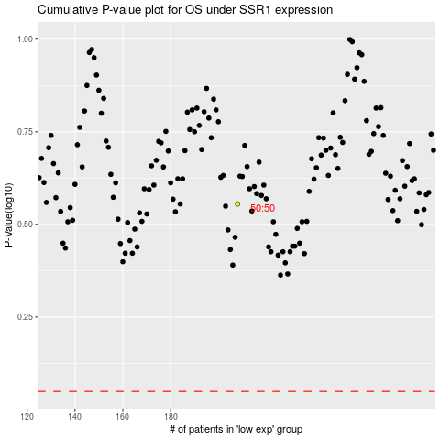

 |  |  |  |  |  | cases_OS | p_OS | rank | exp
 |  |  |  |  |  |  | cases_RFS | p_RFS | rank | exp

