SSR2 _multivariate
Reported by Tex Li-Hsing Chi. tex@gate.sinica.edu.tw 2019-08-15

Table 2. The clinicopathological features of HNSCC cohort and SSR2 expression. (Chi square test)
Cutoff at -0.218 (49.8%)
 |  | SSR2 expression |  | SSR2 expression |  | (Optimised)
 | Features | Low | (%) | High | (%) | Case no | P-value | Remark | Matthews
Gender | Female | 148 | 35.7 | 158 | 38.1 | 415 | 0.3567 | 0 | 0
2 | Male | 59 | 14.2 | 50 | 12
Age at diagnosis | <=65y | 134 | 32.3 | 140 | 33.7 | 415 | 0.6529 | 0 | 0
4 | >65y | 73 | 17.6 | 68 | 16.4
Clinical T Status | T1+T2 | 88 | 21.2 | 61 | 14.7 | 415 | 0.007 | 1 | 0
6 | T3+T4 | 119 | 28.7 | 147 | 35.4
Clinical N Status | N0 | 111 | 26.7 | 105 | 25.3 | 415 | 0.5875 | 0 | 0
8 | N1-3 | 96 | 23.1 | 103 | 24.8
Clinical M Status | M0 | 205 | 49.4 | 207 | 49.9 | 415 | 0.6232 | 0 | 0
10 | M1 | 2 | 0.5 | 1 | 0.2
Clinical Stage | Stage I+II | 60 | 14.5 | 42 | 10.1 | 415 | 0.0493 | 1 | 0
12 | Stage III+IV | 147 | 35.4 | 166 | 40
Surgical Margin status | Negative | 164 | 39.5 | 154 | 37.1 | 415 | 0.2462 | 0 | 0
14 | Positive | 43 | 10.4 | 54 | 13
Tobacco Exposure | Low | 96 | 23.1 | 65 | 15.7 | 415 | 0.0018 | 1 | 0
16 | High | 111 | 26.7 | 143 | 34.5

Table 3. Univariate/Multivariate Cox's proportional hazards regression analyses on OS time of SSR2 gene expression in HNSCC

 |  | Univariate |  |  |  | Multivariate
 | Features | HR | CI95%(L) | CI95%(H) | P-value | HR | CI95%(L) | CI95%(H) | P-value
1 | Female | 1 |  |  |  | 1
Gender | Male | 1.157 | 0.843 | 1.587 | 0.367 | 1.212 | 0.868 | 1.694 | 0.259
11 | <=65y | 1 |  |  |  | 1
Age at diagnosis | >65y | 1.329 | 0.99 | 1.784 | 0.058 | 1.381 | 1.016 | 1.879 | 0.04
12 | T1+T2 | 1 |  |  |  | 1
Clinical T Status | T3+T4 | 1.409 | 1.028 | 1.931 | 0.033 | 2.243 | 1.185 | 4.248 | 0.013
13 | N0 | 1 |  |  |  | 1
Clinical N Status | N1-3 | 1.185 | 0.89 | 1.577 | 0.246 | 1.237 | 0.867 | 1.765 | 0.241
14 | M0 | 1 |  |  |  | 1
Clinical M Status | M1 | 4.097 | 1.009 | 16.644 | 0.049 | 9.464 | 2.065 | 43.383 | 0.004
15 | Stage I+II | 1 |  |  |  | 1
Clinical Stage | Stage III+IV | 1.245 | 0.882 | 1.759 | 0.213 | 0.502 | 0.234 | 1.079 | 0.077
16 | Negative | 1 |  |  |  | 1
Surgical Margin status | Positive | 1.591 | 1.155 | 2.191 | 0.004 | 1.697 | 1.226 | 2.349 | 0.001
17 | Low | 1 |  |  |  | 1
Tobacco Exposure | High | 1.364 | 1.008 | 1.844 | 0.044 | 1.475 | 1.068 | 2.036 | 0.018
18 | Low | 1 |  |  |  | 1
RNAseq(z-score) | High | 0.976 | 0.733 | 1.301 | 0.87 | 0.873 | 0.652 | 1.169 | 0.362

Table 4. Univariate/Multivariate Cox's proportional hazards regression analyses on RFS time of SSR2 gene expression in HNSCC

 |  | Univariate |  |  |  | Multivariate
 | Features | HR | CI95%(L) | CI95%(H) | P-value | HR | CI95%(L) | CI95%(H) | P-value
1 | Female | 1 |  |  |  | 1
Gender | Male | 1.157 | 0.843 | 1.587 | 0.367 | 1.212 | 0.868 | 1.694 | 0.259
11 | <=65y | 1 |  |  |  | 1
Age at diagnosis | >65y | 1.329 | 0.99 | 1.784 | 0.058 | 1.381 | 1.016 | 1.879 | 0.04
12 | T1+T2 | 1 |  |  |  | 1
Clinical T Status | T3+T4 | 1.409 | 1.028 | 1.931 | 0.033 | 2.243 | 1.185 | 4.248 | 0.013
13 | N0 | 1 |  |  |  | 1
Clinical N Status | N1-3 | 1.185 | 0.89 | 1.577 | 0.246 | 1.237 | 0.867 | 1.765 | 0.241
14 | M0 | 1 |  |  |  | 1
Clinical M Status | M1 | 4.097 | 1.009 | 16.644 | 0.049 | 9.464 | 2.065 | 43.383 | 0.004
15 | Stage I+II | 1 |  |  |  | 1
Clinical Stage | Stage III+IV | 1.245 | 0.882 | 1.759 | 0.213 | 0.502 | 0.234 | 1.079 | 0.077
16 | Negative | 1 |  |  |  | 1
Surgical Margin status | Positive | 1.591 | 1.155 | 2.191 | 0.004 | 1.697 | 1.226 | 2.349 | 0.001
17 | Low | 1 |  |  |  | 1
Tobacco Exposure | High | 1.364 | 1.008 | 1.844 | 0.044 | 1.475 | 1.068 | 2.036 | 0.018
18 | Low | 1 |  |  |  | 1
RNAseq(z-score) | High | 0.976 | 0.733 | 1.301 | 0.87 | 0.873 | 0.652 | 1.169 | 0.362

Kaplan-Meier survival estimate: Cutoff at -0.218 (49.8%)

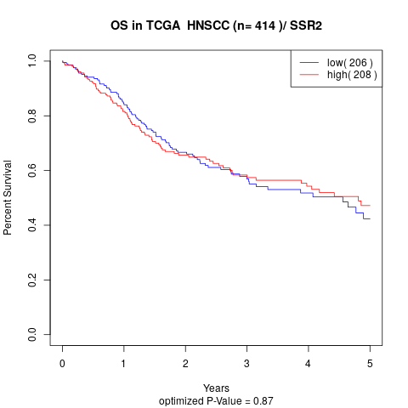

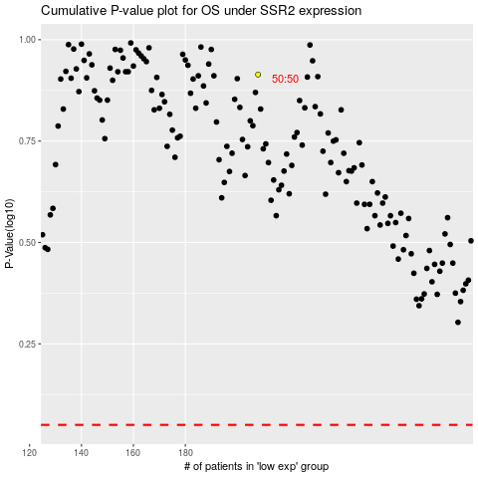

 |  |  |  |  |  | cases_OS | p_OS | rank | exp
 |  |  |  |  |  |  | cases_RFS | p_RFS | rank | exp

