SSRP1 _multivariate
Reported by Tex Li-Hsing Chi. tex@gate.sinica.edu.tw 2019-08-15

Table 2. The clinicopathological features of HNSCC cohort and SSRP1 expression. (Chi square test)
Cutoff at -0.133 (47.3%)
 |  | SSRP1 expression |  | SSRP1 expression |  | (Optimised)
 | Features | Low | (%) | High | (%) | Case no | P-value | Remark | Matthews
Gender | Female | 139 | 33.5 | 167 | 40.2 | 415 | 0.1984 | 0 | 0
2 | Male | 58 | 14 | 51 | 12.3
Age at diagnosis | <=65y | 127 | 30.6 | 147 | 35.4 | 415 | 0.5941 | 0 | 0
4 | >65y | 70 | 16.9 | 71 | 17.1
Clinical T Status | T1+T2 | 80 | 19.3 | 69 | 16.6 | 415 | 0.0723 | 0 | 0
6 | T3+T4 | 117 | 28.2 | 149 | 35.9
Clinical N Status | N0 | 112 | 27 | 104 | 25.1 | 415 | 0.0777 | 1 | 0
8 | N1-3 | 85 | 20.5 | 114 | 27.5
Clinical M Status | M0 | 196 | 47.2 | 216 | 52 | 415 | 1 | 0 | 0
10 | M1 | 1 | 0.2 | 2 | 0.5
Clinical Stage | Stage I+II | 57 | 13.7 | 45 | 10.8 | 415 | 0.065 | 0 | 0
12 | Stage III+IV | 140 | 33.7 | 173 | 41.7
Surgical Margin status | Negative | 152 | 36.6 | 166 | 40 | 415 | 0.8175 | 0 | 0
14 | Positive | 45 | 10.8 | 52 | 12.5
Tobacco Exposure | Low | 93 | 22.4 | 68 | 16.4 | 415 | 9e-04 | 1 | 0
16 | High | 104 | 25.1 | 150 | 36.1

Table 3. Univariate/Multivariate Cox's proportional hazards regression analyses on OS time of SSRP1 gene expression in HNSCC

 |  | Univariate |  |  |  | Multivariate
 | Features | HR | CI95%(L) | CI95%(H) | P-value | HR | CI95%(L) | CI95%(H) | P-value
1 | Female | 1 |  |  |  | 1
Gender | Male | 1.157 | 0.843 | 1.587 | 0.367 | 1.22 | 0.872 | 1.705 | 0.246
11 | <=65y | 1 |  |  |  | 1
Age at diagnosis | >65y | 1.329 | 0.99 | 1.784 | 0.058 | 1.395 | 1.026 | 1.897 | 0.034
12 | T1+T2 | 1 |  |  |  | 1
Clinical T Status | T3+T4 | 1.409 | 1.028 | 1.931 | 0.033 | 2.155 | 1.139 | 4.076 | 0.018
13 | N0 | 1 |  |  |  | 1
Clinical N Status | N1-3 | 1.185 | 0.89 | 1.577 | 0.246 | 1.204 | 0.842 | 1.724 | 0.309
14 | M0 | 1 |  |  |  | 1
Clinical M Status | M1 | 4.097 | 1.009 | 16.644 | 0.049 | 9.348 | 2.039 | 42.853 | 0.004
15 | Stage I+II | 1 |  |  |  | 1
Clinical Stage | Stage III+IV | 1.245 | 0.882 | 1.759 | 0.213 | 0.503 | 0.234 | 1.081 | 0.078
16 | Negative | 1 |  |  |  | 1
Surgical Margin status | Positive | 1.591 | 1.155 | 2.191 | 0.004 | 1.685 | 1.219 | 2.329 | 0.002
17 | Low | 1 |  |  |  | 1
Tobacco Exposure | High | 1.364 | 1.008 | 1.844 | 0.044 | 1.401 | 1.014 | 1.937 | 0.041
18 | Low | 1 |  |  |  | 1
RNAseq(z-score) | High | 1.351 | 1.006 | 1.813 | 0.045 | 1.272 | 0.937 | 1.726 | 0.124

Table 4. Univariate/Multivariate Cox's proportional hazards regression analyses on RFS time of SSRP1 gene expression in HNSCC

 |  | Univariate |  |  |  | Multivariate
 | Features | HR | CI95%(L) | CI95%(H) | P-value | HR | CI95%(L) | CI95%(H) | P-value
1 | Female | 1 |  |  |  | 1
Gender | Male | 1.157 | 0.843 | 1.587 | 0.367 | 1.22 | 0.872 | 1.705 | 0.246
11 | <=65y | 1 |  |  |  | 1
Age at diagnosis | >65y | 1.329 | 0.99 | 1.784 | 0.058 | 1.395 | 1.026 | 1.897 | 0.034
12 | T1+T2 | 1 |  |  |  | 1
Clinical T Status | T3+T4 | 1.409 | 1.028 | 1.931 | 0.033 | 2.155 | 1.139 | 4.076 | 0.018
13 | N0 | 1 |  |  |  | 1
Clinical N Status | N1-3 | 1.185 | 0.89 | 1.577 | 0.246 | 1.204 | 0.842 | 1.724 | 0.309
14 | M0 | 1 |  |  |  | 1
Clinical M Status | M1 | 4.097 | 1.009 | 16.644 | 0.049 | 9.348 | 2.039 | 42.853 | 0.004
15 | Stage I+II | 1 |  |  |  | 1
Clinical Stage | Stage III+IV | 1.245 | 0.882 | 1.759 | 0.213 | 0.503 | 0.234 | 1.081 | 0.078
16 | Negative | 1 |  |  |  | 1
Surgical Margin status | Positive | 1.591 | 1.155 | 2.191 | 0.004 | 1.685 | 1.219 | 2.329 | 0.002
17 | Low | 1 |  |  |  | 1
Tobacco Exposure | High | 1.364 | 1.008 | 1.844 | 0.044 | 1.401 | 1.014 | 1.937 | 0.041
18 | Low | 1 |  |  |  | 1
RNAseq(z-score) | High | 1.351 | 1.006 | 1.813 | 0.045 | 1.272 | 0.937 | 1.726 | 0.124

Kaplan-Meier survival estimate: Cutoff at -0.133 (47.3%)



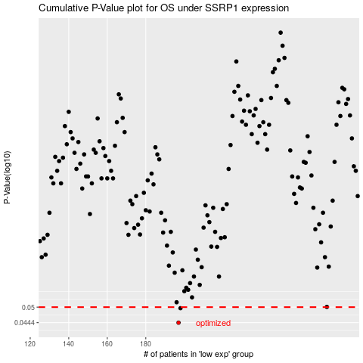

 |  |  |  |  |  | cases_OS | p_OS | rank | exp
 |  |  |  |  |  | 197 | 0.0444 | 226 | -0.13290874393
 |  |  |  |  |  | 198 | 0.0496 | 196 | -0.13052737415
 |  |  |  |  |  |  | cases_RFS | p_RFS | rank | exp
 |  |  |  |  |  |  | 196 | 0.0444 | 39 | -0.13780601282
 |  |  |  |  |  |  | 197 | 0.0496 | 226 | -0.13290874393

