SSX2IP _multivariate
Reported by Tex Li-Hsing Chi. tex@gate.sinica.edu.tw 2019-08-15

Table 2. The clinicopathological features of HNSCC cohort and SSX2IP expression. (Chi square test)
Cutoff at -0.256 (49.8%)
 |  | SSX2IP expression |  | SSX2IP expression |  | (Optimised)
 | Features | Low | (%) | High | (%) | Case no | P-value | Remark | Matthews
Gender | Female | 155 | 37.3 | 151 | 36.4 | 415 | 0.6768 | 0 | 0
2 | Male | 52 | 12.5 | 57 | 13.7
Age at diagnosis | <=65y | 138 | 33.3 | 136 | 32.8 | 415 | 0.8634 | 0 | 0
4 | >65y | 69 | 16.6 | 72 | 17.3
Clinical T Status | T1+T2 | 65 | 15.7 | 84 | 20.2 | 415 | 0.0711 | 0 | 0
6 | T3+T4 | 142 | 34.2 | 124 | 29.9
Clinical N Status | N0 | 115 | 27.7 | 101 | 24.3 | 415 | 0.184 | 1 | 0
8 | N1-3 | 92 | 22.2 | 107 | 25.8
Clinical M Status | M0 | 206 | 49.6 | 206 | 49.6 | 415 | 1 | 0 | 0
10 | M1 | 1 | 0.2 | 2 | 0.5
Clinical Stage | Stage I+II | 47 | 11.3 | 55 | 13.3 | 415 | 0.4413 | 0 | 0
12 | Stage III+IV | 160 | 38.6 | 153 | 36.9
Surgical Margin status | Negative | 169 | 40.7 | 149 | 35.9 | 415 | 0.0201 | 1 | 0
14 | Positive | 38 | 9.2 | 59 | 14.2
Tobacco Exposure | Low | 77 | 18.6 | 84 | 20.2 | 415 | 0.5459 | 0 | 0
16 | High | 130 | 31.3 | 124 | 29.9

Table 3. Univariate/Multivariate Cox's proportional hazards regression analyses on OS time of SSX2IP gene expression in HNSCC

 |  | Univariate |  |  |  | Multivariate
 | Features | HR | CI95%(L) | CI95%(H) | P-value | HR | CI95%(L) | CI95%(H) | P-value
1 | Female | 1 |  |  |  | 1
Gender | Male | 1.157 | 0.843 | 1.587 | 0.367 | 1.199 | 0.859 | 1.675 | 0.286
11 | <=65y | 1 |  |  |  | 1
Age at diagnosis | >65y | 1.329 | 0.99 | 1.784 | 0.058 | 1.39 | 1.022 | 1.889 | 0.036
12 | T1+T2 | 1 |  |  |  | 1
Clinical T Status | T3+T4 | 1.409 | 1.028 | 1.931 | 0.033 | 2.221 | 1.172 | 4.209 | 0.014
13 | N0 | 1 |  |  |  | 1
Clinical N Status | N1-3 | 1.185 | 0.89 | 1.577 | 0.246 | 1.237 | 0.866 | 1.766 | 0.242
14 | M0 | 1 |  |  |  | 1
Clinical M Status | M1 | 4.097 | 1.009 | 16.644 | 0.049 | 9.434 | 2.058 | 43.248 | 0.004
15 | Stage I+II | 1 |  |  |  | 1
Clinical Stage | Stage III+IV | 1.245 | 0.882 | 1.759 | 0.213 | 0.503 | 0.235 | 1.081 | 0.078
16 | Negative | 1 |  |  |  | 1
Surgical Margin status | Positive | 1.591 | 1.155 | 2.191 | 0.004 | 1.667 | 1.206 | 2.304 | 0.002
17 | Low | 1 |  |  |  | 1
Tobacco Exposure | High | 1.364 | 1.008 | 1.844 | 0.044 | 1.448 | 1.05 | 1.996 | 0.024
18 | Low | 1 |  |  |  | 1
RNAseq(z-score) | High | 1.059 | 0.795 | 1.41 | 0.695 | 1.046 | 0.782 | 1.398 | 0.761

Table 4. Univariate/Multivariate Cox's proportional hazards regression analyses on RFS time of SSX2IP gene expression in HNSCC

 |  | Univariate |  |  |  | Multivariate
 | Features | HR | CI95%(L) | CI95%(H) | P-value | HR | CI95%(L) | CI95%(H) | P-value
1 | Female | 1 |  |  |  | 1
Gender | Male | 1.157 | 0.843 | 1.587 | 0.367 | 1.199 | 0.859 | 1.675 | 0.286
11 | <=65y | 1 |  |  |  | 1
Age at diagnosis | >65y | 1.329 | 0.99 | 1.784 | 0.058 | 1.39 | 1.022 | 1.889 | 0.036
12 | T1+T2 | 1 |  |  |  | 1
Clinical T Status | T3+T4 | 1.409 | 1.028 | 1.931 | 0.033 | 2.221 | 1.172 | 4.209 | 0.014
13 | N0 | 1 |  |  |  | 1
Clinical N Status | N1-3 | 1.185 | 0.89 | 1.577 | 0.246 | 1.237 | 0.866 | 1.766 | 0.242
14 | M0 | 1 |  |  |  | 1
Clinical M Status | M1 | 4.097 | 1.009 | 16.644 | 0.049 | 9.434 | 2.058 | 43.248 | 0.004
15 | Stage I+II | 1 |  |  |  | 1
Clinical Stage | Stage III+IV | 1.245 | 0.882 | 1.759 | 0.213 | 0.503 | 0.235 | 1.081 | 0.078
16 | Negative | 1 |  |  |  | 1
Surgical Margin status | Positive | 1.591 | 1.155 | 2.191 | 0.004 | 1.667 | 1.206 | 2.304 | 0.002
17 | Low | 1 |  |  |  | 1
Tobacco Exposure | High | 1.364 | 1.008 | 1.844 | 0.044 | 1.448 | 1.05 | 1.996 | 0.024
18 | Low | 1 |  |  |  | 1
RNAseq(z-score) | High | 1.059 | 0.795 | 1.41 | 0.695 | 1.046 | 0.782 | 1.398 | 0.761

Kaplan-Meier survival estimate: Cutoff at -0.256 (49.8%)



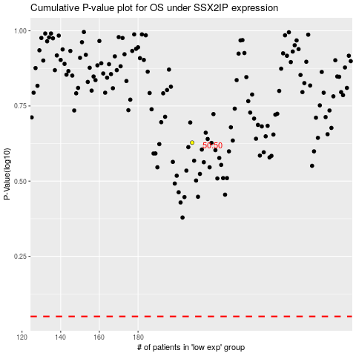

 |  |  |  |  |  | cases_OS | p_OS | rank | exp
 |  |  |  |  |  |  | cases_RFS | p_RFS | rank | exp

