ST3GAL1 _multivariate
Reported by Tex Li-Hsing Chi. tex@gate.sinica.edu.tw 2019-08-15

Table 2. The clinicopathological features of HNSCC cohort and ST3GAL1 expression. (Chi square test)
Cutoff at 0.068 (68.1%)
 |  | ST3GAL1 expression |  | ST3GAL1 expression |  | (Optimised)
 | Features | Low | (%) | High | (%) | Case no | P-value | Remark | Matthews
Gender | Female | 204 | 49.2 | 102 | 24.6 | 415 | 0.3179 | 0 | 0
2 | Male | 79 | 19 | 30 | 7.2
Age at diagnosis | <=65y | 188 | 45.3 | 86 | 20.7 | 415 | 0.8847 | 0 | 0
4 | >65y | 95 | 22.9 | 46 | 11.1
Clinical T Status | T1+T2 | 107 | 25.8 | 42 | 10.1 | 415 | 0.2824 | 0 | 0
6 | T3+T4 | 176 | 42.4 | 90 | 21.7
Clinical N Status | N0 | 153 | 36.9 | 63 | 15.2 | 415 | 0.2723 | 0 | 0
8 | N1-3 | 130 | 31.3 | 69 | 16.6
Clinical M Status | M0 | 281 | 67.7 | 131 | 31.6 | 415 | 1 | 0 | 0
10 | M1 | 2 | 0.5 | 1 | 0.2
Clinical Stage | Stage I+II | 75 | 18.1 | 27 | 6.5 | 415 | 0.2262 | 0 | 0
12 | Stage III+IV | 208 | 50.1 | 105 | 25.3
Surgical Margin status | Negative | 215 | 51.8 | 103 | 24.8 | 415 | 0.7093 | 0 | 0
14 | Positive | 68 | 16.4 | 29 | 7
Tobacco Exposure | Low | 120 | 28.9 | 41 | 9.9 | 415 | 0.0306 | 1 | 0
16 | High | 163 | 39.3 | 91 | 21.9

Table 3. Univariate/Multivariate Cox's proportional hazards regression analyses on OS time of ST3GAL1 gene expression in HNSCC

 |  | Univariate |  |  |  | Multivariate
 | Features | HR | CI95%(L) | CI95%(H) | P-value | HR | CI95%(L) | CI95%(H) | P-value
1 | Female | 1 |  |  |  | 1
Gender | Male | 1.157 | 0.843 | 1.587 | 0.367 | 1.224 | 0.875 | 1.711 | 0.238
11 | <=65y | 1 |  |  |  | 1
Age at diagnosis | >65y | 1.329 | 0.99 | 1.784 | 0.058 | 1.401 | 1.03 | 1.905 | 0.032
12 | T1+T2 | 1 |  |  |  | 1
Clinical T Status | T3+T4 | 1.409 | 1.028 | 1.931 | 0.033 | 2.191 | 1.16 | 4.139 | 0.016
13 | N0 | 1 |  |  |  | 1
Clinical N Status | N1-3 | 1.185 | 0.89 | 1.577 | 0.246 | 1.258 | 0.881 | 1.796 | 0.206
14 | M0 | 1 |  |  |  | 1
Clinical M Status | M1 | 4.097 | 1.009 | 16.644 | 0.049 | 9.826 | 2.143 | 45.058 | 0.003
15 | Stage I+II | 1 |  |  |  | 1
Clinical Stage | Stage III+IV | 1.245 | 0.882 | 1.759 | 0.213 | 0.501 | 0.234 | 1.074 | 0.076
16 | Negative | 1 |  |  |  | 1
Surgical Margin status | Positive | 1.591 | 1.155 | 2.191 | 0.004 | 1.717 | 1.242 | 2.375 | 0.001
17 | Low | 1 |  |  |  | 1
Tobacco Exposure | High | 1.364 | 1.008 | 1.844 | 0.044 | 1.393 | 1.01 | 1.923 | 0.044
18 | Low | 1 |  |  |  | 1
RNAseq(z-score) | High | 1.431 | 1.064 | 1.925 | 0.018 | 1.467 | 1.085 | 1.982 | 0.013

Table 4. Univariate/Multivariate Cox's proportional hazards regression analyses on RFS time of ST3GAL1 gene expression in HNSCC

 |  | Univariate |  |  |  | Multivariate
 | Features | HR | CI95%(L) | CI95%(H) | P-value | HR | CI95%(L) | CI95%(H) | P-value
1 | Female | 1 |  |  |  | 1
Gender | Male | 1.157 | 0.843 | 1.587 | 0.367 | 1.224 | 0.875 | 1.711 | 0.238
11 | <=65y | 1 |  |  |  | 1
Age at diagnosis | >65y | 1.329 | 0.99 | 1.784 | 0.058 | 1.401 | 1.03 | 1.905 | 0.032
12 | T1+T2 | 1 |  |  |  | 1
Clinical T Status | T3+T4 | 1.409 | 1.028 | 1.931 | 0.033 | 2.191 | 1.16 | 4.139 | 0.016
13 | N0 | 1 |  |  |  | 1
Clinical N Status | N1-3 | 1.185 | 0.89 | 1.577 | 0.246 | 1.258 | 0.881 | 1.796 | 0.206
14 | M0 | 1 |  |  |  | 1
Clinical M Status | M1 | 4.097 | 1.009 | 16.644 | 0.049 | 9.826 | 2.143 | 45.058 | 0.003
15 | Stage I+II | 1 |  |  |  | 1
Clinical Stage | Stage III+IV | 1.245 | 0.882 | 1.759 | 0.213 | 0.501 | 0.234 | 1.074 | 0.076
16 | Negative | 1 |  |  |  | 1
Surgical Margin status | Positive | 1.591 | 1.155 | 2.191 | 0.004 | 1.717 | 1.242 | 2.375 | 0.001
17 | Low | 1 |  |  |  | 1
Tobacco Exposure | High | 1.364 | 1.008 | 1.844 | 0.044 | 1.393 | 1.01 | 1.923 | 0.044
18 | Low | 1 |  |  |  | 1
RNAseq(z-score) | High | 1.431 | 1.064 | 1.925 | 0.018 | 1.467 | 1.085 | 1.982 | 0.013

Kaplan-Meier survival estimate: Cutoff at 0.068 (68.1%)

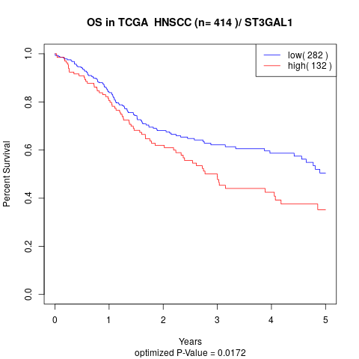

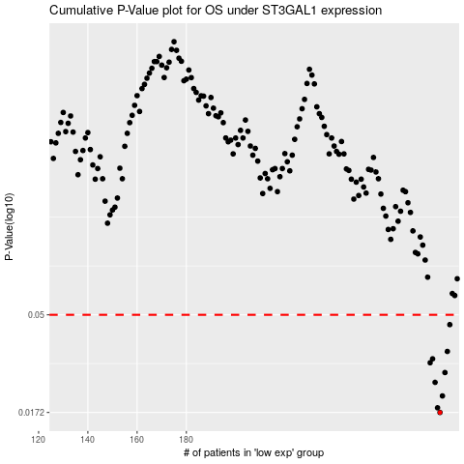

 |  |  |  |  |  | cases_OS | p_OS | rank | exp
 |  |  |  |  |  | 283 | 0.0172 | 48 | 0.068112060057
 |  |  |  |  |  | 282 | 0.0181 | 145 | 0.050648121534
 |  |  |  |  |  | 284 | 0.0206 | 260 | 0.083376006372
 |  |  |  |  |  | 281 | 0.0239 | 121 | 0.046764370226
 |  |  |  |  |  | 285 | 0.0266 | 202 | 0.092560801623
 |  |  |  |  |  | 279 | 0.0296 | 218 | 0.022828417432
 |  |  |  |  |  | 280 | 0.0309 | 347 | 0.026004305224
 |  |  |  |  |  | 286 | 0.0335 | 186 | 0.12788884805
 |  |  |  |  |  | 287 | 0.0449 | 264 | 0.12811220811
 |  |  |  |  |  |  | cases_RFS | p_RFS | rank | exp
 |  |  |  |  |  |  | 282 | 0.0172 | 145 | 0.050648121534
 |  |  |  |  |  |  | 281 | 0.0181 | 121 | 0.046764370226
 |  |  |  |  |  |  | 283 | 0.0206 | 48 | 0.068112060057
 |  |  |  |  |  |  | 280 | 0.0239 | 347 | 0.026004305224
 |  |  |  |  |  |  | 284 | 0.0266 | 260 | 0.083376006372
 |  |  |  |  |  |  | 278 | 0.0296 | 245 | 0.018447220311
 |  |  |  |  |  |  | 279 | 0.0309 | 218 | 0.022828417432
 |  |  |  |  |  |  | 285 | 0.0335 | 202 | 0.092560801623
 |  |  |  |  |  |  | 286 | 0.0449 | 186 | 0.12788884805

