ST3GAL2 _multivariate
Reported by Tex Li-Hsing Chi. tex@gate.sinica.edu.tw 2019-08-15

Table 2. The clinicopathological features of HNSCC cohort and ST3GAL2 expression. (Chi square test)
Cutoff at -0.144 (49.8%)
 |  | ST3GAL2 expression |  | ST3GAL2 expression |  | (Optimised)
 | Features | Low | (%) | High | (%) | Case no | P-value | Remark | Matthews
Gender | Female | 151 | 36.4 | 155 | 37.3 | 415 | 0.8007 | 0 | 0
2 | Male | 56 | 13.5 | 53 | 12.8
Age at diagnosis | <=65y | 136 | 32.8 | 138 | 33.3 | 415 | 0.9719 | 0 | 0
4 | >65y | 71 | 17.1 | 70 | 16.9
Clinical T Status | T1+T2 | 70 | 16.9 | 79 | 19 | 415 | 0.4343 | 0 | 0
6 | T3+T4 | 137 | 33 | 129 | 31.1
Clinical N Status | N0 | 110 | 26.5 | 106 | 25.5 | 415 | 0.7294 | 0 | 0
8 | N1-3 | 97 | 23.4 | 102 | 24.6
Clinical M Status | M0 | 204 | 49.2 | 208 | 50.1 | 415 | 0.1232 | 0 | 0
10 | M1 | 3 | 0.7 | 0 | 0
Clinical Stage | Stage I+II | 42 | 10.1 | 60 | 14.5 | 415 | 0.0561 | 0 | 0
12 | Stage III+IV | 165 | 39.8 | 148 | 35.7
Surgical Margin status | Negative | 153 | 36.9 | 165 | 39.8 | 415 | 0.2036 | 0 | 0
14 | Positive | 54 | 13 | 43 | 10.4
Tobacco Exposure | Low | 80 | 19.3 | 81 | 19.5 | 415 | 1 | 0 | 0
16 | High | 127 | 30.6 | 127 | 30.6

Table 3. Univariate/Multivariate Cox's proportional hazards regression analyses on OS time of ST3GAL2 gene expression in HNSCC

 |  | Univariate |  |  |  | Multivariate
 | Features | HR | CI95%(L) | CI95%(H) | P-value | HR | CI95%(L) | CI95%(H) | P-value
1 | Female | 1 |  |  |  | 1
Gender | Male | 1.157 | 0.843 | 1.587 | 0.367 | 1.21 | 0.866 | 1.691 | 0.264
11 | <=65y | 1 |  |  |  | 1
Age at diagnosis | >65y | 1.329 | 0.99 | 1.784 | 0.058 | 1.399 | 1.028 | 1.903 | 0.033
12 | T1+T2 | 1 |  |  |  | 1
Clinical T Status | T3+T4 | 1.409 | 1.028 | 1.931 | 0.033 | 2.169 | 1.146 | 4.108 | 0.017
13 | N0 | 1 |  |  |  | 1
Clinical N Status | N1-3 | 1.185 | 0.89 | 1.577 | 0.246 | 1.225 | 0.857 | 1.751 | 0.266
14 | M0 | 1 |  |  |  | 1
Clinical M Status | M1 | 4.097 | 1.009 | 16.644 | 0.049 | 9.802 | 2.127 | 45.158 | 0.003
15 | Stage I+II | 1 |  |  |  | 1
Clinical Stage | Stage III+IV | 1.245 | 0.882 | 1.759 | 0.213 | 0.525 | 0.242 | 1.137 | 0.102
16 | Negative | 1 |  |  |  | 1
Surgical Margin status | Positive | 1.591 | 1.155 | 2.191 | 0.004 | 1.678 | 1.215 | 2.319 | 0.002
17 | Low | 1 |  |  |  | 1
Tobacco Exposure | High | 1.364 | 1.008 | 1.844 | 0.044 | 1.453 | 1.055 | 2.001 | 0.022
18 | Low | 1 |  |  |  | 1
RNAseq(z-score) | High | 1.042 | 0.782 | 1.389 | 0.778 | 1.104 | 0.821 | 1.484 | 0.514

Table 4. Univariate/Multivariate Cox's proportional hazards regression analyses on RFS time of ST3GAL2 gene expression in HNSCC

 |  | Univariate |  |  |  | Multivariate
 | Features | HR | CI95%(L) | CI95%(H) | P-value | HR | CI95%(L) | CI95%(H) | P-value
1 | Female | 1 |  |  |  | 1
Gender | Male | 1.157 | 0.843 | 1.587 | 0.367 | 1.21 | 0.866 | 1.691 | 0.264
11 | <=65y | 1 |  |  |  | 1
Age at diagnosis | >65y | 1.329 | 0.99 | 1.784 | 0.058 | 1.399 | 1.028 | 1.903 | 0.033
12 | T1+T2 | 1 |  |  |  | 1
Clinical T Status | T3+T4 | 1.409 | 1.028 | 1.931 | 0.033 | 2.169 | 1.146 | 4.108 | 0.017
13 | N0 | 1 |  |  |  | 1
Clinical N Status | N1-3 | 1.185 | 0.89 | 1.577 | 0.246 | 1.225 | 0.857 | 1.751 | 0.266
14 | M0 | 1 |  |  |  | 1
Clinical M Status | M1 | 4.097 | 1.009 | 16.644 | 0.049 | 9.802 | 2.127 | 45.158 | 0.003
15 | Stage I+II | 1 |  |  |  | 1
Clinical Stage | Stage III+IV | 1.245 | 0.882 | 1.759 | 0.213 | 0.525 | 0.242 | 1.137 | 0.102
16 | Negative | 1 |  |  |  | 1
Surgical Margin status | Positive | 1.591 | 1.155 | 2.191 | 0.004 | 1.678 | 1.215 | 2.319 | 0.002
17 | Low | 1 |  |  |  | 1
Tobacco Exposure | High | 1.364 | 1.008 | 1.844 | 0.044 | 1.453 | 1.055 | 2.001 | 0.022
18 | Low | 1 |  |  |  | 1
RNAseq(z-score) | High | 1.042 | 0.782 | 1.389 | 0.778 | 1.104 | 0.821 | 1.484 | 0.514

Kaplan-Meier survival estimate: Cutoff at -0.144 (49.8%)

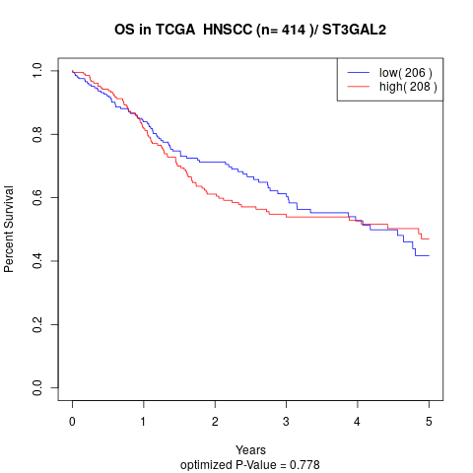

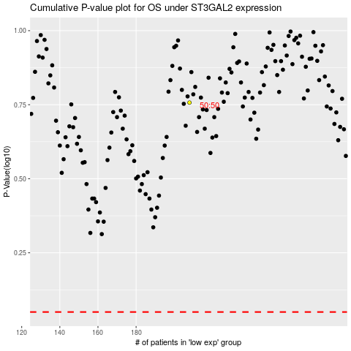

 |  |  |  |  |  | cases_OS | p_OS | rank | exp
 |  |  |  |  |  |  | cases_RFS | p_RFS | rank | exp

