ST3GAL3 _multivariate
Reported by Tex Li-Hsing Chi. tex@gate.sinica.edu.tw 2019-08-15

Table 2. The clinicopathological features of HNSCC cohort and ST3GAL3 expression. (Chi square test)
Cutoff at -0.213 (50.0%)
 |  | ST3GAL3 expression |  | ST3GAL3 expression |  | (Optimised)
 | Features | Low | (%) | High | (%) | Case no | P-value | Remark | Matthews
Gender | Female | 147 | 35.4 | 159 | 38.3 | 415 | 0.2523 | 0 | 0
2 | Male | 60 | 14.5 | 49 | 11.8
Age at diagnosis | <=65y | 135 | 32.5 | 139 | 33.5 | 415 | 0.8084 | 0 | 0
4 | >65y | 72 | 17.3 | 69 | 16.6
Clinical T Status | T1+T2 | 74 | 17.8 | 75 | 18.1 | 415 | 1 | 0 | 0
6 | T3+T4 | 133 | 32 | 133 | 32
Clinical N Status | N0 | 108 | 26 | 108 | 26 | 415 | 1 | 0 | 0
8 | N1-3 | 99 | 23.9 | 100 | 24.1
Clinical M Status | M0 | 207 | 49.9 | 205 | 49.4 | 415 | 0.2482 | 0 | 0
10 | M1 | 0 | 0 | 3 | 0.7
Clinical Stage | Stage I+II | 53 | 12.8 | 49 | 11.8 | 415 | 0.7113 | 0 | 0
12 | Stage III+IV | 154 | 37.1 | 159 | 38.3
Surgical Margin status | Negative | 162 | 39 | 156 | 37.6 | 415 | 0.4867 | 0 | 0
14 | Positive | 45 | 10.8 | 52 | 12.5
Tobacco Exposure | Low | 92 | 22.2 | 69 | 16.6 | 415 | 0.0206 | 1 | 0
16 | High | 115 | 27.7 | 139 | 33.5

Table 3. Univariate/Multivariate Cox's proportional hazards regression analyses on OS time of ST3GAL3 gene expression in HNSCC

 |  | Univariate |  |  |  | Multivariate
 | Features | HR | CI95%(L) | CI95%(H) | P-value | HR | CI95%(L) | CI95%(H) | P-value
1 | Female | 1 |  |  |  | 1
Gender | Male | 1.157 | 0.843 | 1.587 | 0.367 | 1.2 | 0.859 | 1.677 | 0.284
11 | <=65y | 1 |  |  |  | 1
Age at diagnosis | >65y | 1.329 | 0.99 | 1.784 | 0.058 | 1.385 | 1.018 | 1.884 | 0.038
12 | T1+T2 | 1 |  |  |  | 1
Clinical T Status | T3+T4 | 1.409 | 1.028 | 1.931 | 0.033 | 2.193 | 1.16 | 4.148 | 0.016
13 | N0 | 1 |  |  |  | 1
Clinical N Status | N1-3 | 1.185 | 0.89 | 1.577 | 0.246 | 1.245 | 0.872 | 1.776 | 0.227
14 | M0 | 1 |  |  |  | 1
Clinical M Status | M1 | 4.097 | 1.009 | 16.644 | 0.049 | 9.727 | 2.11 | 44.842 | 0.004
15 | Stage I+II | 1 |  |  |  | 1
Clinical Stage | Stage III+IV | 1.245 | 0.882 | 1.759 | 0.213 | 0.506 | 0.236 | 1.085 | 0.08
16 | Negative | 1 |  |  |  | 1
Surgical Margin status | Positive | 1.591 | 1.155 | 2.191 | 0.004 | 1.682 | 1.216 | 2.326 | 0.002
17 | Low | 1 |  |  |  | 1
Tobacco Exposure | High | 1.364 | 1.008 | 1.844 | 0.044 | 1.463 | 1.06 | 2.018 | 0.021
18 | Low | 1 |  |  |  | 1
RNAseq(z-score) | High | 0.987 | 0.741 | 1.315 | 0.929 | 0.927 | 0.692 | 1.242 | 0.612

Table 4. Univariate/Multivariate Cox's proportional hazards regression analyses on RFS time of ST3GAL3 gene expression in HNSCC

 |  | Univariate |  |  |  | Multivariate
 | Features | HR | CI95%(L) | CI95%(H) | P-value | HR | CI95%(L) | CI95%(H) | P-value
1 | Female | 1 |  |  |  | 1
Gender | Male | 1.157 | 0.843 | 1.587 | 0.367 | 1.2 | 0.859 | 1.677 | 0.284
11 | <=65y | 1 |  |  |  | 1
Age at diagnosis | >65y | 1.329 | 0.99 | 1.784 | 0.058 | 1.385 | 1.018 | 1.884 | 0.038
12 | T1+T2 | 1 |  |  |  | 1
Clinical T Status | T3+T4 | 1.409 | 1.028 | 1.931 | 0.033 | 2.193 | 1.16 | 4.148 | 0.016
13 | N0 | 1 |  |  |  | 1
Clinical N Status | N1-3 | 1.185 | 0.89 | 1.577 | 0.246 | 1.245 | 0.872 | 1.776 | 0.227
14 | M0 | 1 |  |  |  | 1
Clinical M Status | M1 | 4.097 | 1.009 | 16.644 | 0.049 | 9.727 | 2.11 | 44.842 | 0.004
15 | Stage I+II | 1 |  |  |  | 1
Clinical Stage | Stage III+IV | 1.245 | 0.882 | 1.759 | 0.213 | 0.506 | 0.236 | 1.085 | 0.08
16 | Negative | 1 |  |  |  | 1
Surgical Margin status | Positive | 1.591 | 1.155 | 2.191 | 0.004 | 1.682 | 1.216 | 2.326 | 0.002
17 | Low | 1 |  |  |  | 1
Tobacco Exposure | High | 1.364 | 1.008 | 1.844 | 0.044 | 1.463 | 1.06 | 2.018 | 0.021
18 | Low | 1 |  |  |  | 1
RNAseq(z-score) | High | 0.987 | 0.741 | 1.315 | 0.929 | 0.927 | 0.692 | 1.242 | 0.612

Kaplan-Meier survival estimate: Cutoff at -0.213 (50.0%)



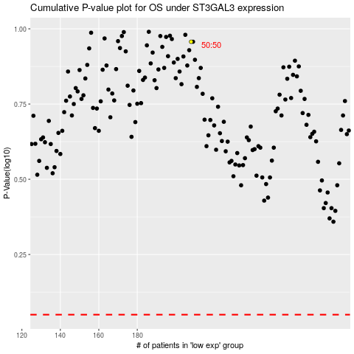

 |  |  |  |  |  | cases_OS | p_OS | rank | exp
 |  |  |  |  |  |  | cases_RFS | p_RFS | rank | exp

