ST3GAL4 _multivariate
Reported by Tex Li-Hsing Chi. tex@gate.sinica.edu.tw 2019-08-15

Table 2. The clinicopathological features of HNSCC cohort and ST3GAL4 expression. (Chi square test)
Cutoff at -0.253 (49.8%)
 |  | ST3GAL4 expression |  | ST3GAL4 expression |  | (Optimised)
 | Features | Low | (%) | High | (%) | Case no | P-value | Remark | Matthews
Gender | Female | 152 | 36.6 | 154 | 37.1 | 415 | 0.9766 | 0 | 0
2 | Male | 55 | 13.3 | 54 | 13
Age at diagnosis | <=65y | 139 | 33.5 | 135 | 32.5 | 415 | 0.7044 | 0 | 0
4 | >65y | 68 | 16.4 | 73 | 17.6
Clinical T Status | T1+T2 | 83 | 20 | 66 | 15.9 | 415 | 0.0941 | 0 | 0
6 | T3+T4 | 124 | 29.9 | 142 | 34.2
Clinical N Status | N0 | 106 | 25.5 | 110 | 26.5 | 415 | 0.8075 | 0 | 0
8 | N1-3 | 101 | 24.3 | 98 | 23.6
Clinical M Status | M0 | 206 | 49.6 | 206 | 49.6 | 415 | 1 | 0 | 0
10 | M1 | 1 | 0.2 | 2 | 0.5
Clinical Stage | Stage I+II | 53 | 12.8 | 49 | 11.8 | 415 | 0.7113 | 0 | 0
12 | Stage III+IV | 154 | 37.1 | 159 | 38.3
Surgical Margin status | Negative | 154 | 37.1 | 164 | 39.5 | 415 | 0.2984 | 0 | 0
14 | Positive | 53 | 12.8 | 44 | 10.6
Tobacco Exposure | Low | 89 | 21.4 | 72 | 17.3 | 415 | 0.0872 | 0 | 0
16 | High | 118 | 28.4 | 136 | 32.8

Table 3. Univariate/Multivariate Cox's proportional hazards regression analyses on OS time of ST3GAL4 gene expression in HNSCC

 |  | Univariate |  |  |  | Multivariate
 | Features | HR | CI95%(L) | CI95%(H) | P-value | HR | CI95%(L) | CI95%(H) | P-value
1 | Female | 1 |  |  |  | 1
Gender | Male | 1.157 | 0.843 | 1.587 | 0.367 | 1.201 | 0.86 | 1.678 | 0.283
11 | <=65y | 1 |  |  |  | 1
Age at diagnosis | >65y | 1.329 | 0.99 | 1.784 | 0.058 | 1.394 | 1.025 | 1.895 | 0.034
12 | T1+T2 | 1 |  |  |  | 1
Clinical T Status | T3+T4 | 1.409 | 1.028 | 1.931 | 0.033 | 2.218 | 1.171 | 4.203 | 0.015
13 | N0 | 1 |  |  |  | 1
Clinical N Status | N1-3 | 1.185 | 0.89 | 1.577 | 0.246 | 1.24 | 0.869 | 1.77 | 0.235
14 | M0 | 1 |  |  |  | 1
Clinical M Status | M1 | 4.097 | 1.009 | 16.644 | 0.049 | 9.514 | 2.07 | 43.714 | 0.004
15 | Stage I+II | 1 |  |  |  | 1
Clinical Stage | Stage III+IV | 1.245 | 0.882 | 1.759 | 0.213 | 0.501 | 0.233 | 1.078 | 0.077
16 | Negative | 1 |  |  |  | 1
Surgical Margin status | Positive | 1.591 | 1.155 | 2.191 | 0.004 | 1.672 | 1.21 | 2.311 | 0.002
17 | Low | 1 |  |  |  | 1
Tobacco Exposure | High | 1.364 | 1.008 | 1.844 | 0.044 | 1.457 | 1.057 | 2.009 | 0.022
18 | Low | 1 |  |  |  | 1
RNAseq(z-score) | High | 1.019 | 0.764 | 1.36 | 0.897 | 0.962 | 0.72 | 1.286 | 0.795

Table 4. Univariate/Multivariate Cox's proportional hazards regression analyses on RFS time of ST3GAL4 gene expression in HNSCC

 |  | Univariate |  |  |  | Multivariate
 | Features | HR | CI95%(L) | CI95%(H) | P-value | HR | CI95%(L) | CI95%(H) | P-value
1 | Female | 1 |  |  |  | 1
Gender | Male | 1.157 | 0.843 | 1.587 | 0.367 | 1.201 | 0.86 | 1.678 | 0.283
11 | <=65y | 1 |  |  |  | 1
Age at diagnosis | >65y | 1.329 | 0.99 | 1.784 | 0.058 | 1.394 | 1.025 | 1.895 | 0.034
12 | T1+T2 | 1 |  |  |  | 1
Clinical T Status | T3+T4 | 1.409 | 1.028 | 1.931 | 0.033 | 2.218 | 1.171 | 4.203 | 0.015
13 | N0 | 1 |  |  |  | 1
Clinical N Status | N1-3 | 1.185 | 0.89 | 1.577 | 0.246 | 1.24 | 0.869 | 1.77 | 0.235
14 | M0 | 1 |  |  |  | 1
Clinical M Status | M1 | 4.097 | 1.009 | 16.644 | 0.049 | 9.514 | 2.07 | 43.714 | 0.004
15 | Stage I+II | 1 |  |  |  | 1
Clinical Stage | Stage III+IV | 1.245 | 0.882 | 1.759 | 0.213 | 0.501 | 0.233 | 1.078 | 0.077
16 | Negative | 1 |  |  |  | 1
Surgical Margin status | Positive | 1.591 | 1.155 | 2.191 | 0.004 | 1.672 | 1.21 | 2.311 | 0.002
17 | Low | 1 |  |  |  | 1
Tobacco Exposure | High | 1.364 | 1.008 | 1.844 | 0.044 | 1.457 | 1.057 | 2.009 | 0.022
18 | Low | 1 |  |  |  | 1
RNAseq(z-score) | High | 1.019 | 0.764 | 1.36 | 0.897 | 0.962 | 0.72 | 1.286 | 0.795

Kaplan-Meier survival estimate: Cutoff at -0.253 (49.8%)



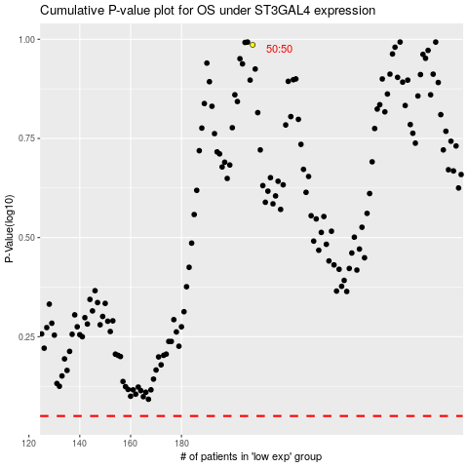

 |  |  |  |  |  | cases_OS | p_OS | rank | exp
 |  |  |  |  |  |  | cases_RFS | p_RFS | rank | exp

