ST3GAL5 _multivariate
Reported by Tex Li-Hsing Chi. tex@gate.sinica.edu.tw 2019-08-15

Table 2. The clinicopathological features of HNSCC cohort and ST3GAL5 expression. (Chi square test)
Cutoff at -0.128 (50.0%)
 |  | ST3GAL5 expression |  | ST3GAL5 expression |  | (Optimised)
 | Features | Low | (%) | High | (%) | Case no | P-value | Remark | Matthews
Gender | Female | 155 | 37.3 | 151 | 36.4 | 415 | 0.6768 | 0 | 0
2 | Male | 52 | 12.5 | 57 | 13.7
Age at diagnosis | <=65y | 138 | 33.3 | 136 | 32.8 | 415 | 0.8634 | 0 | 0
4 | >65y | 69 | 16.6 | 72 | 17.3
Clinical T Status | T1+T2 | 68 | 16.4 | 81 | 19.5 | 415 | 0.2336 | 0 | 0
6 | T3+T4 | 139 | 33.5 | 127 | 30.6
Clinical N Status | N0 | 119 | 28.7 | 97 | 23.4 | 415 | 0.0345 | 1 | 0
8 | N1-3 | 88 | 21.2 | 111 | 26.7
Clinical M Status | M0 | 206 | 49.6 | 206 | 49.6 | 415 | 1 | 0 | 0
10 | M1 | 1 | 0.2 | 2 | 0.5
Clinical Stage | Stage I+II | 48 | 11.6 | 54 | 13 | 415 | 0.5878 | 0 | 0
12 | Stage III+IV | 159 | 38.3 | 154 | 37.1
Surgical Margin status | Negative | 157 | 37.8 | 161 | 38.8 | 415 | 0.729 | 0 | 0
14 | Positive | 50 | 12 | 47 | 11.3
Tobacco Exposure | Low | 72 | 17.3 | 89 | 21.4 | 415 | 0.1071 | 0 | 0
16 | High | 135 | 32.5 | 119 | 28.7

Table 3. Univariate/Multivariate Cox's proportional hazards regression analyses on OS time of ST3GAL5 gene expression in HNSCC

 |  | Univariate |  |  |  | Multivariate
 | Features | HR | CI95%(L) | CI95%(H) | P-value | HR | CI95%(L) | CI95%(H) | P-value
1 | Female | 1 |  |  |  | 1
Gender | Male | 1.157 | 0.843 | 1.587 | 0.367 | 1.209 | 0.866 | 1.688 | 0.266
11 | <=65y | 1 |  |  |  | 1
Age at diagnosis | >65y | 1.329 | 0.99 | 1.784 | 0.058 | 1.397 | 1.027 | 1.899 | 0.033
12 | T1+T2 | 1 |  |  |  | 1
Clinical T Status | T3+T4 | 1.409 | 1.028 | 1.931 | 0.033 | 2.213 | 1.17 | 4.186 | 0.015
13 | N0 | 1 |  |  |  | 1
Clinical N Status | N1-3 | 1.185 | 0.89 | 1.577 | 0.246 | 1.214 | 0.849 | 1.736 | 0.288
14 | M0 | 1 |  |  |  | 1
Clinical M Status | M1 | 4.097 | 1.009 | 16.644 | 0.049 | 9.384 | 2.047 | 43.014 | 0.004
15 | Stage I+II | 1 |  |  |  | 1
Clinical Stage | Stage III+IV | 1.245 | 0.882 | 1.759 | 0.213 | 0.517 | 0.241 | 1.112 | 0.091
16 | Negative | 1 |  |  |  | 1
Surgical Margin status | Positive | 1.591 | 1.155 | 2.191 | 0.004 | 1.681 | 1.216 | 2.323 | 0.002
17 | Low | 1 |  |  |  | 1
Tobacco Exposure | High | 1.364 | 1.008 | 1.844 | 0.044 | 1.469 | 1.067 | 2.024 | 0.019
18 | Low | 1 |  |  |  | 1
RNAseq(z-score) | High | 1.096 | 0.823 | 1.461 | 0.529 | 1.165 | 0.87 | 1.559 | 0.306

Table 4. Univariate/Multivariate Cox's proportional hazards regression analyses on RFS time of ST3GAL5 gene expression in HNSCC

 |  | Univariate |  |  |  | Multivariate
 | Features | HR | CI95%(L) | CI95%(H) | P-value | HR | CI95%(L) | CI95%(H) | P-value
1 | Female | 1 |  |  |  | 1
Gender | Male | 1.157 | 0.843 | 1.587 | 0.367 | 1.209 | 0.866 | 1.688 | 0.266
11 | <=65y | 1 |  |  |  | 1
Age at diagnosis | >65y | 1.329 | 0.99 | 1.784 | 0.058 | 1.397 | 1.027 | 1.899 | 0.033
12 | T1+T2 | 1 |  |  |  | 1
Clinical T Status | T3+T4 | 1.409 | 1.028 | 1.931 | 0.033 | 2.213 | 1.17 | 4.186 | 0.015
13 | N0 | 1 |  |  |  | 1
Clinical N Status | N1-3 | 1.185 | 0.89 | 1.577 | 0.246 | 1.214 | 0.849 | 1.736 | 0.288
14 | M0 | 1 |  |  |  | 1
Clinical M Status | M1 | 4.097 | 1.009 | 16.644 | 0.049 | 9.384 | 2.047 | 43.014 | 0.004
15 | Stage I+II | 1 |  |  |  | 1
Clinical Stage | Stage III+IV | 1.245 | 0.882 | 1.759 | 0.213 | 0.517 | 0.241 | 1.112 | 0.091
16 | Negative | 1 |  |  |  | 1
Surgical Margin status | Positive | 1.591 | 1.155 | 2.191 | 0.004 | 1.681 | 1.216 | 2.323 | 0.002
17 | Low | 1 |  |  |  | 1
Tobacco Exposure | High | 1.364 | 1.008 | 1.844 | 0.044 | 1.469 | 1.067 | 2.024 | 0.019
18 | Low | 1 |  |  |  | 1
RNAseq(z-score) | High | 1.096 | 0.823 | 1.461 | 0.529 | 1.165 | 0.87 | 1.559 | 0.306

Kaplan-Meier survival estimate: Cutoff at -0.128 (50.0%)



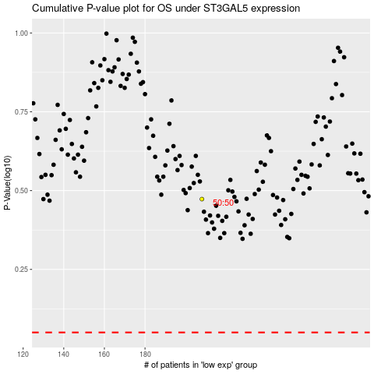

 |  |  |  |  |  | cases_OS | p_OS | rank | exp
 |  |  |  |  |  |  | cases_RFS | p_RFS | rank | exp

