ST3GAL6 _multivariate
Reported by Tex Li-Hsing Chi. tex@gate.sinica.edu.tw 2019-08-15

Table 2. The clinicopathological features of HNSCC cohort and ST3GAL6 expression. (Chi square test)
Cutoff at -0.233 (50.0%)
 |  | ST3GAL6 expression |  | ST3GAL6 expression |  | (Optimised)
 | Features | Low | (%) | High | (%) | Case no | P-value | Remark | Matthews
Gender | Female | 158 | 38.1 | 148 | 35.7 | 415 | 0.2774 | 0 | 0
2 | Male | 49 | 11.8 | 60 | 14.5
Age at diagnosis | <=65y | 126 | 30.4 | 148 | 35.7 | 415 | 0.035 | 1 | 0
4 | >65y | 81 | 19.5 | 60 | 14.5
Clinical T Status | T1+T2 | 62 | 14.9 | 87 | 21 | 415 | 0.0156 | 1 | 0
6 | T3+T4 | 145 | 34.9 | 121 | 29.2
Clinical N Status | N0 | 104 | 25.1 | 112 | 27 | 415 | 0.5243 | 0 | 0
8 | N1-3 | 103 | 24.8 | 96 | 23.1
Clinical M Status | M0 | 206 | 49.6 | 206 | 49.6 | 415 | 1 | 0 | 0
10 | M1 | 1 | 0.2 | 2 | 0.5
Clinical Stage | Stage I+II | 42 | 10.1 | 60 | 14.5 | 415 | 0.0561 | 0 | 0
12 | Stage III+IV | 165 | 39.8 | 148 | 35.7
Surgical Margin status | Negative | 157 | 37.8 | 161 | 38.8 | 415 | 0.729 | 0 | 0
14 | Positive | 50 | 12 | 47 | 11.3
Tobacco Exposure | Low | 74 | 17.8 | 87 | 21 | 415 | 0.227 | 0 | 0
16 | High | 133 | 32 | 121 | 29.2

Table 3. Univariate/Multivariate Cox's proportional hazards regression analyses on OS time of ST3GAL6 gene expression in HNSCC

 |  | Univariate |  |  |  | Multivariate
 | Features | HR | CI95%(L) | CI95%(H) | P-value | HR | CI95%(L) | CI95%(H) | P-value
1 | Female | 1 |  |  |  | 1
Gender | Male | 1.157 | 0.843 | 1.587 | 0.367 | 1.207 | 0.862 | 1.689 | 0.274
11 | <=65y | 1 |  |  |  | 1
Age at diagnosis | >65y | 1.329 | 0.99 | 1.784 | 0.058 | 1.387 | 1.019 | 1.888 | 0.037
12 | T1+T2 | 1 |  |  |  | 1
Clinical T Status | T3+T4 | 1.409 | 1.028 | 1.931 | 0.033 | 2.191 | 1.157 | 4.148 | 0.016
13 | N0 | 1 |  |  |  | 1
Clinical N Status | N1-3 | 1.185 | 0.89 | 1.577 | 0.246 | 1.238 | 0.867 | 1.767 | 0.24
14 | M0 | 1 |  |  |  | 1
Clinical M Status | M1 | 4.097 | 1.009 | 16.644 | 0.049 | 9.496 | 2.067 | 43.617 | 0.004
15 | Stage I+II | 1 |  |  |  | 1
Clinical Stage | Stage III+IV | 1.245 | 0.882 | 1.759 | 0.213 | 0.504 | 0.235 | 1.082 | 0.079
16 | Negative | 1 |  |  |  | 1
Surgical Margin status | Positive | 1.591 | 1.155 | 2.191 | 0.004 | 1.673 | 1.211 | 2.311 | 0.002
17 | Low | 1 |  |  |  | 1
Tobacco Exposure | High | 1.364 | 1.008 | 1.844 | 0.044 | 1.456 | 1.056 | 2.008 | 0.022
18 | Low | 1 |  |  |  | 1
RNAseq(z-score) | High | 0.925 | 0.693 | 1.235 | 0.596 | 0.965 | 0.717 | 1.299 | 0.816

Table 4. Univariate/Multivariate Cox's proportional hazards regression analyses on RFS time of ST3GAL6 gene expression in HNSCC

 |  | Univariate |  |  |  | Multivariate
 | Features | HR | CI95%(L) | CI95%(H) | P-value | HR | CI95%(L) | CI95%(H) | P-value
1 | Female | 1 |  |  |  | 1
Gender | Male | 1.157 | 0.843 | 1.587 | 0.367 | 1.207 | 0.862 | 1.689 | 0.274
11 | <=65y | 1 |  |  |  | 1
Age at diagnosis | >65y | 1.329 | 0.99 | 1.784 | 0.058 | 1.387 | 1.019 | 1.888 | 0.037
12 | T1+T2 | 1 |  |  |  | 1
Clinical T Status | T3+T4 | 1.409 | 1.028 | 1.931 | 0.033 | 2.191 | 1.157 | 4.148 | 0.016
13 | N0 | 1 |  |  |  | 1
Clinical N Status | N1-3 | 1.185 | 0.89 | 1.577 | 0.246 | 1.238 | 0.867 | 1.767 | 0.24
14 | M0 | 1 |  |  |  | 1
Clinical M Status | M1 | 4.097 | 1.009 | 16.644 | 0.049 | 9.496 | 2.067 | 43.617 | 0.004
15 | Stage I+II | 1 |  |  |  | 1
Clinical Stage | Stage III+IV | 1.245 | 0.882 | 1.759 | 0.213 | 0.504 | 0.235 | 1.082 | 0.079
16 | Negative | 1 |  |  |  | 1
Surgical Margin status | Positive | 1.591 | 1.155 | 2.191 | 0.004 | 1.673 | 1.211 | 2.311 | 0.002
17 | Low | 1 |  |  |  | 1
Tobacco Exposure | High | 1.364 | 1.008 | 1.844 | 0.044 | 1.456 | 1.056 | 2.008 | 0.022
18 | Low | 1 |  |  |  | 1
RNAseq(z-score) | High | 0.925 | 0.693 | 1.235 | 0.596 | 0.965 | 0.717 | 1.299 | 0.816

Kaplan-Meier survival estimate: Cutoff at -0.233 (50.0%)



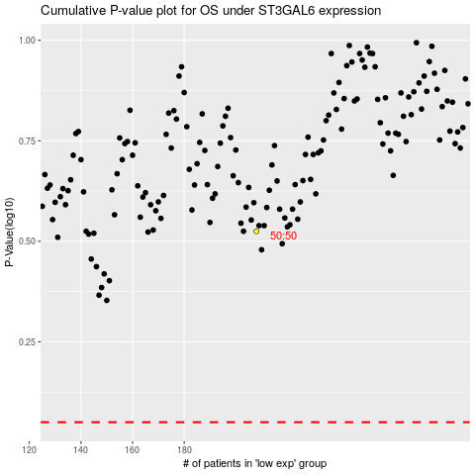

 |  |  |  |  |  | cases_OS | p_OS | rank | exp
 |  |  |  |  |  |  | cases_RFS | p_RFS | rank | exp

