ST6GAL2 _multivariate
Reported by Tex Li-Hsing Chi. tex@gate.sinica.edu.tw 2019-08-15

Table 2. The clinicopathological features of HNSCC cohort and ST6GAL2 expression. (Chi square test)
Cutoff at -0.324 (49.8%)
 |  | ST6GAL2 expression |  | ST6GAL2 expression |  | (Optimised)
 | Features | Low | (%) | High | (%) | Case no | P-value | Remark | Matthews
Gender | Female | 150 | 36.1 | 156 | 37.6 | 415 | 0.6344 | 0 | 0
2 | Male | 57 | 13.7 | 52 | 12.5
Age at diagnosis | <=65y | 140 | 33.7 | 134 | 32.3 | 415 | 0.5574 | 0 | 0
4 | >65y | 67 | 16.1 | 74 | 17.8
Clinical T Status | T1+T2 | 71 | 17.1 | 78 | 18.8 | 415 | 0.5638 | 0 | 0
6 | T3+T4 | 136 | 32.8 | 130 | 31.3
Clinical N Status | N0 | 104 | 25.1 | 112 | 27 | 415 | 0.5243 | 0 | 0
8 | N1-3 | 103 | 24.8 | 96 | 23.1
Clinical M Status | M0 | 204 | 49.2 | 208 | 50.1 | 415 | 0.1232 | 0 | 0
10 | M1 | 3 | 0.7 | 0 | 0
Clinical Stage | Stage I+II | 44 | 10.6 | 58 | 14 | 415 | 0.1459 | 0 | 0
12 | Stage III+IV | 163 | 39.3 | 150 | 36.1
Surgical Margin status | Negative | 158 | 38.1 | 160 | 38.6 | 415 | 0.9081 | 0 | 0
14 | Positive | 49 | 11.8 | 48 | 11.6
Tobacco Exposure | Low | 89 | 21.4 | 72 | 17.3 | 415 | 0.0872 | 0 | 0
16 | High | 118 | 28.4 | 136 | 32.8

Table 3. Univariate/Multivariate Cox's proportional hazards regression analyses on OS time of ST6GAL2 gene expression in HNSCC

 |  | Univariate |  |  |  | Multivariate
 | Features | HR | CI95%(L) | CI95%(H) | P-value | HR | CI95%(L) | CI95%(H) | P-value
1 | Female | 1 |  |  |  | 1
Gender | Male | 1.157 | 0.843 | 1.587 | 0.367 | 1.196 | 0.855 | 1.673 | 0.295
11 | <=65y | 1 |  |  |  | 1
Age at diagnosis | >65y | 1.329 | 0.99 | 1.784 | 0.058 | 1.397 | 1.027 | 1.901 | 0.033
12 | T1+T2 | 1 |  |  |  | 1
Clinical T Status | T3+T4 | 1.409 | 1.028 | 1.931 | 0.033 | 2.217 | 1.171 | 4.195 | 0.014
13 | N0 | 1 |  |  |  | 1
Clinical N Status | N1-3 | 1.185 | 0.89 | 1.577 | 0.246 | 1.244 | 0.872 | 1.775 | 0.229
14 | M0 | 1 |  |  |  | 1
Clinical M Status | M1 | 4.097 | 1.009 | 16.644 | 0.049 | 9.182 | 1.994 | 42.282 | 0.004
15 | Stage I+II | 1 |  |  |  | 1
Clinical Stage | Stage III+IV | 1.245 | 0.882 | 1.759 | 0.213 | 0.499 | 0.232 | 1.073 | 0.075
16 | Negative | 1 |  |  |  | 1
Surgical Margin status | Positive | 1.591 | 1.155 | 2.191 | 0.004 | 1.667 | 1.206 | 2.303 | 0.002
17 | Low | 1 |  |  |  | 1
Tobacco Exposure | High | 1.364 | 1.008 | 1.844 | 0.044 | 1.46 | 1.058 | 2.014 | 0.021
18 | Low | 1 |  |  |  | 1
RNAseq(z-score) | High | 0.943 | 0.708 | 1.256 | 0.69 | 0.943 | 0.705 | 1.261 | 0.691

Table 4. Univariate/Multivariate Cox's proportional hazards regression analyses on RFS time of ST6GAL2 gene expression in HNSCC

 |  | Univariate |  |  |  | Multivariate
 | Features | HR | CI95%(L) | CI95%(H) | P-value | HR | CI95%(L) | CI95%(H) | P-value
1 | Female | 1 |  |  |  | 1
Gender | Male | 1.157 | 0.843 | 1.587 | 0.367 | 1.196 | 0.855 | 1.673 | 0.295
11 | <=65y | 1 |  |  |  | 1
Age at diagnosis | >65y | 1.329 | 0.99 | 1.784 | 0.058 | 1.397 | 1.027 | 1.901 | 0.033
12 | T1+T2 | 1 |  |  |  | 1
Clinical T Status | T3+T4 | 1.409 | 1.028 | 1.931 | 0.033 | 2.217 | 1.171 | 4.195 | 0.014
13 | N0 | 1 |  |  |  | 1
Clinical N Status | N1-3 | 1.185 | 0.89 | 1.577 | 0.246 | 1.244 | 0.872 | 1.775 | 0.229
14 | M0 | 1 |  |  |  | 1
Clinical M Status | M1 | 4.097 | 1.009 | 16.644 | 0.049 | 9.182 | 1.994 | 42.282 | 0.004
15 | Stage I+II | 1 |  |  |  | 1
Clinical Stage | Stage III+IV | 1.245 | 0.882 | 1.759 | 0.213 | 0.499 | 0.232 | 1.073 | 0.075
16 | Negative | 1 |  |  |  | 1
Surgical Margin status | Positive | 1.591 | 1.155 | 2.191 | 0.004 | 1.667 | 1.206 | 2.303 | 0.002
17 | Low | 1 |  |  |  | 1
Tobacco Exposure | High | 1.364 | 1.008 | 1.844 | 0.044 | 1.46 | 1.058 | 2.014 | 0.021
18 | Low | 1 |  |  |  | 1
RNAseq(z-score) | High | 0.943 | 0.708 | 1.256 | 0.69 | 0.943 | 0.705 | 1.261 | 0.691

Kaplan-Meier survival estimate: Cutoff at -0.324 (49.8%)



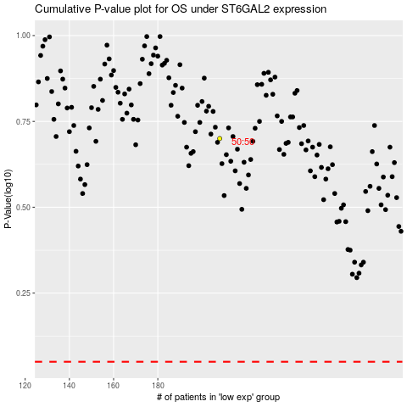

 |  |  |  |  |  | cases_OS | p_OS | rank | exp
 |  |  |  |  |  |  | cases_RFS | p_RFS | rank | exp

